YL43-example
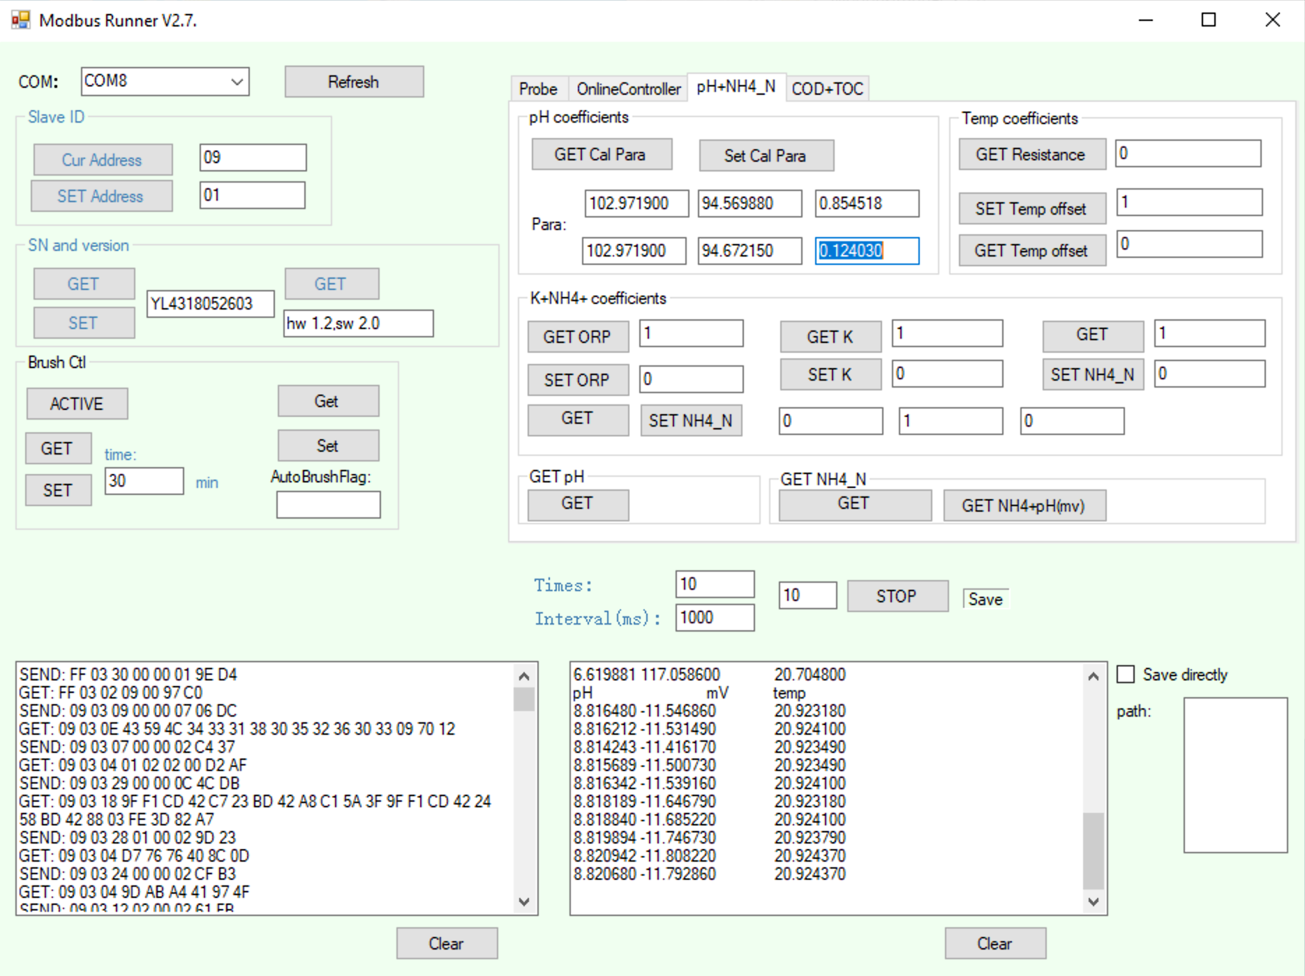
Y532 pH Calibrator
v0.2.1: 2020-09-10 |  |  |  |  |  |  | Calibration Standards: Known Values
Anthony Aufdenkampe <aaufdenkampe@limno.com> |  |  | Reference Standards | tap water | pH | at 25°C | 4.00 | pH | @ 25°C | 6.86 | pH | at 25°C | 9.18 | pH | at 25°C
 |  |  |  | Not used in calibration |  |  | Calibration Standards: Measured Values
Instructions |  |  |  | pH | E (mV) | T (°C) | pH | E (mV) | T (°C) | pH | E (mV) | T (°C) | pH | E (mV) | T (°C)
Calibration Date: | 2021-05-30 |  |  |  |  |  | 4.198408 | 271.3868 | 23.59127 | 7.13603 | 103.5669 | 23.96475 | 9.166325 | -12.19258 | 24.04705
 |  |  |  |  |  |  | 4.202824 | 271.1331 | 23.58883 | 7.133469 | 103.713 | 23.96078 | 9.167669 | -12.26947 | 24.04766
1. GET & paste sensor info from Modbus Runner software. |  |  |  |  |  |  | 4.202789 | 271.1331 | 23.5852 | 7.132528 | 103.7668 | 23.95355 | 9.17602 | -12.74611 | 24.04888
SN: | YL4318052603 |  |  |  |  |  | 4.201958 | 271.1792 | 23.58279 | 7.129293 | 103.9513 | 23.94924 | 9.183291 | -13.16122 | 24.0501
Version: | hw 1.2,sw 2.0 |  |  |  |  |  | 4.199083 | 271.3406 | 23.57763 | 7.129298 | 103.9513 | 23.93865 | 9.188536 | -13.46105 | 24.0519
pH+NH4_N: | pH coefficients (previous) |  |  |  |  |  | 4.200668 | 271.2484 | 23.57461 | 7.125793 | 104.1512 | 23.93408 | 9.185829 | -13.15353 | 24.05316
K1: | 119.215760 | mV at pH= 6.86 |  |  |  |  | 4.20087 | 271.233 | 23.56762 | 7.124447 | 104.228 | 23.92648 | 9.183663 | -13.18429 | 24.05435
K2: | 111.296064 | E0, mV at pH= 7, acidic |  |  |  |  | 4.200852 | 271.233 | 23.56582 | 7.125258 | 104.2203 | 23.92254 | 9.185395 | -13.28422 | 24.05709
K3: | -1.737751 | S0, acidic
K4: | 119.215760 | mV at pH= 6.86
K5: | 111.320413 | E0, mV at pH= 7, alkaline
K6: | -1.955948 | S0, alkaline | Average | #DIV/0! | #DIV/0! | #DIV/0! | 4.201 | 271.236 | 23.579 | 7.130 | 103.944 | 23.944 | 9.180 | -12.932 | 24.051
 |  |  | Std | #DIV/0! | #DIV/0! | #DIV/0! | 0.002 | 0.091 | 0.009 | 0.004 | 0.247 | 0.016 | 0.009 | 0.477 | 0.003
3. Fill in reference standard known values. |  |  | %CV | #DIV/0! | #DIV/0! | #DIV/0! | 0.04% | 0.03% | 0.04% | 0.06% | 0.24% | 0.07% | 0.09% | -3.68% | 0.01%
Type into pale yellow cells H3, L3, P3

Calibration Curve
4."GET pH" & paste measured values for each standard. |  |  |  | Calibration Curve
Measure 3-10 "Times" to get best values. |  |  |  | X | Y |  |  |  | 2-point |  |  |  |  |  |  | X | Y
Paste into pale yellow cells. |  |  |  | pH | E (mV) | T (°C) | predicted Y | residual Y | predicted X |  |  |  |  |  |  | pH | E (mV) | T (°C)
 |  |  |  | 4.00 | 271.24 | 23.58 | 268.14 | 3.09 | 4.00 |  |  |  |  |  |  | 4.00 | 271.24 | 23.58
5. Delete calibration X:Y pairs that are not valid. |  |  |  | 6.86 | 103.94 | 23.94 | 110.85 | -6.91 | 6.86 |  |  |  |  |  |  | 6.86 | 103.94 | 23.94
Delete green values in pale yellow cells D25:E27 |  |  |  | 9.18 | -12.93 | 24.05 | -16.74 | 3.81 | 9.18 |  |  |  |  |  |  | 9.18 | -12.93 | 24.05

6. Re-SET "User Coefficients" to new calibration values. |  |  |  | pHiso | 7.00 | isopotential pH
Paste these blue values into Modbus Runner and hit "SET".
K1: | 103.943600 | mV at pH= 6.86 |  |  | S, slope | E0 | S0, slope correction
K2: | 95.754466 | E0, mV at pH= 7, acidic |  |  | mV/pH | mV at pHiso
K3: | -0.456631 | S0, acidic |  | acidic pH 4 to 6.86 | -58.493811189 | 95.754466434 | -0.45663054719
K4: | 103.943600 | mV at pH= 6.86 |  | alkaline pH 6.86 to 9.18 | -50.377223599 | 96.890788696 | -8.5945491129
K5: | 96.890789 | E0, mV at pH= 7, alkaline
Calibration Curvature
K6: | -8.594549 | S0, alkaline |  | ideal slope: | -58.9504 | mV/pH

7. Save this sheet for your records.
Rename tab with serial number and date, or keep a workbook for each serial number.

Background Information
Explanation of pH calibration equations, from YosemiTech
Nernst equation :E=E0+S*(7-pH) |  |  | S = 54.2+0.1984*t(℃) +S0 |  |  | Where S0 = 0,E0=0 by default.
K1=K4 = E (a sensor reading of mV at ph = 6.86)
K2 is actual E0 in acidic solution ph =4 |  |  |  |  | K5 is actual E0 in alkaline solution ph =9.18
K3 is actual S0 in acidic solution ph =4 |  |  |  |  | K6 is actual S0 in alkaline solution ph =9.18
If E1 is read at pH=4.00,E2 is read at pH = 6.86, E0 = (E2*(4.00-7)-E1*(6.86-7))/(4.00-6.86)

Bier2018-Hach-ElectrochemTheoryPractice_DOC182.53.90629.pdf
https://www.google.com/url?sa=t&rct=j&q=&esrc=s&source=web&cd=&ved=2ahUKEwiEhbGrxN_rAhUMbc0KHXdmAJ8QFjAJegQIBBAB&url=https%3A%2F%2Fwww.hach.com%2Fasset-get.download.jsa%3Fid%3D7672493965&usg=AOvVaw0aMsv1tmXVclWovq6qngYQ

Nerstt equation for pH:

 | slope = 2.303*RT/nF = -0.1984*T = | -59.15296 | mV/pH at 25°C | -54.2 | Adjustment for °C vs °K
 | R = | 8.31446 | J K−1 mol−1
 | F = | 96485.3 | C mol−1
 | 2.303*R/nF = | 0.19846 | mV/K, where 2.303 converts from ln to log10; 1000 mV/V; 1 C / 1 V

Theory and Practice of pH Measurement, Chapter 3 & Appendix B
https://www.emerson.com/documents/automation/manual-theory-practice-of-ph-measurement-rosemount-en-70736.pdf

https://en.wikipedia.org/wiki/Nernst_equation

