Pivot
Max of Result | Column Labels
 | field_primary | field_primary Total
Row Labels | Total Phosphorous as P
16 | 0.0366 | 0.0366
May | 0.0366 | 0.0366
7-May | 0.0299 | 0.0299
2024-05-07 | 0.0299 | 0.0299
22-May | 0.0366 | 0.0366
2024-05-22 | 0.0366 | 0.0366
29-May | 0.0298 | 0.0298
2024-05-29 | 0.0298 | 0.0298
Jun | 0.0267 | 0.0267
3-Jun | 0.0211 | 0.0211
2024-06-03 | 0.0211 | 0.0211
10-Jun | 0.0175 | 0.0175
2024-06-10 | 0.0175 | 0.0175
17-Jun | 0.0267 | 0.0267
2024-06-17 | 0.0267 | 0.0267
24-Jun | 0.0189 | 0.0189
2024-06-24 | 0.0189 | 0.0189
Jul | 0.0206 | 0.0206
1-Jul | 0.0206 | 0.0206
2024-07-01 | 0.0206 | 0.0206
17 | 0.2547 | 0.2547
May | 0.0331 | 0.0331
7-May | 0.0331 | 0.0331
2024-05-07 | 0.0331 | 0.0331
22-May | 0.0247 | 0.0247
2024-05-22 | 0.0247 | 0.0247
29-May | 0.0169 | 0.0169
2024-05-29 | 0.0169 | 0.0169
Jun | 0.2547 | 0.2547
4-Jun | 0.2547 | 0.2547
2024-06-04 | 0.2547 | 0.2547
10-Jun | 0.0221 | 0.0221
2024-06-10 | 0.0221 | 0.0221
17-Jun | 0.0328 | 0.0328
2024-06-17 | 0.0328 | 0.0328
24-Jun | 0.014 | 0.014
2024-06-24 | 0.014 | 0.014
Jul | 0.0103 | 0.0103
1-Jul | 0.0103 | 0.0103
2024-07-01 | 0.0103 | 0.0103
18 | 0.077 | 0.077
May | 0.077 | 0.077
6-May | 0.0577 | 0.0577
2024-05-06 | 0.0577 | 0.0577
22-May | 0.0373 | 0.0373
2024-05-22 | 0.0373 | 0.0373
28-May | 0.077 | 0.077
2024-05-28 | 0.077 | 0.077
Jun | 0.047 | 0.047
3-Jun | 0.0315 | 0.0315
2024-06-03 | 0.0315 | 0.0315
10-Jun | 0.047 | 0.047
2024-06-10 | 0.047 | 0.047
17-Jun | 0.0441 | 0.0441
2024-06-17 | 0.0441 | 0.0441
24-Jun | 0.0239 | 0.0239
2024-06-24 | 0.0239 | 0.0239
Jul | 0.0283 | 0.0283
1-Jul | 0.0283 | 0.0283
2024-07-01 | 0.0283 | 0.0283
22 | 0.0573 | 0.0573
May | 0.0185 | 0.0185
13-May | 0.0185 | 0.0185
2024-05-13 | 0.0185 | 0.0185
Jun | 0.0296 | 0.0296
25-Jun | 0.0296 | 0.0296
2024-06-25 | 0.0296 | 0.0296
Jul | 0.0573 | 0.0573
1-Jul | 0.0573 | 0.0573
2024-07-01 | 0.0573 | 0.0573
23 | 0.054 | 0.054
May | 0.054 | 0.054
9-May | 0.054 | 0.054
2024-05-09 | 0.054 | 0.054
24 | 0.0357 | 0.0357
May | 0.0357 | 0.0357
9-May | 0.0357 | 0.0357
2024-05-09 | 0.0357 | 0.0357

LabQualifiers
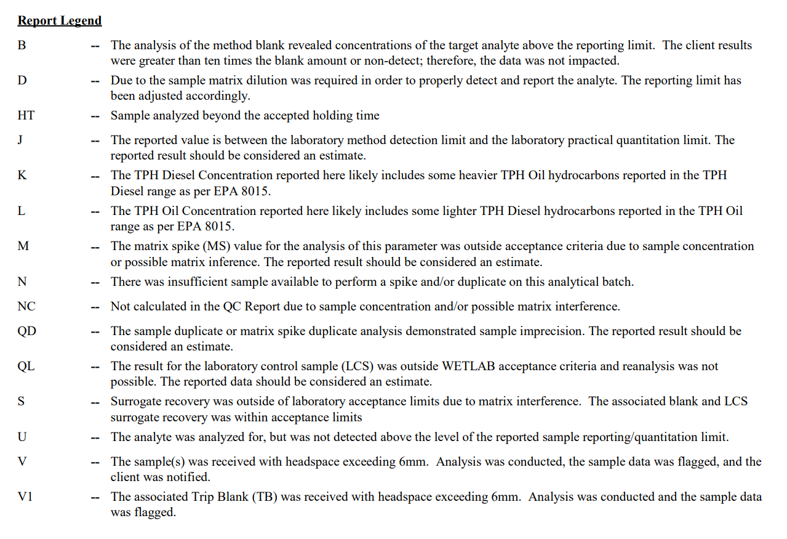

Pivot (2)
Count of Result | Column Labels
 | field_primary | field_primary Total
Row Labels | Total Kjeldahl Nitrogen
2024-05-06 | 6 | 6
2024-05-07 | 3 | 3
2024-05-08 | 4 | 4
2024-05-09 | 2 | 2
2024-05-13 | 6 | 6
2024-05-20 | 5 | 5
2024-05-22 | 3 | 3
2024-05-28 | 3 | 3
2024-05-29 | 3 | 3
2024-06-03 | 2 | 2
2024-06-04 | 2 | 2
2024-06-10 | 5 | 5
2024-06-17 | 6 | 6
2024-06-18 | 4 | 4
2024-06-24 | 6 | 6
2024-06-25 | 6 | 6
2024-07-01 | 6 | 6
2024-07-02 | 3 | 3

