Pivot
Analyte | Total Phosphorous as P

Max of Result | Column Labels
Row Labels | field_duplicate | field_primary
2024-05-06 |  | 0.0577
2024-05-07 |  | 0.1558
2024-05-08 |  | 0.15
2024-05-09 | 0.0196 | 0.054
2024-05-13 |  | 0.0473
 | field_duplicate | field_primary
5/6/2024 |  | 0.0577
5/7/2024 |  | 0.1558
5/8/2024 |  | 0.15
5/9/2024 | 0.0196 | 0.054
5/13/2024 |  | 0.0473
5/20/2024 | 0.0345 | 0.0685
5/22/2024 |  | 0.0373
5/28/2024 |  | 0.077
5/29/2024 | 0.0189 | 0.0435
6/3/2024 |  | 0.0315
6/4/2024 |  | 0.2547
6/10/2024 | 0.0306 | 0.047
6/17/2024 |  | 0.7639
6/18/2024 | 0.0722 | 0.0821
6/24/2024 |  | 0.1928
6/25/2024 | 0.2688 | 0.1554
7/1/2024 |  | 0.0573
7/2/2024 |  | 0.0345
2024-05-20 | 0.0345 | 0.0685
2024-05-22 |  | 0.0373
2024-05-28 |  | 0.077
2024-05-29 | 0.0189 | 0.0435
2024-06-03 |  | 0.0315
2024-06-04 |  | 0.2547
2024-06-10 | 0.0306 | 0.047
2024-06-17 |  | 0.7639
2024-06-18 | 0.0722 | 0.0821
2024-06-24 |  | 0.1928
2024-06-25 | 0.2688 | 0.1554
2024-07-01 |  | 0.0573
2024-07-02 |  | 0.0345

 |  | 2.2526 | 0

LabQualifiers
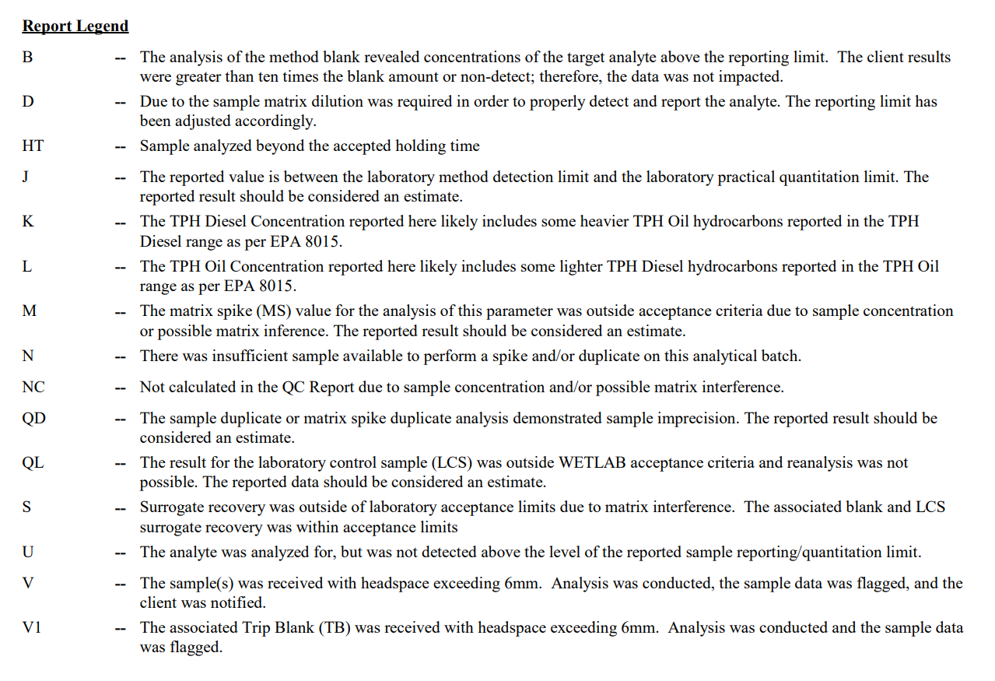

Pivot (2)
Count of Result | Column Labels
 | field_primary | field_primary Total
Row Labels | Total Kjeldahl Nitrogen
2024-05-06 | 6 | 6
2024-05-07 | 3 | 3
2024-05-08 | 4 | 4
2024-05-09 | 2 | 2
2024-05-13 | 6 | 6
2024-05-20 | 5 | 5
2024-05-22 | 3 | 3
2024-05-28 | 3 | 3
2024-05-29 | 3 | 3
2024-06-03 | 2 | 2
2024-06-04 | 2 | 2
2024-06-10 | 5 | 5
2024-06-17 | 6 | 6
2024-06-18 | 4 | 4
2024-06-24 | 6 | 6
2024-06-25 | 6 | 6
2024-07-01 | 6 | 6
2024-07-02 | 3 | 3

