w2_Algae_Toxin.csv
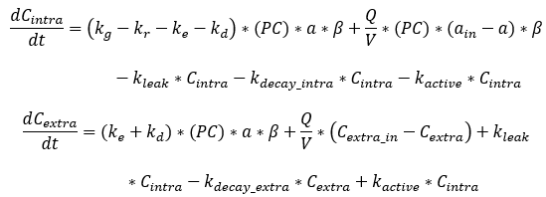
 |  |  |  | Go to Index of Sheets:
TOXINS | ALG1 | ALG2 | ALG3 | Index of Sheets'!A1
Toxin producer, ON or OFF
Microcystin producer, ON or OFF
Cylindrospermopsin producer, ON or OFF
Anatoxin-a producer, ON or OFF
Saxitoxin producer, ON or OFF
MICROCYSTIN
PC_MC, fraction of algae concentration producing MC
B_MC, ratio of intracellular toxin to dry weight biomass (mg toxin/mg DW)
KL_MC, leakage rate from cell
KDI_MC, internal decay
KA_MC, active release rate
KDED_MC, extracellular decay during the day
KDEN_MC, extracellular decay during the night |  |  |  |  | kg=growth
CYLINDROSPERMOPSIN |  |  |  |  | kr=respiration
PC_CYN, Fraction of algae concentration producing CYN |  |  |  |  | ke=excretion
B_CYN, ratio of intracellular toxin to dry weight biomass (mg toxin/mg DW) |  |  |  |  | kd=death
KL_CYN, leakage rate from cell |  |  |  |  | PC=fraction of algae concentration producing the toxin
KDI_CYN, internal decay |  |  |  |  | a=algae concentration
KA_CYN, active release rate |  |  |  |  | B (beta)=ratio of intracellular toxin to dry weight OM
KDED_CYN, extracellular decay during the day |  |  |  |  | kleak=intracellular toxin leakage from cell
KDEN_CYN, extracellular decay during the night |  |  |  |  | kdecay_intra=intracellular toxin decay
ANATOXIN-A |  |  |  |  | kactive=intracellular toxin active release from cell
PC_ATX, Fraction of algae concentration producing ATX |  |  |  |  | kdecay_extra=extracellular toxin decay
B_ATX, ratio of intracellular toxin to dry weight biomass (mg toxin/mg DW)
KL_ATX, leakage rate from cell
KDI_ATX, internal decay
KA_ATX, active release rate
KDED_ATX, extracellular decay during the day
KDEN_ATX, extracellular decay during the night
SAXITOXIN
PC_STX, Fraction of algae concentration producing STX
B_STX, ratio of intracellular toxin to dry weight biomass (mg toxin/mg DW)
KL_STX, leakage rate from cell
KDI_STX, internal decay
KA_STX, active release rate
KDED_STX, extracellular decay during the day
KDEN_STX, extracellular decay during the night

