低配置
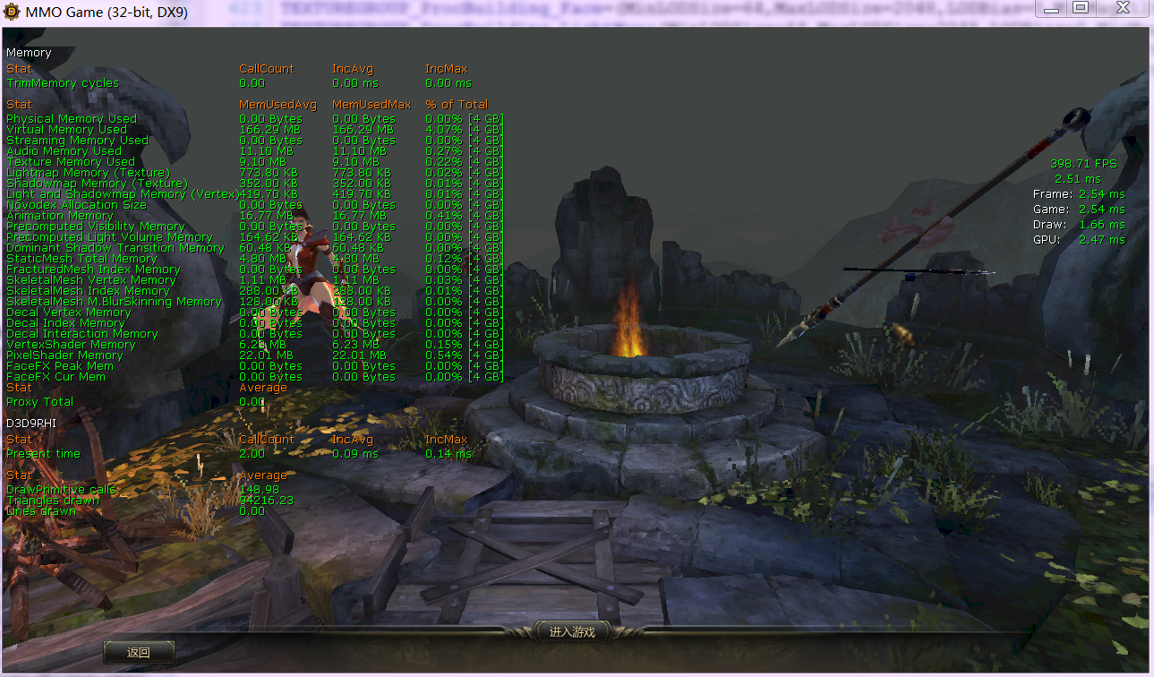
; level 1

;base
DetailMode=0
MaxDrawDistanceScale=0.5
SceneCaptureStreamingMultiplier=0.5

;decal
StaticDecals=false
DynamicDecals=false
UnbatchedDecals=false

;light
DynamicLights=false
CompositeDynamicLights=false
SHSecondaryLighting=false
DirectionalLightmaps=true
bAllowLightShafts=false

;shadow
DynamicShadows=false
LightEnvironmentShadows=false
bEnableForegroundShadowsOnWorld=false
bEnableForegroundSelfShadowing=false
bAllowWholeSceneDominantShadows=false
bUseConservativeShadowBounds=false
ShadowFilterQualityBias=2
MinShadowResolution=16
MinPreShadowResolution=16
MaxShadowResolution=32
MaxWholeSceneDominantShadowResolution=32
UnbuiltNumWholeSceneDynamicShadowCascades=2
WholeSceneShadowUnbuiltInteractionThreshold=25
ShadowFadeResolution=64
PreShadowFadeResolution=8
ShadowTexelsPerPixel=1.2
ShadowFilterRadius=1.2

;post process effect
MotionBlur=false
MotionBlurPause=false
DepthOfField=false
AmbientOcclusion=false
Bloom=false
Distortion=false
FilteredDistortion=false
DropParticleDistortion=false
LensFlares=false
AllowRadialBlur=false

;fog
FogVolumes=false

;mesh
SpeedTreeLeaves=false
SpeedTreeFronds=false
OnlyStreamInTextures=false
bForceCPUAccessToGPUSkinVerts=true
bDisableSkeletalInstanceWeights=true
SkeletalMeshLODBias=2

;particle
ParticleLODBias=2

;texture
TEXTUREGROUP_World=(MinLODSize=1,MaxLODSize=512,LODBias=2,MinMagFilter=point,MipFilter=point)
TEXTUREGROUP_WorldNormalMap=(MinLODSize=1,MaxLODSize=512,LODBias=3,MinMagFilter=point,MipFilter=point)
TEXTUREGROUP_WorldSpecular=(MinLODSize=1,MaxLODSize=512,LODBias=3,MinMagFilter=point,MipFilter=point)

TEXTUREGROUP_Character=(MinLODSize=1,MaxLODSize=512,LODBias=2,MinMagFilter=aniso,MipFilter=point)
TEXTUREGROUP_CharacterNormalMap=(MinLODSize=1,MaxLODSize=512,LODBias=2,MinMagFilter=aniso,MipFilter=point)
TEXTUREGROUP_CharacterSpecular=(MinLODSize=1,MaxLODSize=512,LODBias=2,MinMagFilter=aniso,MipFilter=point)

TEXTUREGROUP_Weapon=(MinLODSize=1,MaxLODSize=512,LODBias=2,MinMagFilter=aniso,MipFilter=point)
TEXTUREGROUP_WeaponNormalMap=(MinLODSize=1,MaxLODSize=512,LODBias=2,MinMagFilter=aniso,MipFilter=point)
TEXTUREGROUP_WeaponSpecular=(MinLODSize=1,MaxLODSize=512,LODBias=2,MinMagFilter=aniso,MipFilter=point)

TEXTUREGROUP_Effects=(MinLODSize=1,MaxLODSize=512,LODBias=2,MinMagFilter=linear,MipFilter=point)

TEXTUREGROUP_Skybox=(MinLODSize=1,MaxLODSize=1024,LODBias=2,MinMagFilter=point,MipFilter=point)
TEXTUREGROUP_UI=(MinLODSize=1,MaxLODSize=512,LODBias=2,MinMagFilter=point,MipFilter=point)
TEXTUREGROUP_Lightmap=(MinLODSize=1,MaxLODSize=512,LODBias=2,MinMagFilter=aniso,MipFilter=point)
TEXTUREGROUP_Shadowmap=(MinLODSize=1,MaxLODSize=512,LODBias=2,MinMagFilter=aniso,MipFilter=point,NumStreamedMips=3)
TEXTUREGROUP_RenderTarget=(MinLODSize=1,MaxLODSize=512,LODBias=2,MinMagFilter=aniso,MipFilter=point)
TEXTUREGROUP_ProcBuilding_Face=(MinLODSize=1,MaxLODSize=512,LODBias=2,MinMagFilter=aniso,MipFilter=point)
TEXTUREGROUP_ProcBuilding_LightMap=(MinLODSize=1,MaxLODSize=512,LODBias=2,MinMagFilter=aniso,MipFilter=point)
TEXTUREGROUP_Terrain_Heightmap=(MinLODSize=1,MaxLODSize=4096,LODBias=2,MinMagFilter=aniso,MipFilter=point)
TEXTUREGROUP_Terrain_Weightmap=(MinLODSize=1,MaxLODSize=4096,LODBias=2,MinMagFilter=aniso,MipFilter=point)
; fractured
NumFracturedPartsScale |  |  | 0
FractureDirectSpawnChanceScale | 0
FractureRadialSpawnChanceScale | 0
FractureCullDistanceScale |  | = 0.5f

;anis
MaxAnisotropy=0
MaxMultiSamples=1

中配置
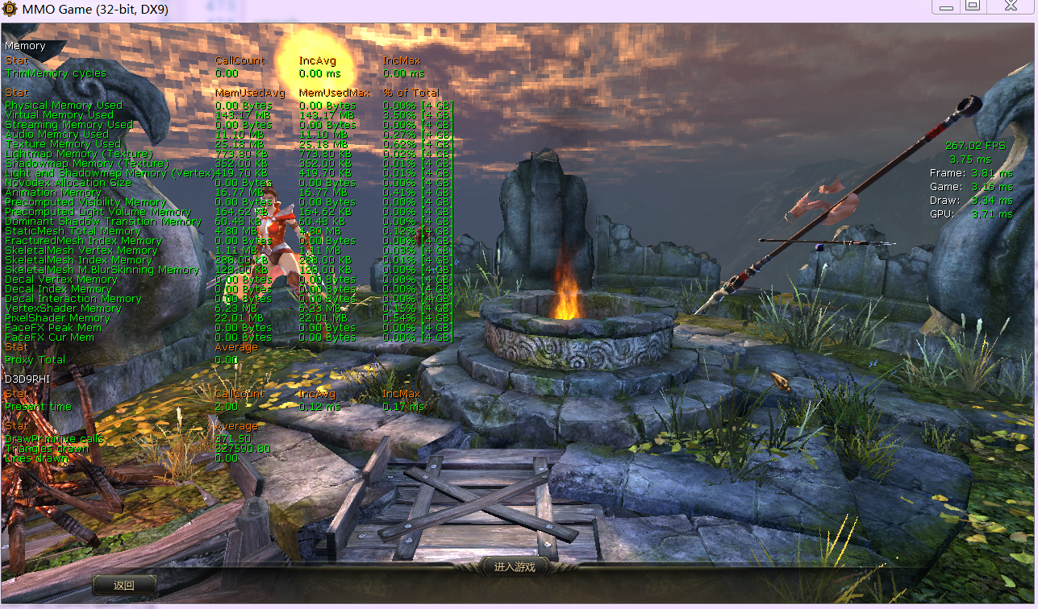
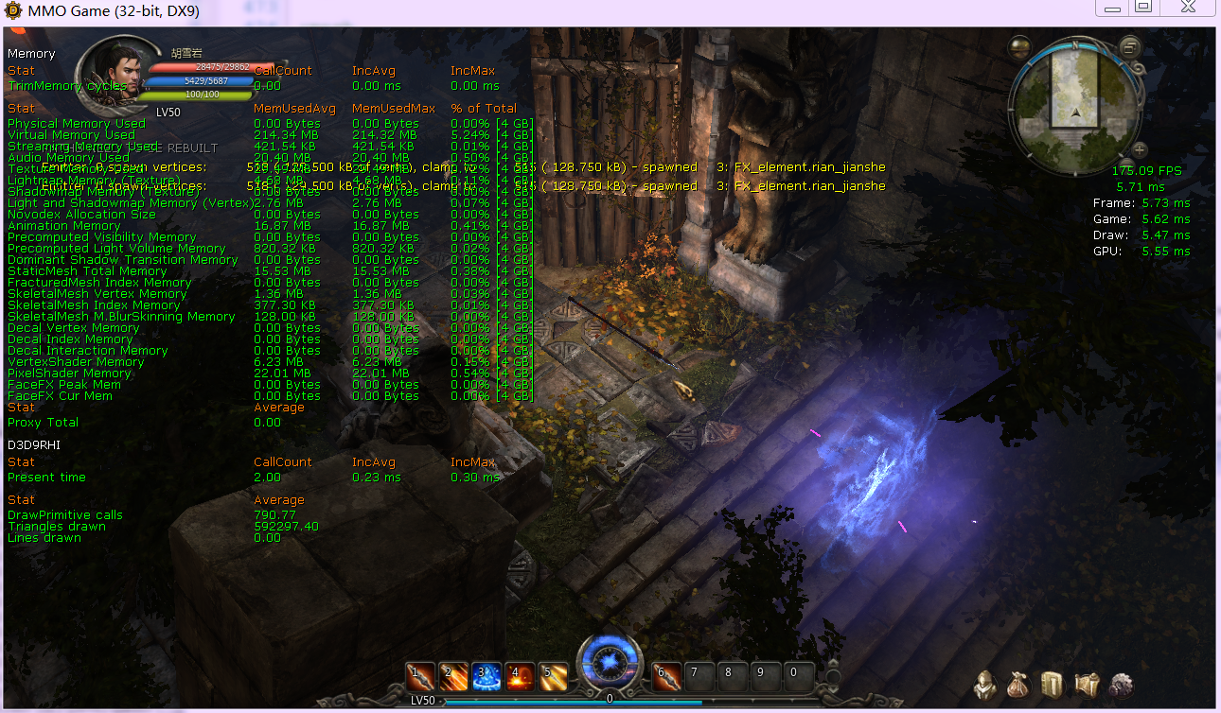
; level 3

;base
DetailMode=2
MaxDrawDistanceScale=1.0
SceneCaptureStreamingMultiplier=1.0

;decal
StaticDecals=true
DynamicDecals=true
UnbatchedDecals=true

;light
DynamicLights=true
CompositeDynamicLights=true
SHSecondaryLighting=true
DirectionalLightmaps=true
bAllowLightShafts=false

;shadow
DynamicShadows=true
LightEnvironmentShadows=true
bEnableForegroundShadowsOnWorld=true
bEnableForegroundSelfShadowing=true
bAllowWholeSceneDominantShadows=false
bUseConservativeShadowBounds=false
ShadowFilterQualityBias=1
MinShadowResolution=8
MinPreShadowResolution=8
MaxShadowResolution=128
MaxWholeSceneDominantShadowResolution=128
UnbuiltNumWholeSceneDynamicShadowCascades=4
WholeSceneShadowUnbuiltInteractionThreshold=25
ShadowFadeResolution=64
PreShadowFadeResolution=64
ShadowTexelsPerPixel=1.6
ShadowFilterRadius=1.6

;post process effect
MotionBlur=false
MotionBlurPause=false
DepthOfField=true
AmbientOcclusion=true
Bloom=true
Distortion=true
FilteredDistortion=true
DropParticleDistortion=true
LensFlares=true
AllowRadialBlur=true

;fog
FogVolumes=true

;mesh
SpeedTreeLeaves=true
SpeedTreeFronds=true
OnlyStreamInTextures=false
bForceCPUAccessToGPUSkinVerts=true
bDisableSkeletalInstanceWeights=true
SkeletalMeshLODBias=0

;particle
ParticleLODBias=0

;texture
TEXTUREGROUP_World=(MinLODSize=64,MaxLODSize=1024,LODBias=0,MinMagFilter=point,MipFilter=point)
TEXTUREGROUP_WorldNormalMap=(MinLODSize=64,MaxLODSize=512,LODBias=1,MinMagFilter=point,MipFilter=point)
TEXTUREGROUP_WorldSpecular=(MinLODSize=64,MaxLODSize=512,LODBias=1,MinMagFilter=point,MipFilter=point)

TEXTUREGROUP_Character=(MinLODSize=64,MaxLODSize=1024,LODBias=0,MinMagFilter=aniso,MipFilter=point)
TEXTUREGROUP_CharacterNormalMap=(MinLODSize=64,MaxLODSize=512,LODBias=0,MinMagFilter=aniso,MipFilter=point)
TEXTUREGROUP_CharacterSpecular=(MinLODSize=64,MaxLODSize=512,LODBias=1,MinMagFilter=aniso,MipFilter=point)

TEXTUREGROUP_Weapon=(MinLODSize=64,MaxLODSize=1024,LODBias=1,MinMagFilter=aniso,MipFilter=point)
TEXTUREGROUP_WeaponNormalMap=(MinLODSize=64,MaxLODSize=512,LODBias=1,MinMagFilter=aniso,MipFilter=point)
TEXTUREGROUP_WeaponSpecular=(MinLODSize=64,MaxLODSize=512,LODBias=1,MinMagFilter=aniso,MipFilter=point)

TEXTUREGROUP_Effects=(MinLODSize=64,MaxLODSize=1024,LODBias=1,MinMagFilter=linear,MipFilter=point)

TEXTUREGROUP_Skybox=(MinLODSize=64,MaxLODSize=2048,LODBias=1,MinMagFilter=point,MipFilter=point)
TEXTUREGROUP_UI=(MinLODSize=64,MaxLODSize=1024,LODBias=1,MinMagFilter=point,MipFilter=point)
TEXTUREGROUP_Lightmap=(MinLODSize=64,MaxLODSize=512,LODBias=1,MinMagFilter=aniso,MipFilter=point)
TEXTUREGROUP_Shadowmap=(MinLODSize=64,MaxLODSize=512,LODBias=1,MinMagFilter=aniso,MipFilter=point,NumStreamedMips=3)
TEXTUREGROUP_RenderTarget=(MinLODSize=64,MaxLODSize=512,LODBias=1,MinMagFilter=aniso,MipFilter=point)
TEXTUREGROUP_ProcBuilding_Face=(MinLODSize=64,MaxLODSize=512,LODBias=1,MinMagFilter=aniso,MipFilter=point)
TEXTUREGROUP_ProcBuilding_LightMap=(MinLODSize=64,MaxLODSize=512,LODBias=1,MinMagFilter=aniso,MipFilter=point)
TEXTUREGROUP_Terrain_Heightmap=(MinLODSize=64,MaxLODSize=1024,LODBias=1,MinMagFilter=aniso,MipFilter=point)
TEXTUREGROUP_Terrain_Weightmap=(MinLODSize=64,MaxLODSize=512,LODBias=1,MinMagFilter=aniso,MipFilter=point)
; fractured
NumFracturedPartsScale |  |  | 0.8
FractureDirectSpawnChanceScale | 0.8
FractureRadialSpawnChanceScale | 0.8
FractureCullDistanceScale |  | 0.8

;anis
MaxAnisotropy=1
MaxMultiSamples=4

高配置
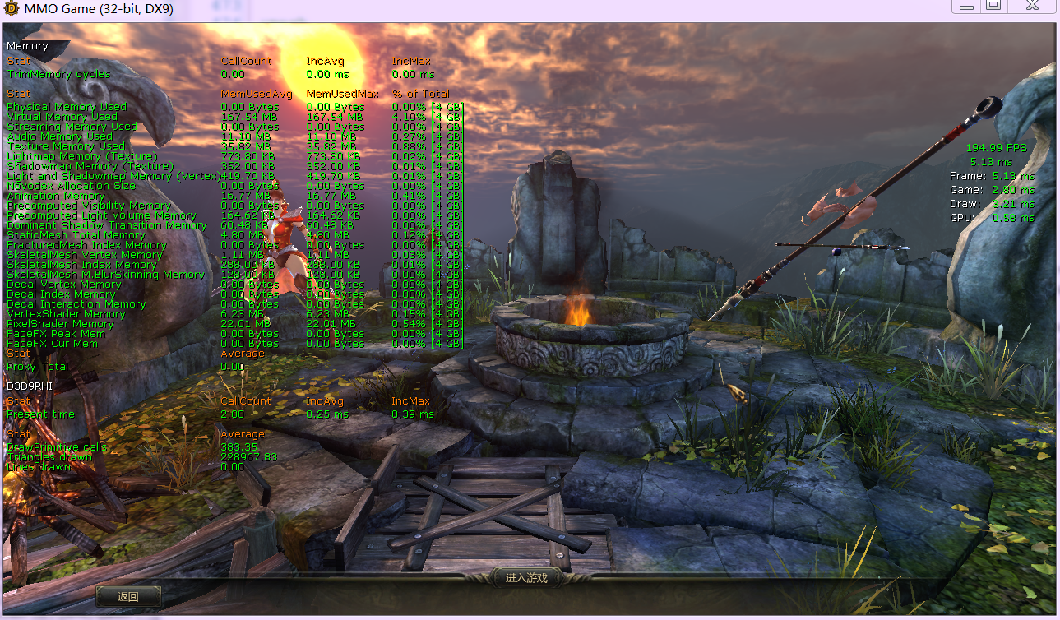
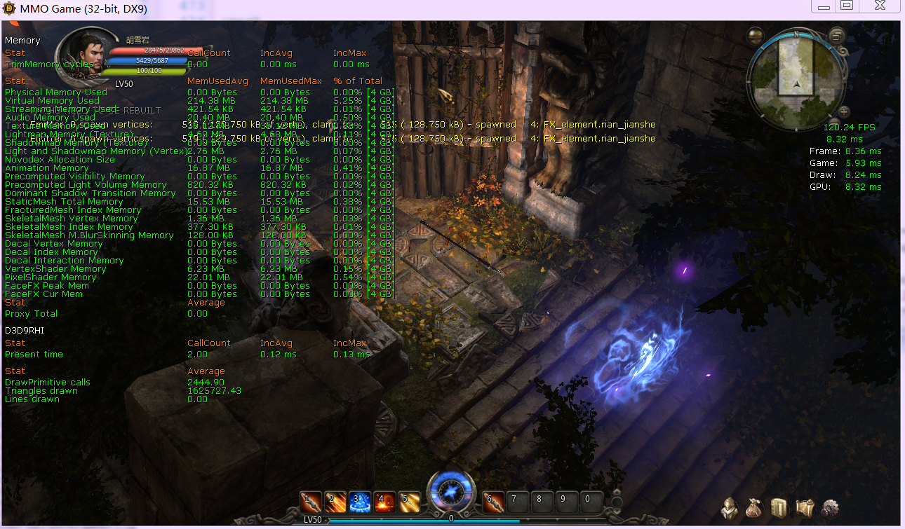
; level 5

;base
DetailMode=2
MaxDrawDistanceScale=1.5
SceneCaptureStreamingMultiplier=1.5

;decal
StaticDecals=true
DynamicDecals=true
UnbatchedDecals=true

;light
DynamicLights=true
CompositeDynamicLights=true
SHSecondaryLighting=true
DirectionalLightmaps=true
bAllowLightShafts=true

;shadow
DynamicShadows=true
LightEnvironmentShadows=true
bEnableForegroundShadowsOnWorld=true
bEnableForegroundSelfShadowing=true
bAllowWholeSceneDominantShadows=true
bUseConservativeShadowBounds=true
ShadowFilterQualityBias=0
MinShadowResolution=64
MinPreShadowResolution=64
MaxShadowResolution=512
MaxWholeSceneDominantShadowResolution=512
UnbuiltNumWholeSceneDynamicShadowCascades=16
WholeSceneShadowUnbuiltInteractionThreshold=25
ShadowFadeResolution=512
PreShadowFadeResolution=512
ShadowTexelsPerPixel=4.0
ShadowFilterRadius=4.0

;post process effect
MotionBlur=true
MotionBlurPause=true
DepthOfField=true
AmbientOcclusion=true
Bloom=true
Distortion=true
FilteredDistortion=true
DropParticleDistortion=true
LensFlares=true
AllowRadialBlur=true

;fog
FogVolumes=true

;mesh
SpeedTreeLeaves=true
SpeedTreeFronds=true
OnlyStreamInTextures=false
bForceCPUAccessToGPUSkinVerts=true
;bDisableSkeletalInstanceWeights=false
SkeletalMeshLODBias=0

;particle
ParticleLODBias=0

;texture
TEXTUREGROUP_World=(MinLODSize=64,MaxLODSize=2048,LODBias=0,MinMagFilter=aniso)
TEXTUREGROUP_WorldNormalMap=(MinLODSize=64,MaxLODSize=2048,LODBias=0,MinMagFilter=aniso)
TEXTUREGROUP_WorldSpecular=(MinLODSize=64,MaxLODSize=2048,LODBias=0,MinMagFilter=aniso)

TEXTUREGROUP_Character=(MinLODSize=64,MaxLODSize=2048,LODBias=0,MinMagFilter=aniso)
TEXTUREGROUP_CharacterNormalMap=(MinLODSize=64,MaxLODSize=2048,LODBias=0,MinMagFilter=aniso)
TEXTUREGROUP_CharacterSpecular=(MinLODSize=64,MaxLODSize=2048,LODBias=0,MinMagFilter=aniso)

TEXTUREGROUP_Weapon=(MinLODSize=64,MaxLODSize=2048,LODBias=0,MinMagFilter=aniso)
TEXTUREGROUP_WeaponNormalMap=(MinLODSize=64,MaxLODSize=2048,LODBias=0,MinMagFilter=aniso)
TEXTUREGROUP_WeaponSpecular=(MinLODSize=64,MaxLODSize=2048,LODBias=0,MinMagFilter=aniso)

TEXTUREGROUP_Effects=(MinLODSize=64,MaxLODSize=2048,LODBias=0,MinMagFilter=linear)

TEXTUREGROUP_Skybox=(MinLODSize=64,MaxLODSize=2048,LODBias=0,MinMagFilter=aniso)
TEXTUREGROUP_UI=(MinLODSize=64,MaxLODSize=4096,LODBias=0,MinMagFilter=aniso)
TEXTUREGROUP_Lightmap=(MinLODSize=64,MaxLODSize=2048,LODBias=0,MinMagFilter=aniso)
TEXTUREGROUP_Shadowmap=(MinLODSize=64,MaxLODSize=2048,LODBias=0,MinMagFilter=aniso,NumStreamedMips=3)
TEXTUREGROUP_RenderTarget=(MinLODSize=64,MaxLODSize=2048,LODBias=0,MinMagFilter=aniso)
TEXTUREGROUP_ProcBuilding_Face=(MinLODSize=64,MaxLODSize=2048,LODBias=0,MinMagFilter=aniso)
TEXTUREGROUP_ProcBuilding_LightMap=(MinLODSize=64,MaxLODSize=2048,LODBias=0,MinMagFilter=aniso)
TEXTUREGROUP_Terrain_Heightmap=(MinLODSize=64,MaxLODSize=4096,LODBias=0,MinMagFilter=aniso)
TEXTUREGROUP_Terrain_Weightmap=(MinLODSize=64,MaxLODSize=4096,LODBias=0,MinMagFilter=aniso)
; fractured
NumFracturedPartsScale |  |  | 2
FractureDirectSpawnChanceScale | 2
FractureRadialSpawnChanceScale | 2
FractureCullDistanceScale |  | 1.5

;anis
MaxAnisotropy=32
MaxMultiSamples=4

