Sheet1
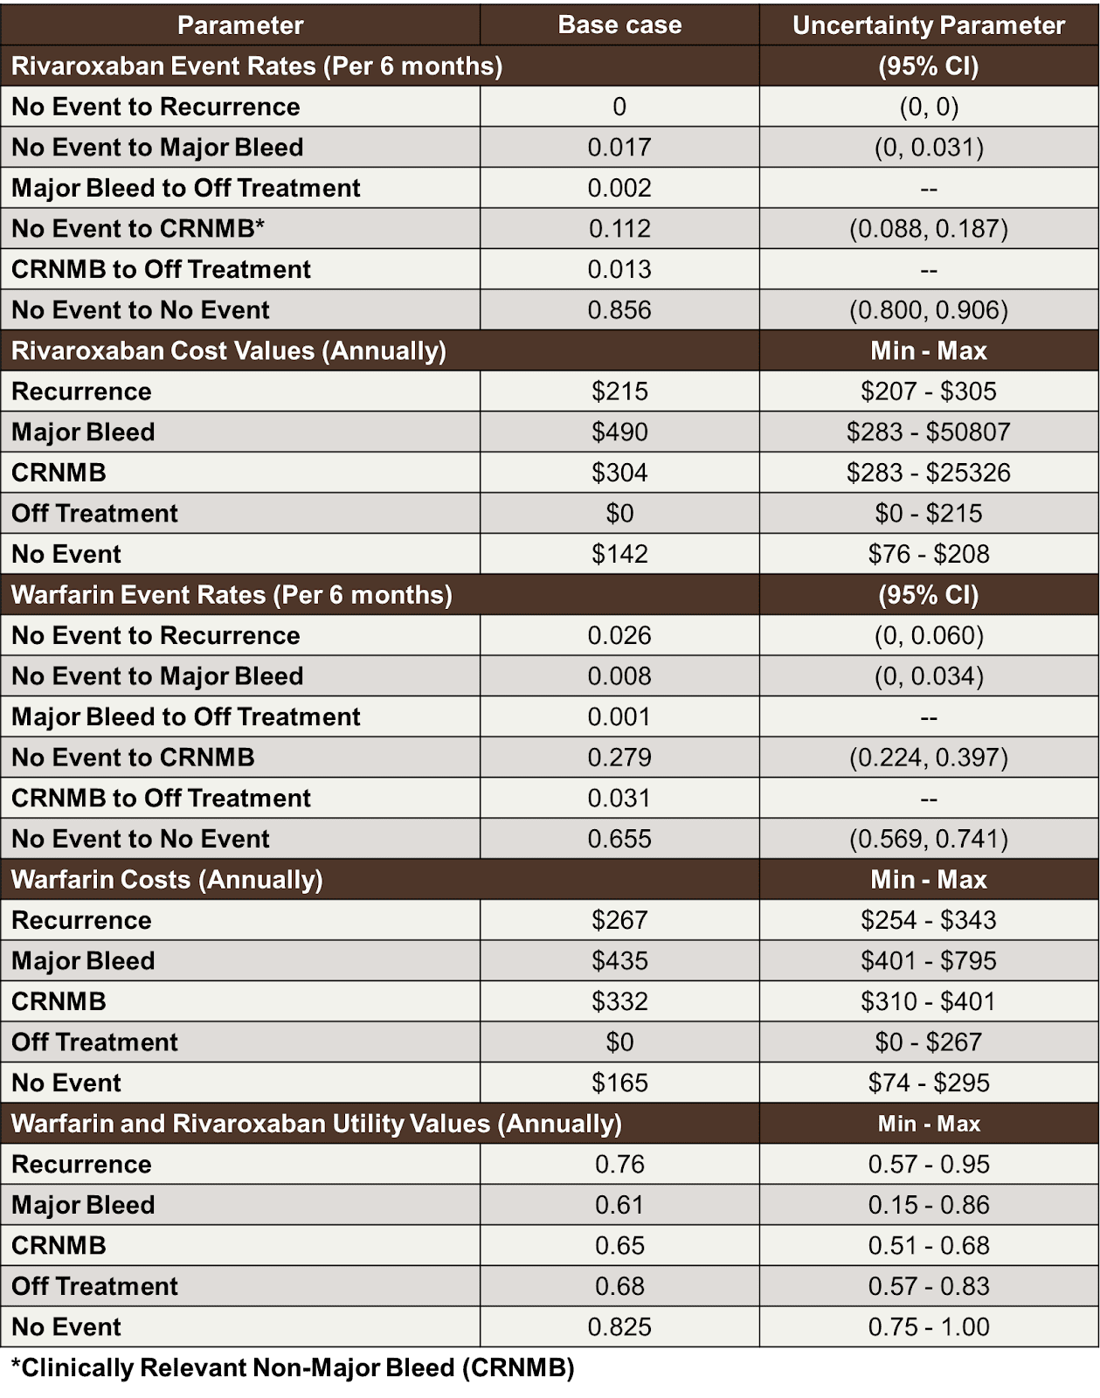
parameter | r name | base case | distribution
Rivaroxaban
Event rates (# of events per person-time)
- no event to recurrence | r.ne_vr
- no event to major bleed | r.ne_mb
- no event to nmb | r.ne_nmb
- no event to no event | r.ne_ne
- major bleed to off-treatment | r.mb_ot
- nmb to off-treatment | r.nmb_ot
Costs (costs per time)
- no event | c.ne | 142
- recurrence | c.vr | 215
- major bleed | c.mb | 490
- nmb | c.nmb | 304
- off-treatment | c.ot | 0
Utility
- no event | u.ne | 0.825
- recurrence | u.vr | 0.76
- major bleed | u.mb | 0.61
- nmb | u.nmb | 0.65
- off-treatment | u.ot | 0.59
Warfarin
Event rates (# of events per person-time)
- no event to recurrence | r.ne_vr
- no event to major bleed | r.ne_mb
- no event to nmb | r.ne_nmb
- no event to no event | r.ne_ne
- major bleed to off-treatment | r.mb_ot
- nmb to off-treatment | r.nmb_ot
Costs (costs per time)
- no event | c.ne | 165
- recurrence | c.vr | 267
- major bleed | c.mb | 435
- nmb | c.nmb | 332
- off-treatment | c.ot | 0
Utility
- no event | u.ne | 0.825
- recurrence | u.vr | 0.76
- major bleed | u.mb | 0.61
- nmb | u.nmb | 0.65
- off-treatment | u.ot | 0.59

