Sheet1
 | Experiment 1
 |  | Device Used: | default.qubit | DS=30% | Batch_size=128 | Epochs=5 | LR=0.01 |  |  |  | Device Used: | default.qubit | DS=30% | Batch_size=256 | Epochs=5 | LR=0.01

 |  |  | Iteration 1 | Iteration 2 | Iteration 3 | Iteration 4 | Iteration 5 | Average |  | Iteration 6 | Iteration 7 | Iteration 8 | Iteration 9 | Iteration 10 | Iteration 11 | Iteration 12 | Iteration 13 | Iteration 14 | Iteration 15 | Average

Classical | Dense(4, activation=tf,nn,relu, input_shape=(X_train,shape[1],)), | Accuracy | 0.99 | 0.99 | 0.98 | 0.99 | 0.99 | 98.8 |  | 0.99 | 0.98 | 0.98 | 0.98 | 0.99 | 0.98 | 0.99 | 0.98 | 0.98 | 0.98 | 98.3
 | Dense(2, activation=tf,nn,softmax) | Recall (1') | 0.92 | 0.89 | 0.89 | 0.95 | 0.91 | 91.2 |  | 0.88 | 0.87 | 0.84 | 0.83 | 0.9 | 0.83 | 0.91 | 0.89 | 0.89 | 0.84 | 86.8
 |  | F1(1's) | 0.95 | 0.92 | 0.9 | 0.93 | 0.93 | 92.6 |  | 0.93 | 0.91 | 0.88 | 0.88 | 0.93 | 0.88 | 0.94 | 0.91 | 0.91 | 0.88 | 90.5

 | VS

Quantum | Dense(4, activation=tf,nn,relu, input_shape=(X_train,shape[1],)), | Accuracy | 0.97 | 0.99 | 0.99 | 0.99 | 0.98 | 98.4 |  | 0.99 | 0.99 | 0.99 | 0.99 | 0.99 | 0.98 | 0.99 | 0.99 | 0.99 | 0.99 | 98.9
 | qlayer, | Recall (1') | 0.98 | 0.88 | 0.92 | 0.97 | 0.85 | 92 |  | 0.88 | 0.96 | 0.9 | 0.91 | 0.92 | 0.89 | 0.94 | 0.86 | 0.92 | 0.91 | 90.9
 | Dense(2, activation=tf,nn,softmax) | F1(1's) | 0.87 | 0.92 | 0.93 | 0.93 | 0.91 | 91.2 |  | 0.92 | 0.93 | 0.93 | 0.93 | 0.94 | 0.91 | 0.93 | 0.91 | 0.93 | 0.94 | 92.7

 | Experiment 2
 |  | Device Used: | default.qubit | DS=30% | Epochs = 5 | Batch_size=256 | LR=0.01

 |  |  | Iteration 1 | Iteration 2 | Iteration 3 | Iteration 4 | Iteration 5 | Iteration 6 | Iteration 7 | Iteration 8 | Iteration 9 | Iteration 10 | Average

Classical | Dense(4, activation=tf,nn,relu, input_shape=(X_train,shape[1],)), | Accuracy | 0.99 | 0.98 | 0.99 | 0.99 | 0.99 | 0.99 | 0.99 | 0.99 | 0.99 | 0.98 | 98.8
 | Dense(2, activation=tf,nn,softmax) | Recall (1') | 0.88 | 0.83 | 0.88 | 0.92 | 0.95 | 0.9 | 0.91 | 0.88 | 0.92 | 0.82 | 88.9
 |  | F1(1's) | 0.92 | 0.89 | 0.92 | 0.94 | 0.94 | 0.92 | 0.93 | 0.93 | 0.94 | 0.87 | 92

 | VS

Quantum | Dense(4, activation=tf,nn,relu, input_shape=(X_train,shape[1],)), | Accuracy | 0.99 | 0.98 | 0.99 | 0.99 | 0.99 | 0.99 | 0.98 | 0.99 | 0.99 | 0.99 | 98.8
 | qlayer, | Recall (1') | 0.9 | 0.92 | 0.86 | 0.87 | 0.89 | 0.91 | 0.85 | 0.93 | 0.93 | 0.9 | 89.6
 | Dense(2, activation=tf,nn,softmax) | F1(1's) | 0.93 | 0.9 | 0.92 | 0.92 | 0.92 | 0.94 | 0.9 | 0.94 | 0.95 | 0.92 | 92.4

 | Experiment 4 FULL DATASET
 |  | Device Used: | default.qubit | DS=100% | Batch_size=512 | epochs=3 | LR=0.01

 |  |  | Iteration 1 | Iteration 2 | Iteration 3 | Iteration 4 | Iteration 5 | Average

Classical | Dense(4, activation=tf,nn,relu, input_shape=(X_train,shape[1],)), | Accuracy | 0.983 | 0.989 | 0.985 | 0.99 | 0.988 | 98.7
 | Dense(2, activation=tf,nn,softmax) | Recall (1') | 0.844 | 0.942 | 0.885 | 0.934 | 0.908 | 90.26
 |  | F1(1's) | 0.9 | 0.941 | 0.918 | 0.946 | 0.935 | 92.8

 | VS

Quantum | Dense(4, activation=tf,nn,relu, input_shape=(X_train,shape[1],)), | Accuracy | 0.984 | 0.983 | 0.989 | 0.99 | 0.988 | 98.68
 | qlayer, | Recall (1') | 0.853 | 0.855 | 0.912 | 0.88 | 0.944 | 88.88
 | Dense(2, activation=tf,nn,softmax) | F1(1's) | 0.91 | 0.903 | 0.94 | 0.93 | 0.936 | 92.38

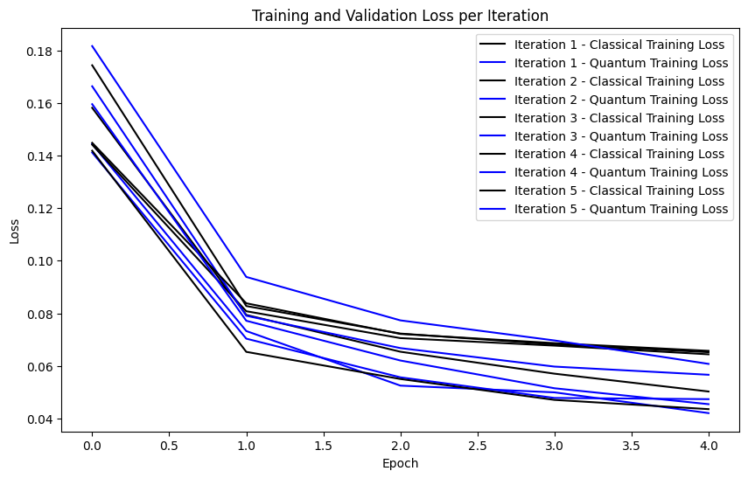
 | Experiment 3
 |  | Device Used: | default.qubit | DS=100% | Batch_size=256 | epochs=5 | LR=0.01

 |  |  | Iteration 1 | Iteration 2 | Iteration 3 | Iteration 4 | Iteration 5 | Average

Classical | Dense(4, activation=tf,nn,relu, input_shape=(X_train,shape[1],)), | Accuracy | 0.98 | 0.98 | 0.98 | 0.98 | 0.98 | 98
 | Dense(2, activation=tf,nn,softmax) | Recall (1') | 0.88 | 0.77 | 0.84 | 0.79 | 0.86 | 82.8
 |  | F1(1's) | 0.91 | 0.86 | 0.87 | 0.86 | 0.91 | 88.2

 | VS

Quantum | Dense(4, activation=tf,nn,relu, input_shape=(X_train,shape[1],)), | Accuracy | 0.98 | 0.98 | 0.98 | 0.99 | 0.98 | 98.2
 | qlayer_long, | Recall (1') | 0.8 | 0.88 | 0.88 | 0.9 | 0.87 | 86.6
 | Dense(2, activation=tf,nn,softmax) | F1(1's) | 0.88 | 0.91 | 0.91 | 0.92 | 0.9 | 90.4

 | Experiment 4a FULL DATASET
 |  | Device Used: | default.qubit | DS=100% | Batch_size=512 | epochs=3 | LR=0.01

 |  |  | Iteration 1 | Iteration 2 | Iteration 3 | Iteration 4 | Iteration 5 | Average

Classical | Dense(4, activation=tf,nn,relu, input_shape=(X_train,shape[1],)), | Accuracy | 0.987 | 0.982 | 0.986 | 0.976 | 0.987 | 98.36
 | Dense(2, activation=tf,nn,softmax) | Recall (1') | 0.901 | 0.861 | 0.897 | 0.807 | 0.9 | 87.32
 |  | F1(1's) | 0.928 | 0.901 | 0.925 | 0.861 | 0.929 | 90.88

 | VS

Quantum | Dense(4, activation=tf,nn,relu, input_shape=(X_train,shape[1],)), | Accuracy | 0.989 | 0.987 | 0.985 | 0.985 | 0.987 | 98.66
 | qlayer_long, | Recall (1') | 0.951 | 0.911 | 0.897 | 0.853 | 0.9 | 90.24
 | Dense(2, activation=tf,nn,softmax) | F1(1's) | 0.94 | 0.932 | 0.919 | 0.915 | 0.93 | 92.72

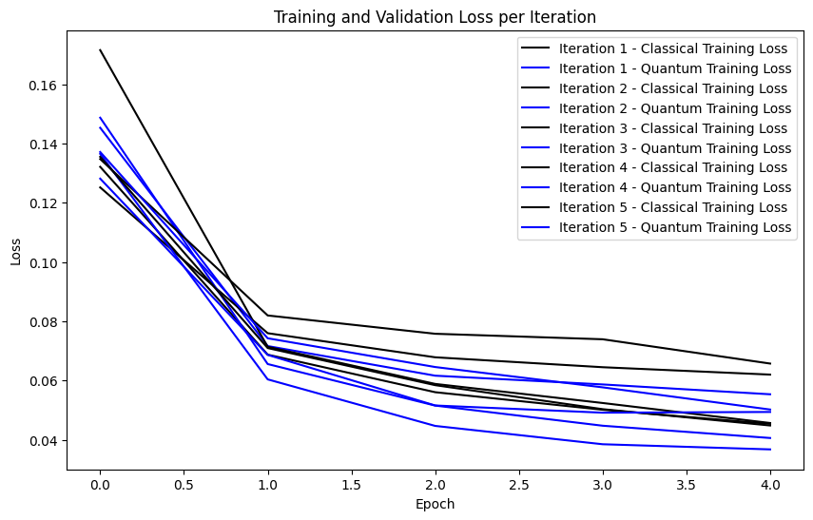
 | Experiment 5
 |  | Device Used: | default.qubit | DS=10% | Batch_size=256 | epochs=5 | LR=0.01

 |  |  | Iteration 1 | Iteration 2 | Iteration 3 | Iteration 4 | Iteration 5 | Average

Classical | Dense(4, activation=tf,nn,relu, input_shape=(X_train,shape[1],)), | Accuracy | 0.98 | 0.98 | 0.99 | 0.99 | 0.98 | 98.4
 | Dense(2, activation=tf,nn,softmax) | Recall (1') | 0.87 | 0.82 | 0.88 | 0.88 | 0.8 | 85
 |  | F1(1's) | 0.91 | 0.87 | 0.91 | 0.91 | 0.86 | 89.2

 | VS

Quantum | Dense(4, activation=tf,nn,relu, input_shape=(X_train,shape[1],)), | Accuracy | 0.98 | 0.99 | 0.99 | 0.99 | 0.98 | 98.6
 | qlayer_long, | Recall (1') | 0.85 | 0.91 | 0.9 | 0.9 | 0.88 | 88.8
 | Dense(2, activation=tf,nn,softmax) | F1(1's) | 0.89 | 0.94 | 0.93 | 0.92 | 0.91 | 91.8

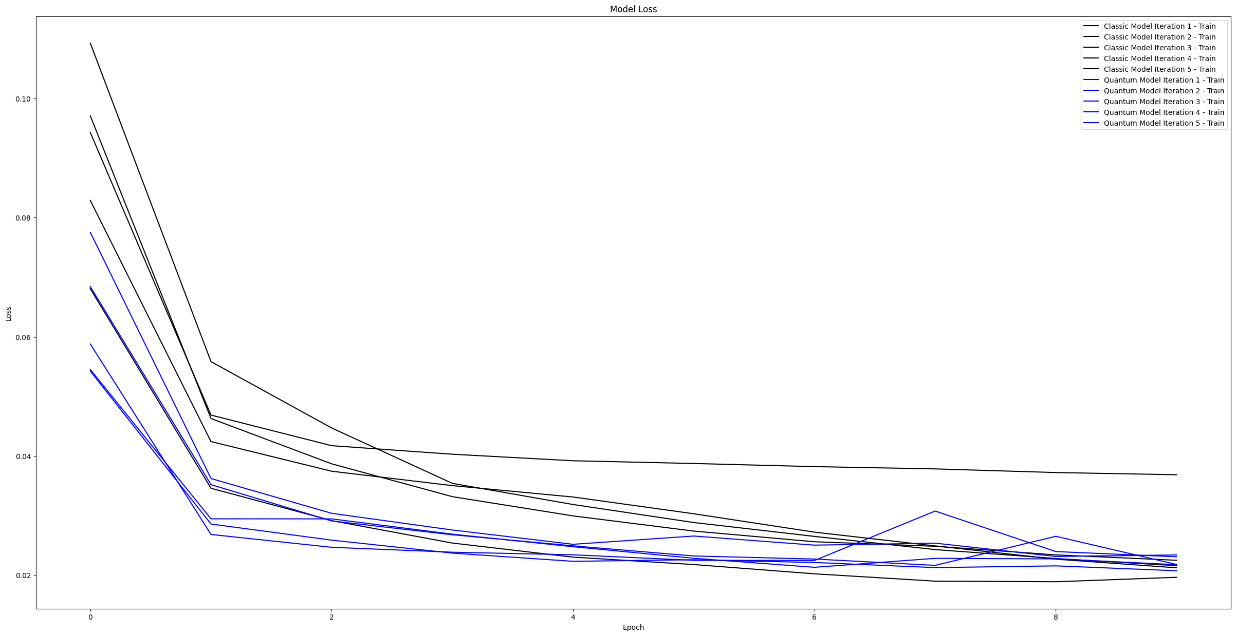
 | Experiment 6
 |  | Device Used: | default.qubit | DS=100% | Batch_size=256 | epochs=10 | LR=0.01

 | 3 |  | Iteration 1 | Iteration 2 | Iteration 3 | Iteration 4 | Iteration 5 | Average

Classical | Dense(4, activation=tf,nn,relu, input_shape=(X_train,shape[1],)), | Accuracy | 0.99 | 0.99 | 0.99 | 0.99 | 0.99 | 99
 | Dense(2, activation=tf,nn,softmax) | Recall (1') | 0.95 | 0.97 | 0.88 | 0.92 | 0.94 | 93.2
 |  | F1(1's) | 0.96 | 0.97 | 0.93 | 0.94 | 0.96 | 95.2

 | VS

Quantum | Dense(4, activation=tf,nn,relu, input_shape=(X_train,shape[1],)), | Accuracy | 0.99 | 0.98 | 0.97 | 0.99 | 0.99 | 98.4
 | qlayer_long, | Recall (1') | 0.96 | 0.84 | 0.99 | 0.97 | 0.97 | 94.6
 | Dense(2, activation=tf,nn,softmax) | F1(1's) | 0.96 | 0.9 | 0.87 | 0.97 | 0.96 | 93.2

 | Experiment 7
 |  | Device Used: | default.qubit | DS=30% | Batch_size=256 | epochs=10 | LR=0.01

 |  |  | Iteration 1 | Iteration 2 | Iteration 3 | Iteration 4 | Iteration 5 | Average

Classical | Dense(4, activation=tf,nn,relu, input_shape=(X_train,shape[1],)), | Accuracy | 0.992 | 0.985 | 0.985 | 0.988 | 0.992 | 98.84
 | Dense(2, activation=tf,nn,softmax) | Recall (1') | 0.962 | 0.902 | 0.87 | 0.883 | 0.972 | 91.78
 |  | F1(1's) | 0.96 | 0.95 | 0.91 | 0.91 | 0.95 | 93.6

 | VS

Quantum | Dense(4, activation=tf,nn,relu, input_shape=(X_train,shape[1],)), | Accuracy | 0.992 | 0.992 | 0.987 | 0.985 | 0.992 | 98.96
 | qlayer_long, | Recall (1') | 0.99 | 0.975 | 0.87 | 0.9 | 0.96 | 93.9
 | Dense(2, activation=tf,nn,softmax) | F1(1's) | 0.962 | 0.96 | 0.921 | 0.92 | 0.96 | 94.46

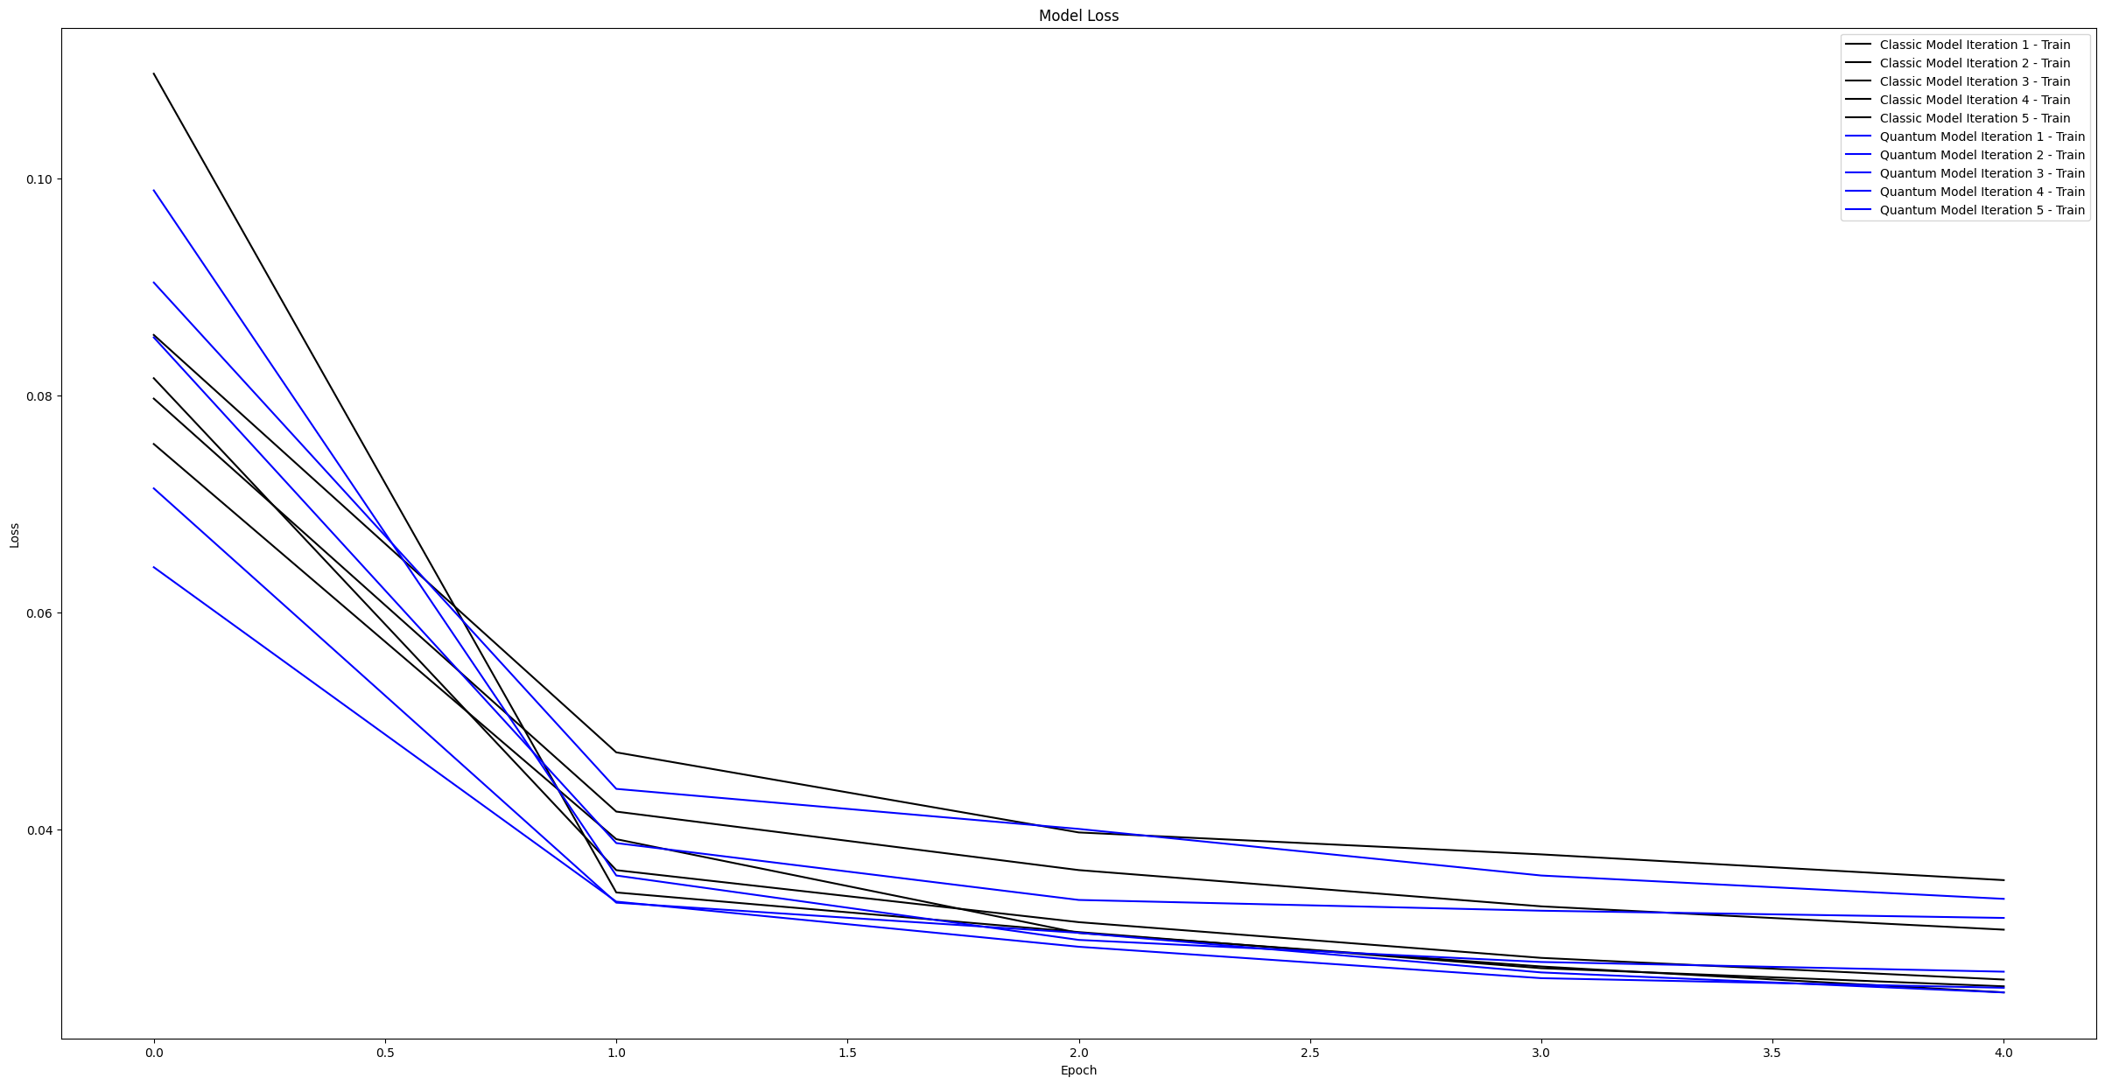
 | Experiment 8
 |  | Device Used: | default.qubit | DS=30% | Batch_size=256 | epochs=10 | LR=0.01

 |  |  | Iteration 1 | Iteration 2 | Iteration 3 | Iteration 4 | Iteration 5 | Average

Classical | Dense(8, activation=tf.nn.relu, input_shape=(X_train.shape[1],)), | Accuracy | 0.99 | 0.992 | 0.989 | 0.993 | 0.987 | 99.02
 | Dense(4, activation=tf.nn.relu), | Recall (1') | 0.908 | 0.957 | 0.919 | 0.96 | 0.985 | 94.58
 | Dense(2, activation=tf.nn.softmax) | F1(1's) | 0.944 | 0.95 | 0.94 | 0.96 | 0.93 | 94.48

 | VS

Quantum
 | Dense(8, activation=tf.nn.relu, input_shape=(X_train.shape[1],)), | Accuracy | 0.99 | 0.993 | 0.992 | 0.989 | 0.989 | 99.06
 | Dense(4, activation=tf.nn.relu), | Recall (1') | 0.943 | 0.966 | 0.936 | 0.98 | 0.926 | 95.02
 | qlayer_long, | F1(1's) | 0.944 | 0.957 | 0.954 | 0.943 | 0.94 | 94.76
 | Dense(2, activation=tf.nn.softmax)

 | Experiment 9 NOISY
 |  | Device Used: | default.mixed | DS=1% | Batch_size=64 | epochs=5 | LR=0.01

 | 3 |  | Iteration 1 | Iteration 2 | Iteration 3 | Average

Classical | Dense(4, activation=tf,nn,relu, input_shape=(X_train,shape[1],)), | Accuracy | 0.983 | 0.982 | 0.981 | 98.2
 | Dense(2, activation=tf,nn,softmax) | Recall (1') | 0.826 | 0.833 | 0.787 | 81.533333333
 |  | F1(1's) | 0.892 | 0.89 | 0.874 | 88.533333333

 | VS

Quantum | Dense(4, activation=tf,nn,relu, input_shape=(X_train,shape[1],)), | Accuracy | 0.98 | 0.98 | 0.98 | 98
 | qlayer_long, | Recall (1') | 0.86 | 0.85 | 0.79 | 83.333333333
 | Dense(2, activation=tf,nn,softmax) | F1(1's) | 0.9 | 0.9 | 0.88 | 89.333333333

Sheet2
