Duration Meter
Day | Topic | Date | Duration(Text concat) HH/MM | Duration(numbers) - Minutes | Precentage of total time | Total time(minutes) |  | Categories | Count | Precentages
1 | HTML CSS | 24/1/18 | 0200 | 120.00 | 40.00% | 300 |  |  | 0 | #DIV/0!
2 | HTML CSS | 27/1/18 | 0100 | 60.00 | 20.00% | Total time(Hours) |  |  | 0 | #DIV/0!
3 | HTML CSS | 2018-07-02 | 0200 | 120.00 | 40.00% | 5 |  |  | 0 | #DIV/0!
4 |  |  |  |  | 0.00% |  |  |  | 0 | #DIV/0!
5 |  |  |  |  | 0.00% |  |  |  | 0 | #DIV/0!
6 |  |  |  |  | 0.00%
Precentage of total time
 | Precentage of total time
24/1/18 | 40.00%
27/1/18 | 20.00%
7/2/2018 | 40.00%
 | 0.00%
 | 0.00%
 | 0.00%
 | 0.00%
 | 0.00%
 | 0.00%
 | 0.00%
 | 0.00%
 | 0.00%
 | 0.00%
 | 0.00%
 | 0.00%
 | 0.00%
 | 0.00%
 | 0.00%
 | 0.00%
 | 0.00%
 | 0.00%
 | 0.00%
 | 0.00%
 | 0.00%
 | 0.00%
 | 0.00%
 | 0.00%
 | 0.00%
 | 0.00%
 | 0.00%
 | 0.00%
 | 0.00%
 | 0.00%
 | 0.00%
 | 0.00%
 | 0.00%
 | 0.00%
 | 0.00%
 | 0.00%
 | 0.00%
 | 0.00%
 | 0.00%
 | 0.00%
 | 0.00%
 | 0.00%
7 |  |  |  |  | 0.00%
Precentages
8 |  |  |  |  | 0.00%
9 |  |  |  |  | 0.00%
10 |  |  |  |  | 0.00%
11 |  |  |  |  | 0.00%
12 |  |  |  |  | 0.00%
13 |  |  |  |  | 0.00%
14 |  |  |  |  | 0.00%
15 |  |  |  |  | 0.00%
16 |  |  |  |  | 0.00%
17 |  |  |  |  | 0.00%
18 |  |  |  |  | 0.00%
19 |  |  |  |  | 0.00%
20 |  |  |  |  | 0.00%
21 |  |  |  |  | 0.00%
22 |  |  |  |  | 0.00%
23 |  |  |  |  | 0.00%
24 |  |  |  |  | 0.00%
25 |  |  |  |  | 0.00%
26 |  |  |  |  | 0.00%
27 |  |  |  |  | 0.00%
28 |  |  |  |  | 0.00%
29 |  |  |  |  | 0.00%
30 |  |  |  |  | 0.00%
31 |  |  |  |  | 0.00%
32 |  |  |  |  | 0.00% |  | Simple Linear Regression | n | ∑x | ∑x² | ∑y | ∑y² | ∑xy
33 |  |  |  |  | 0.00% |  |  | Observation (Count) | Days (Sum) | Days squared (Sum) | Minutes (Sum) | Minutes squared (Sum) | Days dot Minutes (Sum)
34 |  |  |  |  | 0.00% |  |  | 45 | 1035 | 1156 | 1 | 1 | 1035
slope=(𝑛(∑▒𝑥𝑦)−(∑▒〖𝑥)(∑▒𝑦)〗)/(𝑛(∑▒〖𝑥^2) −〖(∑▒〖𝑥)〗〗^2 〗)
35 |  |  |  |  | 0.00%
36 |  |  |  |  | 0.00% |  | Slope | -0.04468188441
𝑐𝑜𝑛𝑠𝑡=((∑▒〖𝑦)(∑▒〖𝑥^2)−〗〗(∑▒〖𝑥)(∑▒𝑥𝑦)〗)/(𝑛(∑▒〖𝑥^2) −〖(∑▒〖𝑥)〗〗^2 〗)
37 |  |  |  |  | 0.00% |  | Constant | 1.0499055637
38 |  |  |  |  | 0.00% |  | Equation
39 |  |  |  |  | 0.00%
40 |  |  |  |  | 0.00%
41 |  |  |  |  | 0.00%
42 |  |  |  |  | 0.00%
43 |  |  |  |  | 0.00%
44 |  |  |  |  | 0.00%
45 |  |  |  |  | 0.00%

CSS
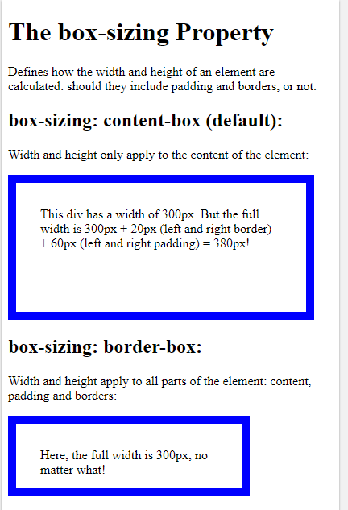
Style |  |  |  | Box Model
 |  |  |  | Allow to define space between elements & any border
Progress Information | HTML - Cascading Style Sheets |  |  | Examples | Box Sizing - Set the Height + Width of a box | Set height width
 | Description | Command syntax | Solution - Link | <h> <p> | Block elements - uses the full width of the browser and force linebreaks | 1
 | Attributes to an HTML |  |  | <img> <link> <strong> | Inline elements | 0
 | Can be used multiple times on a css file | .nameOfattribute{ }
 | can only be used one time on each html file | #nameOfattribute{ }
 | Asterisk - assign a rule to all elements in css | * {}
 | CSS - Box Model
 | set the margin | margin: NUMpx;
 | set the padding | padding: NUMpx;

