Duration Meter
Day | Topic | Date | Duration(Text concat) HH/MM | Duration(numbers) - Minutes | Precentage of total time | Total time(minutes) |  | Categories | Count | Precentages
1 | HTML CSS | 24/1/18 | 0200 | 120.00 | 8.89% | 1350 |  | HTML CSS | 10 | 100%
2 | HTML CSS | 27/1/18 | 0100 | 60.00 | 4.44% | Total time(Hours) |  |  | 0 | 0%
3 | HTML CSS | 2018-07-02 | 0200 | 120.00 | 8.89% | 22.5 |  |  | 0 | 0%
4 | HTML CSS | 2018-11-02 | 0300 | 180.00 | 13.33% |  |  |  | 0 | 0%
5 | HTML CSS | 29/2/2018 | 0200 | 120.00 | 8.89% |  |  |  | 0 | 0%
6 | HTML CSS | 5/3/2018 | 0200 | 120.00 | 8.89%
Precentage of total time
 | Precentage of total time
24/1/18 | 8.89%
27/1/18 | 4.44%
7/2/2018 | 8.89%
11/2/2018 | 13.33%
29/2/2018 | 8.89%
5/3/2018 | 8.89%
5/3/2019 | 8.89%
11/3/2020 | 20.00%
12/3/2019 | 8.89%
12/3/2020 | 8.89%
 | 0.00%
 | 0.00%
 | 0.00%
 | 0.00%
 | 0.00%
 | 0.00%
 | 0.00%
 | 0.00%
 | 0.00%
 | 0.00%
 | 0.00%
 | 0.00%
 | 0.00%
 | 0.00%
 | 0.00%
 | 0.00%
 | 0.00%
 | 0.00%
 | 0.00%
 | 0.00%
 | 0.00%
 | 0.00%
 | 0.00%
 | 0.00%
 | 0.00%
 | 0.00%
 | 0.00%
 | 0.00%
 | 0.00%
 | 0.00%
 | 0.00%
 | 0.00%
 | 0.00%
 | 0.00%
 | 0.00%
7 | HTML CSS | 5/3/2019 | 0200 | 120.00 | 8.89%
Precentages
8 | HTML CSS | 11/3/2020 | 0430 | 270.00 | 20.00%
9 | HTML CSS | 12/3/2019 | 0200 | 120.00 | 8.89%
10 | HTML CSS | 12/3/2020 | 0200 | 120.00 | 8.89%
11 |  |  |  |  | 0.00%
12 |  |  |  |  | 0.00%
13 |  |  |  |  | 0.00%
14 |  |  |  |  | 0.00%
15 |  |  |  |  | 0.00%
16 |  |  |  |  | 0.00%
17 |  |  |  |  | 0.00%
18 |  |  |  |  | 0.00%
19 |  |  |  |  | 0.00%
20 |  |  |  |  | 0.00%
21 |  |  |  |  | 0.00%
22 |  |  |  |  | 0.00%
23 |  |  |  |  | 0.00%
24 |  |  |  |  | 0.00%
25 |  |  |  |  | 0.00%
26 |  |  |  |  | 0.00%
27 |  |  |  |  | 0.00%
28 |  |  |  |  | 0.00%
29 |  |  |  |  | 0.00%
30 |  |  |  |  | 0.00%
31 |  |  |  |  | 0.00%
32 |  |  |  |  | 0.00% |  | Simple Linear Regression | n | ∑x | ∑x² | ∑y | ∑y² | ∑xy
33 |  |  |  |  | 0.00% |  |  | Observation (Count) | Days (Sum) | Days squared (Sum) | Minutes (Sum) | Minutes squared (Sum) | Days dot Minutes (Sum)
34 |  |  |  |  | 0.00% |  |  | 45 | 1035 | 1156 | 1 | 1 | 1035
slope=(𝑛(∑▒𝑥𝑦)−(∑▒〖𝑥)(∑▒𝑦)〗)/(𝑛(∑▒〖𝑥^2) −〖(∑▒〖𝑥)〗〗^2 〗)
35 |  |  |  |  | 0.00%
36 |  |  |  |  | 0.00% |  | Slope | -0.04468188441
𝑐𝑜𝑛𝑠𝑡=((∑▒〖𝑦)(∑▒〖𝑥^2)−〗〗(∑▒〖𝑥)(∑▒𝑥𝑦)〗)/(𝑛(∑▒〖𝑥^2) −〖(∑▒〖𝑥)〗〗^2 〗)
37 |  |  |  |  | 0.00% |  | Constant | 1.0499055637
38 |  |  |  |  | 0.00% |  | Equation
39 |  |  |  |  | 0.00%
40 |  |  |  |  | 0.00%
41 |  |  |  |  | 0.00%
42 |  |  |  |  | 0.00%
43 |  |  |  |  | 0.00%
44 |  |  |  |  | 0.00%
45 |  |  |  |  | 0.00%

CSS
Style |  |  |  |  |  |  | Box Model
 | CSS Selectors can select all / part of the selection |  |  |  |  |  | Allow to define space between elements & any border
Progress Information | CSS - Cascading Style Sheets | CSS Selectors LINK | Links |  |  |  | Examples | Box Sizing - Set the Height + Width of a box | Set height width
 | Description | Command syntax |  |  |  |  | <h> <p> | Block elements - uses the full width of the browser and force linebreaks | 1
 | Attributes to an HTML |  |  |  |  |  | <img> <link> <strong> | Inline elements | 0
 | Can be used multiple times on a css file | .nameOfattribute{ }
 | can only be used one time on each html file | #nameOfattribute{ }
 | Asterisk - assign a rule to all elements in css | * {}
 | CSS - Box Model |  |  | Order Clock wise
 | set the margin | margin: top right bottom left |  | Top -> right -> bottom -> left
 | set the margin | margin: NUMpx; |  | > | Top | >
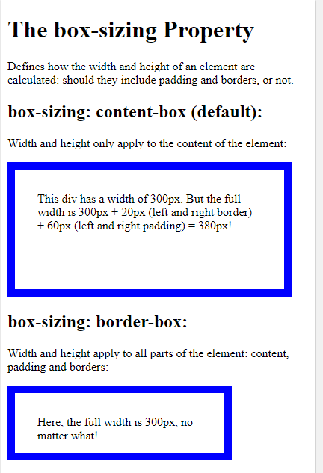
 |  | width: 1140px; |  | Left | Margin Box | Right
context element | adjusted automatically according to the container width from the left & the context element | margin-left: auto; |  | < | Bottom | <
(browser,screen..) | adjusted automatically according to the container width from the right & the context element | margin-right: auto;
 | set the padding | padding: NUMpx;
 | Make an element float in the assigned location | floatL: left/right;
 | Do not allow floating elements on the left or the right side of a specified element can be a <div> <p> … | clear: both; inside a class https://css-tricks.com/snippets/css/clear-fix/ |  | ViewPort - The viewport is the user's visible area of a web page.
 | The display property specifies the display behavior of an element. Note: Every element on a web page is a rectangular box. The CSS display property determines how that rectangular box behaves. | display: none; display: inline; (inline - columns ) display: block; ( line breaks - rows ) display: inline-block; (inline block - doesn’t line break + has padding and margin )
 | The content property is used to insert generated content. Will display the href attribute of every thing after the context of a href. Or for that matter every content after every element. | a:after { content: "(" attr(href) ")"; }
 | Set the border | border <width size> <type> <color> size : px type : solid color: #000000-#ffffff
 | Decide the wieght (boldness) of the font | font-wieght: (100-900) , bold, lighter, bolder
 | Measurement units
 | vh - 1 unit reflects 1/100th the height of the viewport | height: 100vh;
 | vw - 1 unit reflects 1/100th the width of the viewport | height: 100vw; |  |  |  |  | Basic Colors - www.flatuicolors.com

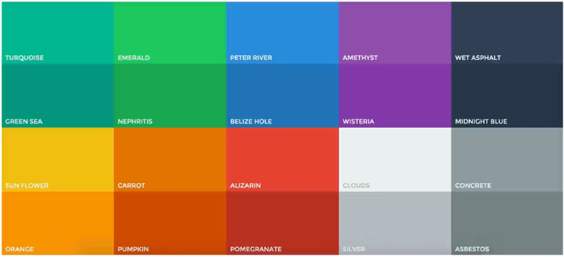
 | Moving Objects
 | Change the position of the box | top: bottom: right: left:
 | translate(x,y) coordinates | transform: translate(-50%,-50%)
 | Gradiantly change the image colors To create a linear gradient you must define at least two color stops. Color stops are the colors you want to render smooth transitions among. You can also set a starting point and a direction (or an angle) along with the gradient effect. | background: linear-gradient(direction, color-stop1, color-stop2, ...);

 | Manipulating Text
 | text-transform: none|capitalize|uppercase|lowercase|initial|inherit; | text-transform:
 |  | letter-spacing:
 |  | word-spacing:
 | text-decoration | set underline // overline // line-through // underline overline // | Link
 | CSS transitions allows you to change property values smoothly (from one value to another), over a given duration. | transition: background-color 0.2s; | Link

 | CSS Pseudo-classes
 | A pseudo-class is used to define a special state of an element. In-order of being effective , the order of the pseudo-class should remain: 1) a:link 2) a:visited 3) a:hover 4) a:active | /* unvisited link */ a:link { color: red; } /* visited link */ a:visited { color: green; } /* mouse over link */ a:hover { color: hotpink; } /* selected link */ a:active { color: blue; }
 | design right after the element | .class:after

 | CSS transitions allows you to change property values smoothly (from one value to another), over a given duration. | transition: param1 duration1,param2 …
 | -webkit- | Only for chrome and safaru - application based of webkit or Blink
 | set the duration of the transition | -webkit-transition-duration: 1s;

