方差分析
Source | Sum of Squares | df | Mean Square | F-value | p-value
Model | 417.46 | 159 | 2.63 | 221.69 | < 0.0001 | significant
A-jxh | 42.61 | 7 | 6.09 | 514.02 | < 0.0001
B-jxw | 125.09 | 10 | 12.51 | 1056.2 | < 0.0001
C-cw | 172.49 | 4 | 43.12 | 3641 | < 0.0001
AB | 59.84 | 70 | 0.8549 | 72.18 | < 0.0001
AC | 13.58 | 28 | 0.4849 | 40.94 | < 0.0001
BC | 3.86 | 40 | 0.0964 | 8.14 | < 0.0001
Residual | 3.32 | 280 | 0.0118
Cor Total | 420.78 | 439
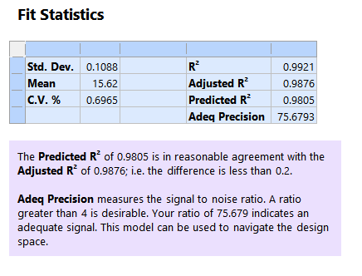
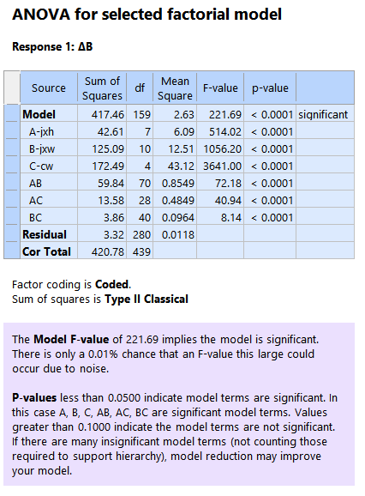
 |  |  |  |  |  |  | Std. Dev. | 0.1088 | R² | 0.9921
 |  |  |  |  |  |  | Mean | 15.62 | Adjusted R² | 0.9876
 |  |  |  |  |  |  | C.V. % | 0.6965 | Predicted R² | 0.9805
 |  |  |  |  |  |  |  |  | Adeq Precision | 75.6793

Sheet3
