Sheet1

气温气温气温 | 请3 | v

Sheet2
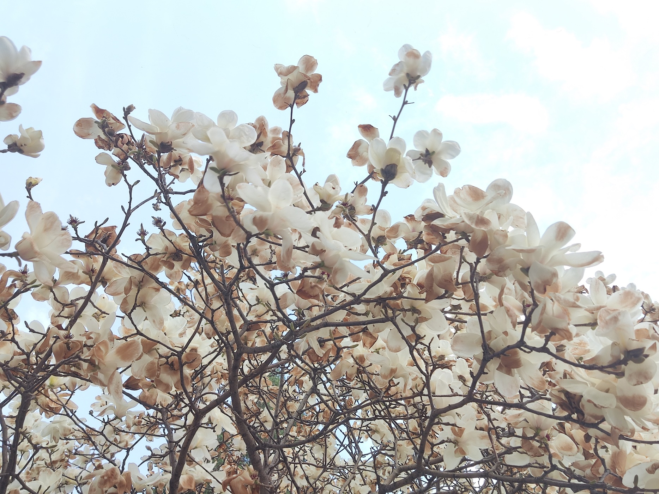

 | 千万人其味无穷
214323423
 |  | 驱蚊器帮我去

