"Risked" model
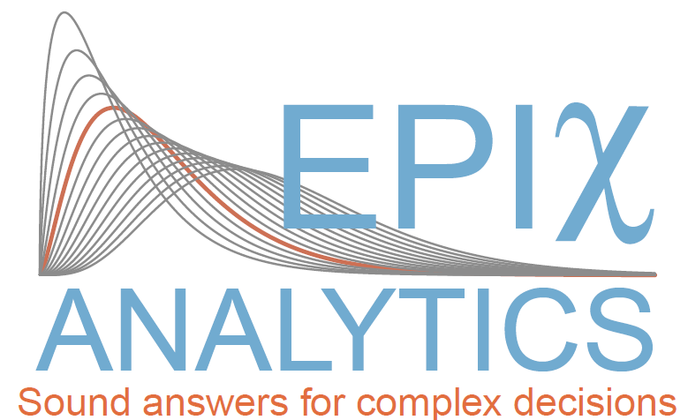
 |  | Fixed and Risked model

Problem: Calculate the yearly revenue

Money borrowed by a client | #NAME?
Number of clients | #NAME?
Interest rate p.a. | 7.50%
Yearly revenue | #NAME?

Fixed value model

 |  | Fixed and Risked model

Problem: Calculate the yearly revenue

Money borrowed by a client | £10,000.00
Number of clients | 6500
Interest rate p.a. | 7.50%
Yearly revenue | £4,875,000.00

