Plane crashes - 1

 |  |  | Plane crashes

Problem: A company insures airplanes. They crash at a rate of 0.23 crashes per month. Each crash costs $Lognormal(120,52) million. What is the distribution of cost to the company for the next five years?

Mean crashes per month (l) |  | 0.23
Number of months (t) |  | 60
Accidents in period t |  | #NAME?
Total cost |  | #NAME?

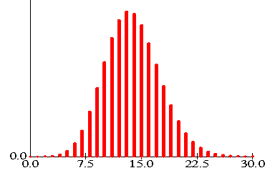
Accident # | Cumulative cost of accidents
1 | #NAME?
2 | #NAME?
3 | #NAME?
4 | #NAME?
5 | #NAME?
6 | #NAME?
7 | #NAME?
Poisson(13.8) unlikely to exceed 30
8 | #NAME?
9 | #NAME?
10 | #NAME?
11 | #NAME?
12 | #NAME?
13 | #NAME?
14 | #NAME?
15 | #NAME?
16 | #NAME?
17 | #NAME?
18 | #NAME?
19 | #NAME?
20 | #NAME?
21 | #NAME?
22 | #NAME?
23 | #NAME?
24 | #NAME?
25 | #NAME?
26 | #NAME?
27 | #NAME?
28 | #NAME?
29 | #NAME?
30 | #NAME?

Variant 2

 |  |  | Plane crashes

Problem: A company insures aeroplanes. They crash at a rate of 0.23 crashes per month. Each crash costs $Lognormal(120,52) million. What is the distribution of cost to the company for the next five years?

Mean crashes per month (l) |  | 0.23
Number of months (t) |  | 60
Accidents in period t |  | #NAME?
Total cost |  | #NAME?

Accident # | Cumulative cost of accidents
1 | #NAME?
2 | #NAME?
3 | #NAME?
4 | #NAME?
5 | #NAME?
6 | #NAME?
7 | #NAME?
Poisson(13.8) unlikely to exceed 30
8 | #NAME?
9 | #NAME?
10 | #NAME?
11 | #NAME?
12 | #NAME?
13 | #NAME?
14 | #NAME?
15 | #NAME?
16 | #NAME?
17 | #NAME?
18 | #NAME?
19 | #NAME?
20 | #NAME?
21 | #NAME?
22 | #NAME?
23 | #NAME?
24 | #NAME?
25 | #NAME?
26 | #NAME?
27 | #NAME?
28 | #NAME?
29 | #NAME?
30 | #NAME?

