Defined Names vs Labels
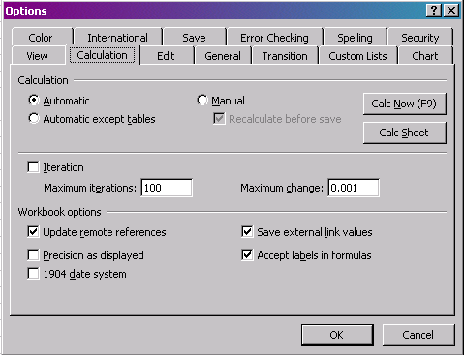
 |  |  | Using 'Defined Names' instead of 'Labels'

Situation: Crystal Ball's Extreme Speed feature is not compatible with the Excel option "Accept labels in formulas". Therefore, use "Defined Names" instead as shown below.

In this forecast, we only keep the values that are not equal to 999. We can do this by:
- Stand on top of cell F27
- Click on "Define Forecast"
- Click on tab "Filter"
- You can now exclude values in certain ranges
In a past study, we found that 3 out of 40 people who never bought the product again, did say that they actually did. To keep this model simple, we assume that true repeat buyers don't have a recall bias, but we could of course also include that.
In this column, we make sure that the model will not produce errors in the forecast.

1 | To use labels in formulas, first select Tools >> Options >> Calculation, and click "Accept labels in formulas"

2 | In the table below, the labels "Costs" and "Revenues" are calculated, without naming the cells.

 |  | Costs
 | Labor | $300
 | Product costs | $245
 | Travel costs | $100
 | Total | $645 | =Sum(Costs)

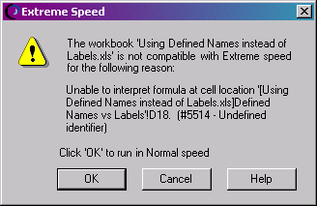
 |  | Revenues
 | Product revenues | $350
 | Consulting | $570
 | Total | $920 | =Sum(Revenues)

 | Profits (before tax) | $275

3 | However, if you would try to run the above model (using labels in formulae), the following message would come up

4 | Therefore, to use the Extreme Speed feature, we should define names instead of labels as follows:

 |  | Costs |  | I. | Select Cell D34:36
 | Labor | $300
 | Product costs | $245 |  | II. | Select Insert >> Name >> Define names, and type in "The_Costs"
 | Travel costs | $100
 | Total | $645 | =Sum(The_Costs) | III. | In Cell D37, write the formula "=Sum(The_Costs)"

 |  | Revenues |  | IV. | Repeat step I - II for the Revenues.
 | Product revenues | $350
 | Consulting | $570 |  | V. | Select Tools >> Options >> Calculation, and unclick "Accept labels in formulas" (see also Row 10)
 | Total | $920 | =Sum(The_Revenues)
 |  |  |  | VI | Now, you can run the model with Extreme Speed!
 | Profits (before tax) | $275

