Sheet1
Statistics Inorder a make statement about present |  |  |  | p

Sample Vs Population : Sample == population inlines of propertie but it can vary in size. Why Sample? We are unable to knock the dorr of the population all the time because population is so huge. Sample collection is purely dependent on the domain knowledge.

To understand the data I collected, (or) to understamd the sample we collected, we look into EDA - Exploratory Data Analysis - Intial investigation on data.

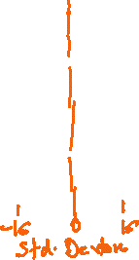
EDA
1. Measures of Central Tendancy (If I want to understand the nature of the data) Mean - when there is No outilers. Median - in the presence of outliers. Mode - to look into th most occuring value/category
2. Measures of Dispersion (How well the values got deviated from the central value/mean) Variance - units will be squared terms Why Std.Deviation? - Inorder to normalizze the variance. Why Range? Max - Min. Not mostly suggested.
Point to Remember If the variance increases, the quality of the decision/prediction decreases

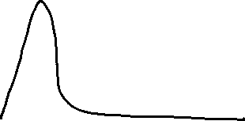
3. Normal Distribution ND follows the Emperical rule For 1SD(-1SD to +1SD) - 68% of the data points had fallen between the range. For 2SD(-2SD to +2SD) - 95% of the data points had fallen between this range. For 3SD(-3SD to +3SD) - 99.99% of the datapoints had fallen between this range. |  |  | Savanth | Ankur
4. Skewness and Kurtosis If there is Skewness in my data - it impacts the ACCURACY of my model. If there is KURTOSIS in my data - it impacts the STABILITY/PRECISION of my model |  |  | 8.3 | 8.45
 |  |  | 8.45 | 8.45
 |  |  | 9 | 8.45
 |  |  | 10 | 8.4
 |  |  | 8.3 | 8.5
 |  |  | 12 | 8.45
 |  |  | 10 | 8.4
 |  |  | 8 | 8.45
 |  |  | 7 | 8.38
 |  |  | 1 | 8.45
 |  | Sat | 9.3 | 8.45

OUTLIERS "The most extreme and most least values"
 |  |  | Trushar |  |  | Trushar
 |  | S1 | 100 |  |  | 0
 |  | S2 | 100 |  |  | 0 | Bangalore
 |  | S3 | 100 |  | Mean = 80% | 100 | Mumbai
 |  | S4 | 100 |  | Median = 100 | 100 | Bangalore
 |  | S5 | 0 |  |  | 100 | Chennai
 |  | S6 | 100 |  |  | 100 | Chennai
 |  | S7 | 100 |  |  | 100 | Chennai
 |  | S8 | 0 |  |  | 100 | Chennai
 |  | S9 | 100 |  |  | 100
 |  | S10 | 100 |  |  | 100

 |  | Akila - PM
 |  |  | Hema - TL

 |  | Daniel | Haritha
 | M | 7AM | 7AM
 | T | 7.10AM | 9AM
 | W | 7AM | 12PM | 9AM
 | THURS | 7AM | 8AM
 | F | 7.10AM | 8AM
 | S | 7.10AM | 9AM
 | Sund
 |  | Less variance | High variance

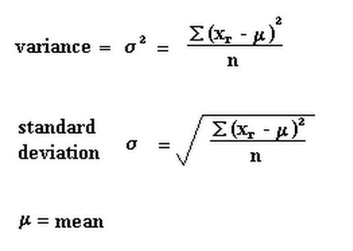
 | Age(yrs)
 | 28
 | 27
 | 25
 | 29
 | 24
 | 35
 | 67
 | 80
 | 28
 | 22

 | 36.5

Discrete data - it is countable/it is not measurable/ it cannot be seggregated. Continous data - it has units/it can be segrregated.

SKEWNESS - lack of symmetry If skew == 0 --> Normal Distribution, fairly symmetrical around mean. If skew = +-(0 - 0.5) --> moderately symmetrical around mean. If skewness>+-0.5 --> Not normally distributed. KURTOSIS - measure of Outliers If Kurtosis = 0, then No Outliers, it is Normally distributed. If Kurtosis>3, More Outliers. If Kurtosis<3, Less Ouliers.

