EXP-1
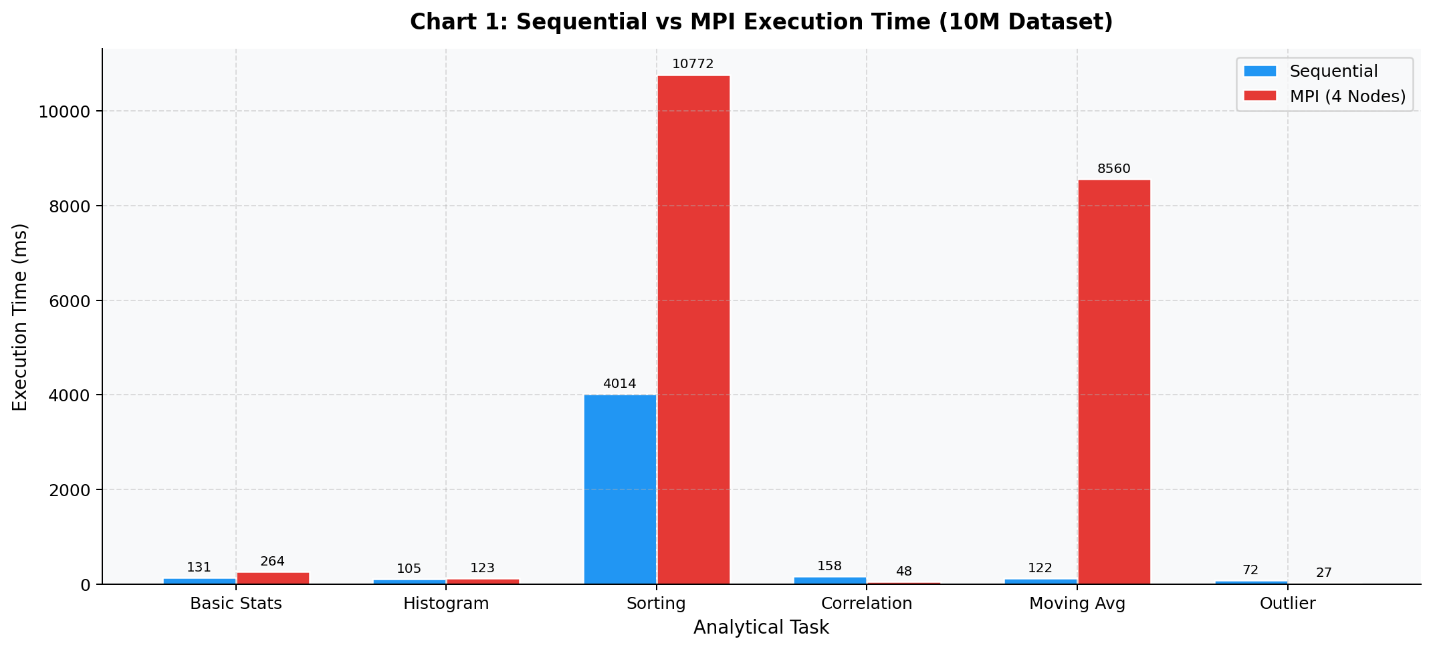
Task | Sequential Time (ms) | MPI 4-Node Time (ms) | Speedup (S = Tseq/Tpar) | Efficiency (%) (S/4*100) | Overhead (ms) (4*Tpar - Tseq)
Basic Statistics | 130.87 | 263.71 | 0.50 | 12.41 | 923.97
Histogram Generation | 104.85 | 122.52 | 0.86 | 21.39 | 385.22
Sorting | 4014.08 | 10772.01 | 0.37 | 9.32 | 39073.94
Pearson Correlation | 157.55 | 47.88 | 3.29 | 82.26 | 33.97
Moving Average | 121.79 | 8560.50 | 0.01 | 0.36 | 34120.20
Outlier Detection | 72.28 | 26.75 | 2.70 | 67.56 | 34.71
TOTAL | 4601.42 | 19793.36 | 0.23 | 5.81 | 74572.02

EXP-2
Speedup (S) VS Dataset Size (4 Nodes)
Dataset Size (points) | Sequential Total Time (ms) | MPI 4-Node Total Time (ms) | Speedup (S) | Efficiency (%)
1,000,000 | 426.88 | 2648.59 | 0.16 | 4.03
10,000,000 | 4601.42 | 19793.36 | 0.23 | 5.81
100,000,000 | 59794.40 | 213513.49 | 0.28 | 7.00

EXP-3
Per-Task Time Breakdown for Medium Dataset (10M Dataset)
Task | Sequential Time (ms) | MPI 4-Node Time (ms) | Speedup (S = Tseq/Tpar) | Efficiency (%) (S/4*100) | % of Total (MPI)
Basic Statistics | 130.87 | 263.71 | 0.50 | 12.41 | 1.33%
Histogram Generation | 104.85 | 122.52 | 0.86 | 21.39 | 0.62%
Sorting | 4014.08 | 10772.01 | 0.37 | 9.32 | 54.42%
Pearson Correlation | 157.55 | 47.88 | 3.29 | 82.26 | 0.24%
Moving Average | 121.79 | 8560.50 | 0.01 | 0.36 | 43.25%
Outlier Detection | 72.28 | 26.75 | 2.70 | 67.56 | 0.14%
TOTAL | 4601.42 | 19793.36 | 0.23 | 5.81 | 100.00%

Parallel Efficiency For Each Task

Amdahl
Amdahl's Law – Theoretical vs Actual Speedup (10M Dataset)
Nodes (P) | Amdahl Theoretical Speedup (S_max) | Actual Speedup (from EXP-5)
1 | 1.00 | 1.00
2 | 0.31 | 0.31
3 | 0.25 | 0.27
4 | 0.23 | 0.23

