Instructional Design
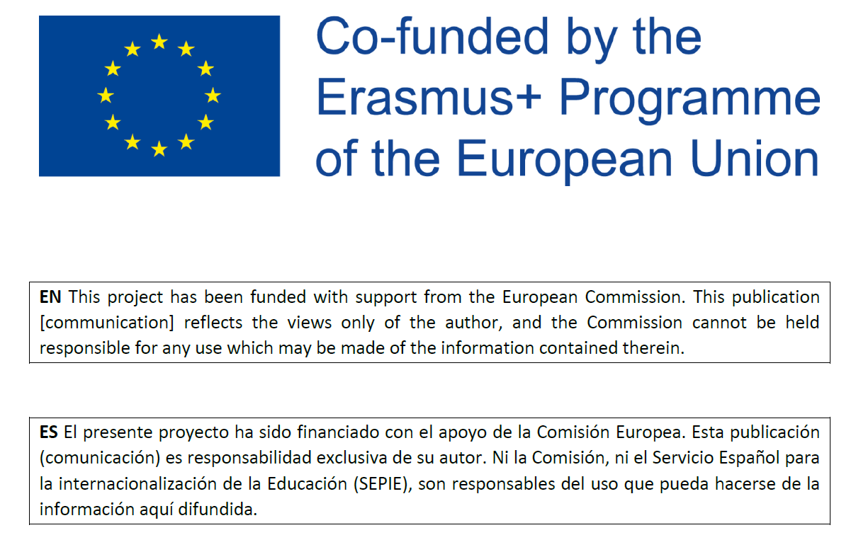
 |  | Course Title /Area/University | Course Title /Area/University | Course Title /Area/University | Course Title /Area/University | Course Title /Area/University | Course Title /Area/University | Course Title /Area/University | Course Title /Area/University | Course Title /Area/University | Course / Subject /Module Title | Course / Subject /Module Title | Course / Subject /Module Title | Course / Subject /Module Title | Course / Subject /Module Title | Course / Subject /Module Title | Course / Subject /Module Title | Course / Subject /Module Title | Course / Subject /Module Title | Course / Subject /Module Title | Course / Subject /Module Title | Course / Subject /Module Title | Course / Subject /Module Title | Course / Subject /Module Title
ADDIE INSTRUCTIONAL DESIGN MODEL | PROCEDURE | Computer Assisted Instruction /ED/UAH | English for touristic business /EDU/UAH | CLIL /EDI/UAH | INTERNATIONAL TRADE AND GLOBALIZATION/UAH | Teletraffic engineering / UAH | Economics of tourism (LU) | Enterprise creation and development (LU) | Software testing / UAH | Transmission Lines / UAH | BEAT/Engineering /UAH | Power devices and Circuits : Power devices module /UNINA | Power devices and Circuits : Power circuits module/UNINA | Design of digital circuits on FPGA using Verilog: Verilog HDL for synthesis/UNINA | Design of digital circuits on FPGA using Verilog: FPGA oriented design/UNINA | Brand Management/B/TUL | Emarkieting/B/TUL | Innovation/B/TUL | Matlab and Simulink/IT/TUL | Professional Language Skills/B/TUL | Computer Added Design/IT/TUL | XML Technologies/IT/TUL | Elements of Microwave Technique/Eng/TUL | Electromagnetic Compatibility/Eng/TUL
Analysis / Initial assessment The initial step analyzes the student previous knowledge, content and environment and the training needs. | Perception questions (in online seminar, tutorial, etc.) | x | x | x | X | x | x | x | x | x |  |  |  |  |  | x | x | x |  | x
 | Content questions |  |  |  |  | x |  | x |  | x |  | x | x | x | x |  |  | x |  | x
 | Open-ended questions |  |  |  |  |  |  | x |  |  |  |  |  |  |  |  |  | x | x | x |  |  | x | x
 | OTHERS /COMMENTS |  |  |  |  |  |  |  |  |  |  |  |  |  |  |  |  |  |  |  | course given as basic, none prerequisites defined | Considered not necessary, based on experience from stationary classes
Design development of the course program focusing in the pedagogical approach, the sequence and organization of the contents | Methodological adaptation in external apps | X | X | X | X | x | x | x | x | x |  |  |  |  |  |  |  |  | x |  |  |  | x | x
 | Institutional learning platforms | X | X | X | X | x | x | x | x | x | x | x | x | x | x | x | x | x | x | x | x | x | x | x
 | OTHER /COMMENTS
Development: Creation and production of the content and materials learning based on the design phase. | Readjustment of face to face subject contents |  |  | X | X | x | x | x | x | x |  | x | x | x | x | x |  | x |  | x | x | x | x | x
 | Course designed to be taught online |  | X | X | X | x |  |  | x | x | x | x | x | x | x |  | x | x | x | x | x | x | x | x
 | Use of open content resources | X | X | X | X | x | x | x | x | x | x |  |  |  |  |  |  | x | x | x |  | x | x | x
 | OTHER /COMMENTS
Implementation: Execution and implementation of the training action with the participation of the students. | Institutional & external learning platforms | x | x | x | X | x | x | x | x | x | x | x | x | x | x | x | x | x | x | x |  | x | x | x
 | Discussion Forums | x | x | x | X |  |  |  |  | x | x |  |  |  |  |  |  | x |  |  | x
 | Collaborative Social media | x | x | x | X
 | Web apps. | x | x | x | X | x |  |  |  |  |  |  |  |  |  |  |  |  | x |  |  | x
 | OTHER /COMMENTS
 | Online Tests |  | x |  |  | x | x | x | x | x | x | x | x | x | x |  |  | x | x | x |  | x | x | x
 | peer evaluation | x |  | x | X |  | x | x |  | x |  |  |  |  |  | x |  | x |  |  | x
 | self-tests | x | x | x | X | x |  |  | x | x |  | x | x | x | x |  |  |  |  |  | x
Evaluation: formative & summative evaluation to analyze the results | -Discussion Forum | x |  | x | X |  |  |  |  | x | x |  |  |  |  |  |  | x
 | -Essay | x | x | x | X |  | x |  | x |  |  |  |  | x | x |  |  | x |  | x
 | -Tasks | x | x | x | X | x | x | x | x |  |  |  |  |  |  |  | x | x | x |  |  | x
 | -Seminars | x | x | x |  |  | x | x | x |  |  |  |  |  |  |  |  |  | x | x | x
 | Verification questions | x | x | x | X | x | x | x | x | x |  |  |  |  |  | x |  | x |  | x | x | x
 | OTHER /COMMENTS |  |  |  |  |  |  |  |  |  |  |  |  |  |  |  |  |  |  |  | homework models/projects created by each student |  | evaluation of individual reports | evaluation of individual reports
RESOURCES USED | videos from the internet | x | x | x |  | x | x | x | x | x | x |  |  |  |  |  |  |  | x | x |  | x
 | self-recorded videos |  |  |  | X | x | x | x | x | x | x | x | x | x | x | x |  |  | x |  | x | x | x | x
 | Presentations | x | x | x |  | x | x | x | x | x | x | x | x | x | x | x | x | x | x | x |  |  | x | x
 |  |  |  |  |  | x
 | Blog / wiki /padlet or other social media | x |  | x |  |  | x | x
 | websites | x | x | x |  | x | x | x |  | x | x |  |  |  |  | x | x |  | x |  |  | x
 | Multimedia | x | x | x |  | x |  |  |  | x | x |  |  |  |  | x |  |  | x |  | x | x
 | Power point | x | x | x | X | x | x | x | x | x | x | x | x | x | x | x | x | x | x | x |  |  | x | x
 | digital resources | x | x | x | X | x | x | x | x | x | x |  |  |  |  |  | x |  | x |  | x | x | x | x
 | Interactive apps or games |  |  |  |  | x |  |  | x |  | x
 | Digital quizzes or polls |  |  |  | X | x |  |  |  | x |  |  |  |  |  |  |  |  |  | x
 | OTHER

