threshold
threshold | accuracy
20 | 90.8
40 | 91.3 |  | 91.5
50 | 91.1
60 | 90.9
70 | 91.3
80 | 91.6 |  | 91.5
90 | 90.2
100 | 89.9
120 | 90.6
140 | 90.2
160 | 89.6

Device | accuracy
0 | 91.6
1 | 90.9
2 | 90.5
3 | 90
4 | 90.7

error rate/%
0 | 91.7
1 | 91.1
2 | 90.2
3 | 90.5
4 | 89.5
5 | 90.4
6 | 90
7 | 91
8 | 89.7
9 | 89.6
10 | 89.8
11 | 90.2
12 | 89.3
13 | 89.6
14 | 90
15 | 90.3
16 | 89.3
17 | 88.7
18 | 89.3
19 | 89.2
20 | 90.2 | 9.9

Real device
Learning rate | Accuracy/%
0.1 | 81.3
0.01 | 88.3
0.001 | 89.1
0.0001 | 88.4
0.00001 | 82.70%

 |  |  | 0.0002 | 89

2.00E-04
test number | Accuracy/% |  | threshold | Accuracy/%
1 | 88.7 |  | 1 | 90.1
2 | 88.6 |  | 10 | 90.4
3 | 88.8 |  | 20 | 90.8
4 | 88.7 |  | 30 | 89.8
5 | 88.6 |  | 40 | 90.3
total | 88.70% |  | 50 | 89.3
 |  |  | 60 | 88.6
 |  |  | 70 | 89
 |  |  | 80 | 88.6
 |  |  | 90 | 88.1
 |  |  | 100 | 88.2
 |  |  | 120 | 88.1
 |  |  | 140 | 88.3
 |  |  | 160 | 86.7

 |  |  |  |  |  | Test accuracy with learning rate 0.00019999999999999966: 91.00% | Test accuracy with learning rate 0.00019999999999999966: 90.60%
test number | Accuracy/%
1 | 90.8
2 | 91.00
3 | 90.2
4 | 90.8
5 | 90.8
6 | 90.7
7 | 90.7
8 | 90.6
9 | 90.8
10 | 90.8

total | 90.72%±0.21%

Device variation
Device number | Accuracy/%
0 | 90.90%
1 | 90%
2 | 89.60%
3 | 90.30%
4 | 89.70%

Noise level | Accuracy/% | //average value
0 | 90.8 |  |  |  | n=0: Accuracies=[0.902999997138977, 0.9070000052452087, 0.9110000133514404, 0.9089999794960022, 0.9100000262260437], Mean=0.91, Std Dev=0.00 |  | n=0: Mean = 90.80%, Std Dev = 0.28%
1 | 90.72 |  |  |  | n=1: Accuracies=[0.906000018119812, 0.9079999923706055, 0.9079999923706055, 0.9079999923706055, 0.906000018119812], Mean=0.91, Std Dev=0.00 |  | n=1: Mean = 90.72%, Std Dev = 0.10%
2 | 90.78 |  |  |  | n=2: Accuracies=[0.9089999794960022, 0.9079999923706055, 0.9129999876022339, 0.9049999713897705, 0.9039999842643738], Mean=0.91, Std Dev=0.00 |  | n=2: Mean = 90.78%, Std Dev = 0.32%
3 | 90.64 |  |  |  | n=3: Accuracies=[0.9079999923706055, 0.902999997138977, 0.9150000214576721, 0.9039999842643738, 0.9020000100135803], Mean=0.91, Std Dev=0.00 |  | n=3: Mean = 90.64%, Std Dev = 0.48%
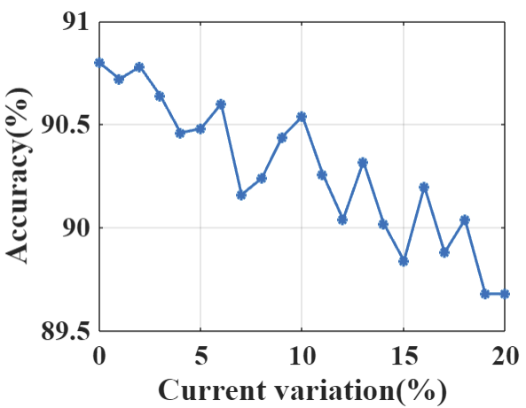
4 | 90.46 |  |  |  | n=4: Accuracies=[0.9079999923706055, 0.9020000100135803, 0.9010000228881836, 0.906000018119812, 0.906000018119812], Mean=0.90, Std Dev=0.00 |  | n=4: Mean = 90.46%, Std Dev = 0.27%
5 | 90.48 |  |  |  | n=5: Accuracies=[0.906000018119812, 0.9089999794960022, 0.9020000100135803, 0.906000018119812, 0.9010000228881836], Mean=0.90, Std Dev=0.00 |  | n=5: Mean = 90.48%, Std Dev = 0.29%
6 | 90.60 |  |  |  | n=6: Accuracies=[0.9100000262260437, 0.8999999761581421, 0.9079999923706055, 0.906000018119812, 0.906000018119812], Mean=0.91, Std Dev=0.00 |  | n=6: Mean = 90.60%, Std Dev = 0.33%
7 | 90.16 |  |  |  | n=7: Accuracies=[0.9010000228881836, 0.902999997138977, 0.9010000228881836, 0.906000018119812, 0.8970000147819519], Mean=0.90, Std Dev=0.00 |  | n=7: Mean = 90.16%, Std Dev = 0.29%
8 | 90.24 |  |  |  | n=8: Accuracies=[0.902999997138977, 0.8999999761581421, 0.8939999938011169, 0.9089999794960022, 0.906000018119812], Mean=0.90, Std Dev=0.01 |  | n=8: Mean = 90.24%, Std Dev = 0.52%
9 | 90.44 |  |  |  | n=9: Accuracies=[0.906000018119812, 0.9049999713897705, 0.906000018119812, 0.8989999890327454, 0.906000018119812], Mean=0.90, Std Dev=0.00 |  | n=9: Mean = 90.44%, Std Dev = 0.27%
10 | 90.54 |  |  |  | n=10: Accuracies=[0.9070000052452087, 0.906000018119812, 0.8999999761581421, 0.9089999794960022, 0.9049999713897705], Mean=0.91, Std Dev=0.00 |  | n=10: Mean = 90.54%, Std Dev = 0.30%
11 | 90.26 |  |  |  | n=11: Accuracies=[0.9039999842643738, 0.9010000228881836, 0.8999999761581421, 0.9049999713897705, 0.902999997138977], Mean=0.90, Std Dev=0.00 |  | n=11: Mean = 90.26%, Std Dev = 0.19%
12 | 90.04 |  |  |  | n=12: Accuracies=[0.8989999890327454, 0.8980000019073486, 0.9020000100135803, 0.8989999890327454, 0.9039999842643738], Mean=0.90, Std Dev=0.00 |  | n=12: Mean = 90.04%, Std Dev = 0.22%
13 | 90.32 |  |  |  | n=13: Accuracies=[0.9049999713897705, 0.9089999794960022, 0.8989999890327454, 0.9010000228881836, 0.9020000100135803], Mean=0.90, Std Dev=0.00 |  | n=13: Mean = 90.32%, Std Dev = 0.35%
14 | 90.02 |  |  |  | n=14: Accuracies=[0.8980000019073486, 0.8989999890327454, 0.8980000019073486, 0.902999997138977, 0.902999997138977], Mean=0.90, Std Dev=0.00 |  | n=14: Mean = 90.02%, Std Dev = 0.23%
15 | 89.84 |  |  |  | n=15: Accuracies=[0.902999997138977, 0.8899999856948853, 0.9010000228881836, 0.8989999890327454, 0.8989999890327454], Mean=0.90, Std Dev=0.00 |  | n=15: Mean = 89.84%, Std Dev = 0.45%
16 | 90.20 |  |  |  | n=16: Accuracies=[0.9020000100135803, 0.902999997138977, 0.906000018119812, 0.8960000276565552, 0.902999997138977], Mean=0.90, Std Dev=0.00 |  | n=16: Mean = 90.20%, Std Dev = 0.33%
17 | 89.88 |  |  |  | n=17: Accuracies=[0.9039999842643738, 0.8999999761581421, 0.9020000100135803, 0.8920000195503235, 0.8960000276565552], Mean=0.90, Std Dev=0.00 |  | n=17: Mean = 89.88%, Std Dev = 0.43%
18 | 90.04 |  |  |  | n=18: Accuracies=[0.9049999713897705, 0.8960000276565552, 0.8999999761581421, 0.8949999809265137, 0.906000018119812], Mean=0.90, Std Dev=0.00 |  | n=18: Mean = 90.04%, Std Dev = 0.45%
19 | 89.68 |  |  |  | n=19: Accuracies=[0.8949999809265137, 0.8939999938011169, 0.8980000019073486, 0.9020000100135803, 0.8949999809265137], Mean=0.90, Std Dev=0.00 |  | n=19: Mean = 89.68%, Std Dev = 0.29%
20 | 89.68 |  |  |  | n=20: Accuracies=[0.9010000228881836, 0.8859999775886536, 0.9049999713897705, 0.8949999809265137, 0.8970000147819519], Mean=0.90, Std Dev=0.01 |  | n=20: Mean = 89.68%, Std Dev = 0.64%

Ideal device
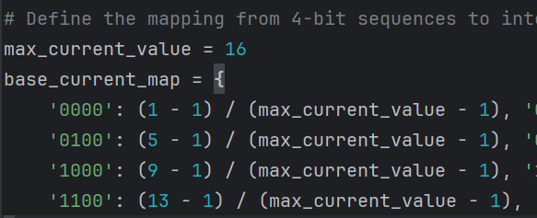
normalized device |  | 0-1 | 22_2

threshold | accuracy
20 | 88.4
40 | 89.6
60 | 89.2
80 | 89.2
100 | 89.8 |  | ///
120 | 88.9
140 | 87.7

 |  |  |  | Test accuracy with learning rate 0.00019999999999999966: 89.10%

Non-linearity factor |  |  | current^(1+a) |  |  |  | Non-linearity factor | accuracy/%
5 | 83.2 |  |  |  |  |  | 5 | 83.2
4 | 84.6 |  |  |  |  |  | 4 | 84.6
3 | 85.5 |  |  |  |  |  | 3 | 85.5
2 | 86.7 |  |  |  |  |  | 2 | 86.7
1 | 88.2 |  |  |  | 1.5 | 87.1 | 1.5 | 87.1
0 | 89.5 | linear |  |  | 0.5 | 89.3 | 1 | 88.2
-1 |  | none | 11.9 |  | -0.5 | 89.4 | 0.5 | 89.3
-2 | 89.4 |  |  |  | -1.5 | 90.2 | 0 | 89.5
-3 | 89.2 |  |  |  | -2.5 | 89.1 | -0.5 | 89.4
-4 | 88.8 |  |  |  |  |  | -1 |  | //
-5 | 88.7 |  |  |  |  |  | -1.5 | 90.2
-6 | 88.7 |  |  |  |  |  | -2 | 89.4 |  | additional_data = { "Alpha": [-6.00, -5.80, -5.60, -5.40, -5.20, -5.00, -4.80, -4.60, -4.40, -4.20, -4.00, -3.80, -3.60, -3.40, -3.20, -3.00, -2.80, -2.60, -2.40, -2.20, -2.00, -1.80, -1.60, -1.40, -1.20, -0.80, -0.60, -0.40, -0.20, 0.00, 0.20, 0.40, 0.60, 0.80, 1.00, 1.20, 1.40, 1.60, 1.80, 2.00, 2.20, 2.40, 2.60, 2.80, 3.00, 3.20, 3.40, 3.60, 3.80, 4.00, 4.20, 4.40, 4.60, 4.80, 5.00], "Accuracy": [88.60, 88.40, 88.80, 88.70, 88.60, 88.80, 88.50, 88.30, 88.70, 88.80, 88.90, 89.10, 88.80, 89.20, 89.20, 89.20, 89.10, 89.10, 89.30, 89.40, 89.50, 89.60, 90.10, 89.80, 89.60, 89.20, 89.60, 89.40, 89.50, 90.20, 90.00, 89.60, 88.90, 89.00, 88.00, 87.80, 87.30, 87.10, 86.70, 86.50, 86.40, 86.30, 85.50, 85.50, 85.40, 85.40, 85.00, 84.90, 84.90, 84.60, 84.40, 84.20, 83.90, 83.60, 83.50] }
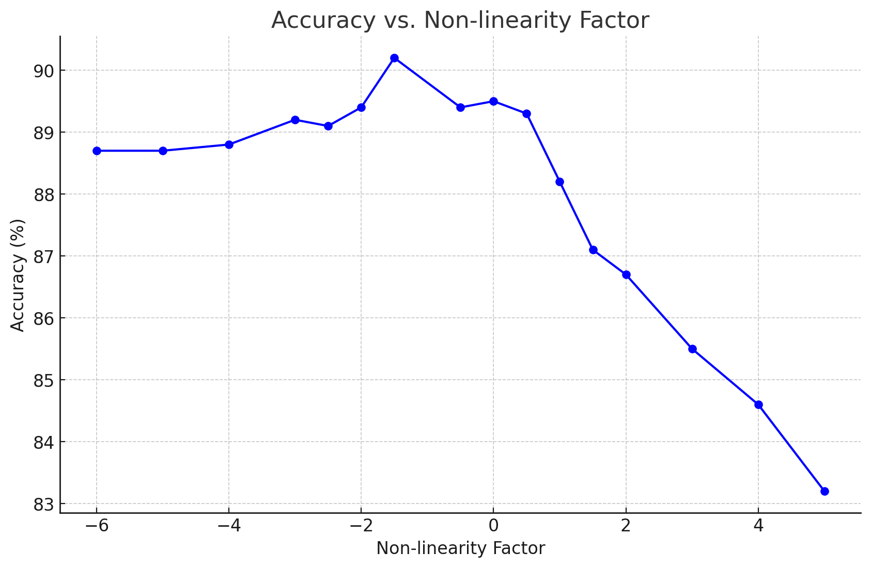
 |  |  |  |  |  |  | -2.5 | 89.1
 |  |  |  |  |  |  | -3 | 89.2
 |  |  |  |  |  |  | -4 | 88.8
 |  |  |  |  |  |  | -5 | 88.7
 |  |  |  |  |  |  | -6 | 88.7

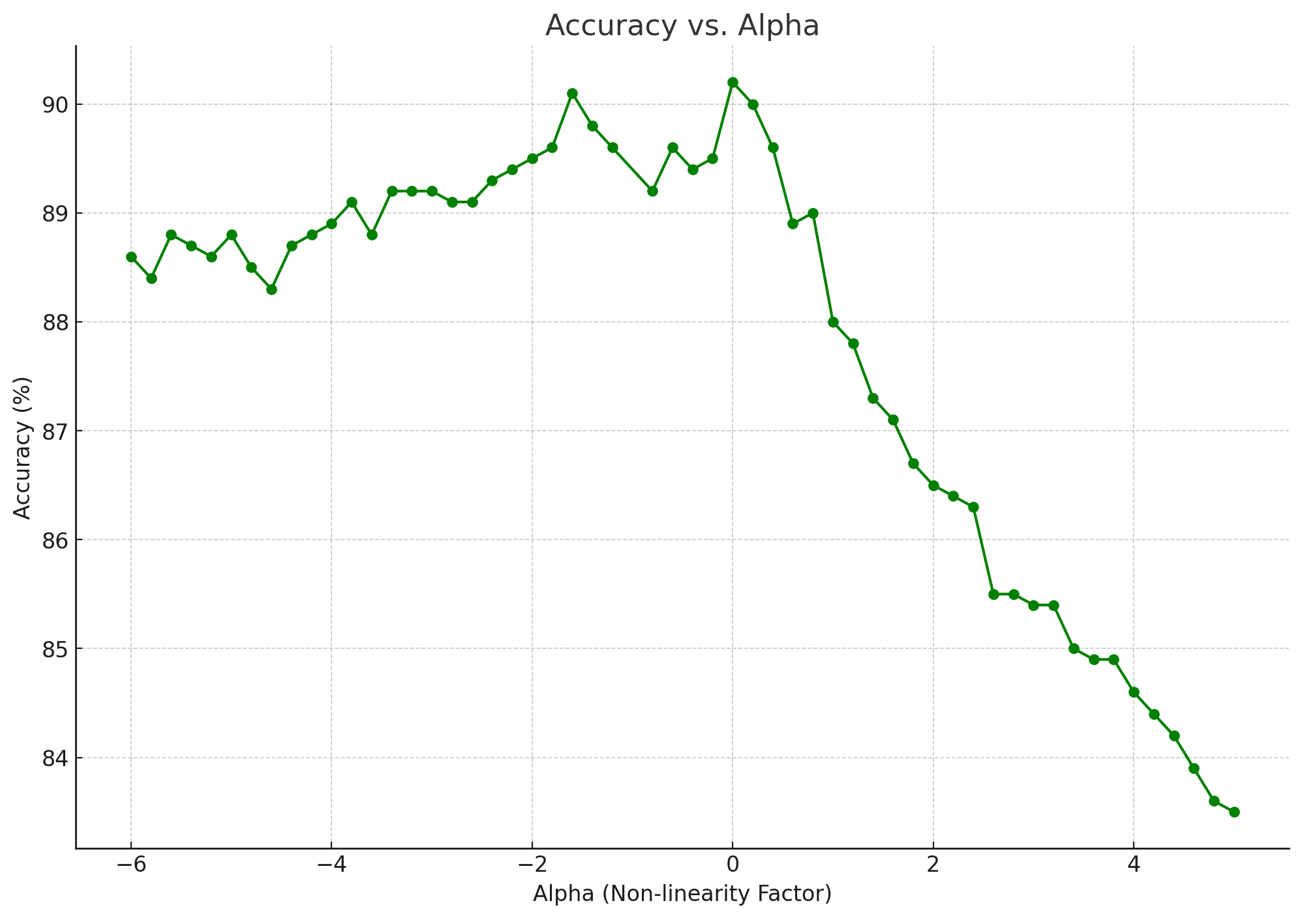

Current states | accuracy/%
1 | 11.9
2 | 84.2
4 | 86.1
8 | 88.4
16 | 89.2

