7
#1 | Beta(1,1+4-0)

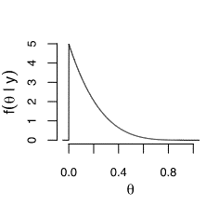
#2

#3 | 0
#4 | 0.17
#5 | 0.97

#6 | Beta(6+2,14+2)
#7 | 0.53
#8 | No | 0.59 | (less than 0.9)
#9 | No | 0.82 | (less than 0.9)
#10 | a = 2, b = 3

8
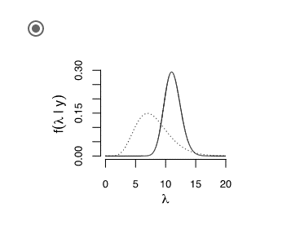
#1 | 8 | 2 | 16
#2 | 64 | 1
#3 | 8 | 0.01 | 0.08
#4 | a= 8+ 59(chips data sum) | b= 1 + 5
#5 |  |  |  | >>>
#6 | 11.17
#7 | 9.02
#8 | a = 8+59+109 | b = 1 + 5 + 10
#9 | (a+y,b+nt)
#10 | Yes , theta greater than 0.01

