9
#1 | 1.25
#2 | alfa = 1 + 5 | beta = 20 + 12 + 15 + 8 + 13.5 + 25 | 0.06
#3 | 0.90 |  |  | 93.5
#4 | 1
#5 | 30
#6 | (16, 8, 114, 60, 4, 23, 30, 105)
#7 | 9
#8 | 390
#9 | 0.04
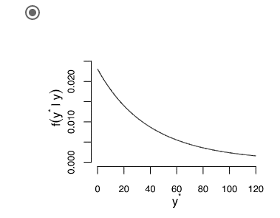
#10

11
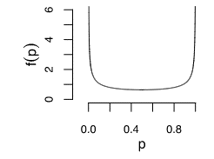
#1 | Beta(4,1)
#2 | 0.8
#3 | 95.4 | 0.05
#4
#5 | no, not possible w/o Jeffreys prior

