Sheet1
ID | Description | Steps to reproduce | Expected results | Actual results | Attachment | Remarks
B-001 | Non-alphanumeric characters are accepted as Object number | 1. Open postman 2.https://www.rijksmuseum.nl/api/nl/collection/SK-C-5?key=[api-key] 3. Replace the valid object number with non-alphanumeric chars like "!"!*!^!" 4.Send the request 5.Monitor the results | Error message: Invalid Object Number, status code:400 | * No error message *Status code is 200 Please see the remarks | 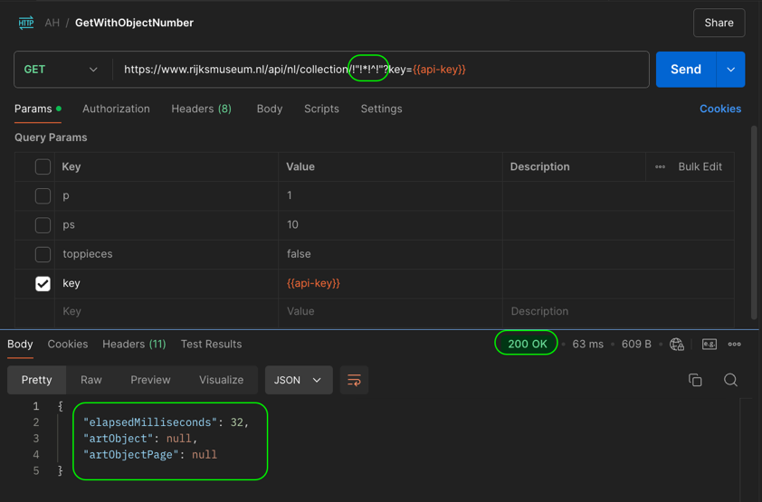 | A bunch of non-alphanumeric characters and/or alphanumeric charaters which does not comply with the Object number patern, should not be accepted.
B-002 | Irrelivent records after filtering with "involvedMaker" | 1. Open postman 2.https://www.rijksmuseum.nl/api/nl/collection?key=[api-key]&involvedMaker=Rembrandt+van+Rijn 3.Send the request 4.Monitor the results | Keyword related records should be displayed | Beside the desired data the Irrelevant data are listed as well. 1 out of 90 data contains the "Rembrandt" only. Please see the remarks | 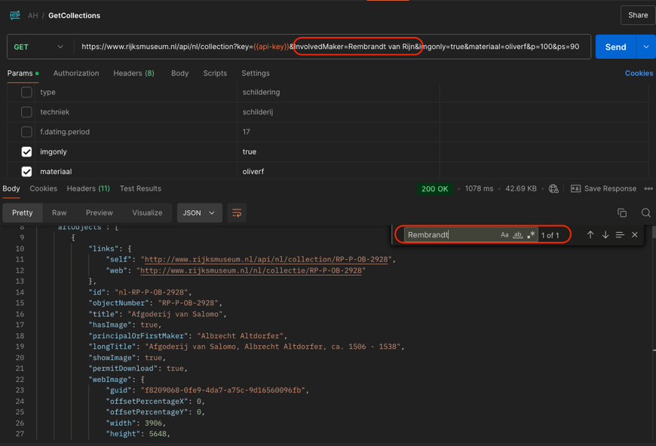 | a "field parameter search" respons like "q" parameter search. Therefore It is needed to be clarified that whether it is a feature or a bug.
B-003 | p*ps behaves different from ps*p. According to the documentation "p * ps" cannot exceed 10,000. However, if p=100 and the ps=110 then the response is successful but if the p=101 and the ps=95 the response is empty | 1. Open postman 2.https://www.rijksmuseum.nl/api/nl/collection?key=[api-key] 3.p=100&ps=110 4.p=101&ps=95 5.Send the request 6.Monitor the results | p * ps cannot exceed 10,000. Any condition which exceeds 1000 should return empty response | 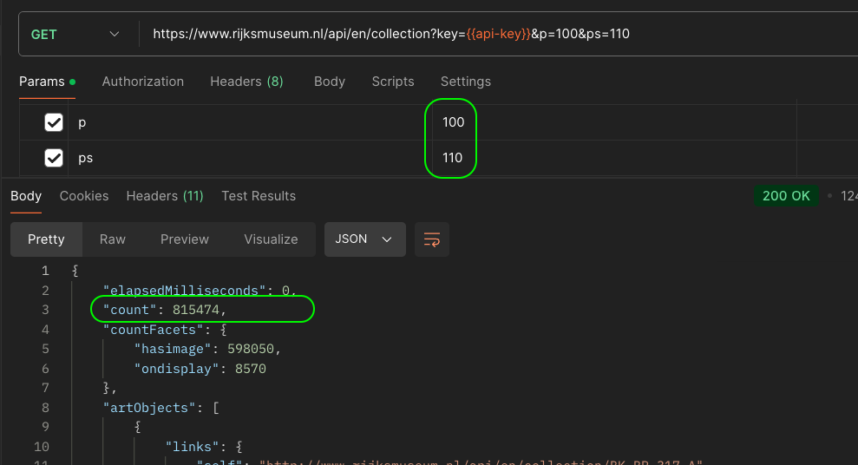 p=100&ps=110--Pass 4.p=101&ps=95--Fail | 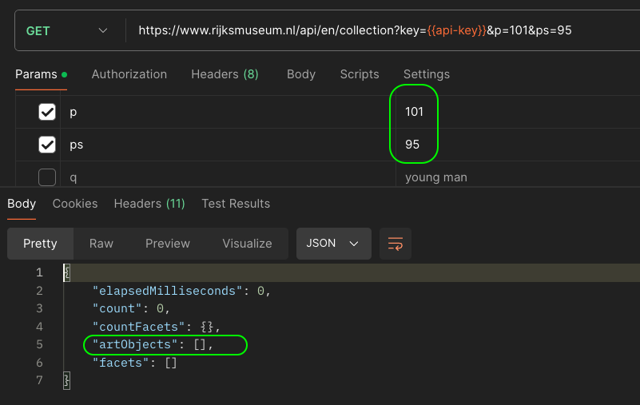 | 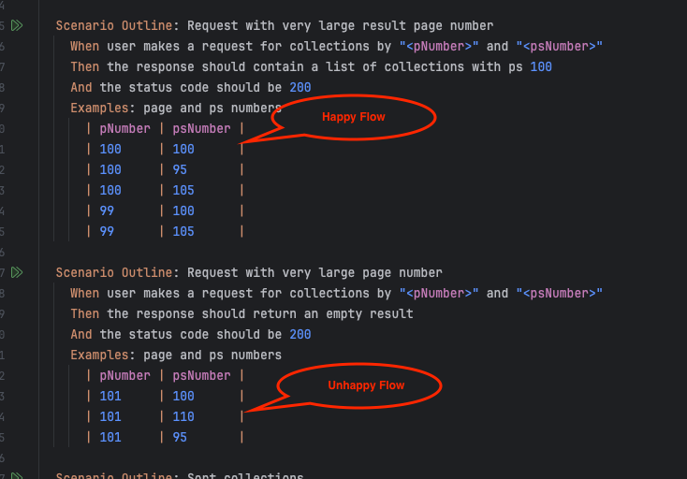 ps rounds every value over 100 to 100, but below 100 It decreases by 10. Therefore, the number 95 is rounded to 100 and 94 is rounded to 90.
B-004 | imgonly parameter filters only with "true" | 1. Open postman 2.https://www.rijksmuseum.nl/api/nl/collection?key=[api-key] 3.imgonly=true 4.Send the request 5.monitor the "hasImage" value 6.imgonly=false .monitor the "hasImage" value 7.Send the request 8.Monitor the results | This might be a feature, the documentation should be refered | 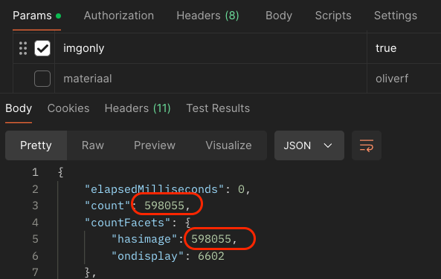 This might be a feature, the documentation should be refered | 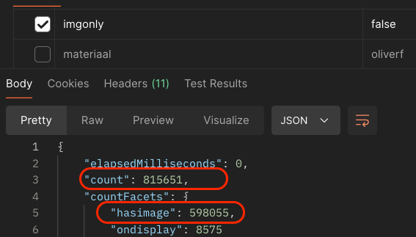 | This might be a feature, the documentation should be refered

