tuto5
Spawn Zones

Create a spawn zone and transform it.
Use gizmos to visualize spawn zones.
Support a different spawn zone per scene.
Connect objects from different scenes.
Create multiple spawn zone types.

Spawn Points
Spawn Zone Component
Using the Zone
Transforming the Zone
Surface Only
Zone Visualization |  | Create Debug Visualisation
 | void OnDrawGizmos () { Gizmos.color = Color.cyan; Gizmos.matrix = transform.localToWorldMatrix; Gizmos.DrawWireSphere(Vector3.zero, 1f); }
A Zone per Level
Migrating to a Different Scene
Finding the Game |  | Create Singleton partern so Game information are gettable everywhere
 | public static Game Instance { get; private set; } void Awake () { Instance = this; }
 | void OnEnable () { | S'execute a chaque recompilation du projet. Ca permet de modifier un singleton en live sans fermer et relancer le projet
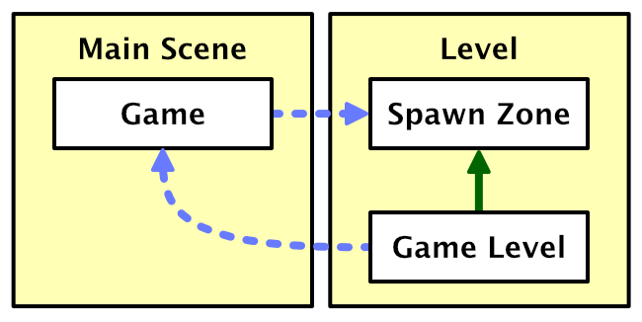
Game Level
 | Il faut bien comprendre comment on gerre le singleton
Zone Types
Absctract Spawn Zone
Sphere Zone
Cube Zone
 | void OnDrawGizmos () { Gizmos.color = Color.cyan; Gizmos.matrix = transform.localToWorldMatrix; Gizmos.DrawWireCube(Vector3.zero, Vector3.one); }
Composite Zone

tuto12
More Complex Levels

Spawn, Kill, and Life Zones

Make spawning automatic.
Create zones antithetical to or essential for life.
Control which zones affect which shapes.
Centralize level object updates and add editor support.

Automatic Spawn Zones |  | Faire en sorte de spawner par zone
Spawn Speed
 | [SerializeField, Range(0f, 50f)] | Il est possible en 1 crochet de mettre plusieurs parametre comme ceci
Saving Progress
Composite Spawn Zones
Kill Zones
Physics Trigger |  | Creer des zones pour trigger des shape et les kills
 | void OnTriggerEnter (Collider other) {
 | var shape = other.GetComponent<Shape>();
 | if (shape) {
 | shape.Die();
 | }
 | }
Slow Death
Animated Kill Zones
Life Zones
Gizmos
 | var b = c as BoxCollider; | as key word permet de cast un objet si castable sinon retourne null
 | if (c is BoxCollider) { | is key work permet de verifier si un objet est castable
 | transform.lossyScale | Approximation du scale d'un transform dans les condition world space position
 |  | It is an approximation of the object's scale in world space. It is an approximation because the object can be a child in an object hierarchy with a rotation inside a non-uniform scale, which deforms the object. That cannot be represented by just a scale, hence the wold-space scale is defined as lossy.
Colliders and Scale
Shape Colliders
Layers
 | shape.gameObject.layer = gameObject.layer; | Changer le layer d'un object par un autre
 |  | L'utilisation de layer permet de configurer les collisions entre objet
 |  | Par exemple on a 2 objets Layer A et B On veut que les collisions entre ces objets ne soient pas prise en compte
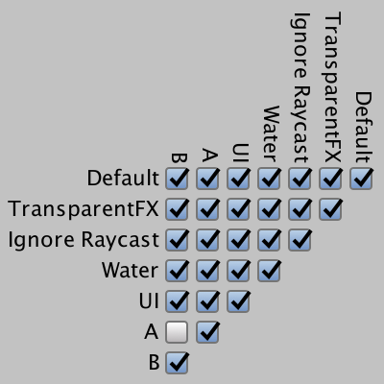

Updating Level Objects
Game Level Objects
Refactoring Game Level
 | [UnityEngine.Serialization.FormerlySerializedAs("persistentObjects")] | Tres puissant et tres interessant!
 |  | Quand on change le nom d'une variable la valeur serialise est perdu et on doit refaire toutes les modifications necessaires dans les scene
 |  | C'est la qu'arrive le tres pratique FormerlySerializedAs qui permet AU MOMENT DU CHANGEMENT DE NOM DE VARIABLE, de garder la valeur de l'ancienne valeur serialized
 |  | Il faut quand meme faire attention a ce qu'on le fasse AU MOMENT DU CHANGEMENT DE NOM DE VARIABLE. Sinon la valeur est quand meme perdu. Une fois la sauvegarde des modifs dans la scene on peut supprimer ce crochet au dessus de la variable
 |  | Just opening a scene and directly saving it isn't enough, you have to make a change to the scene so the editor decides that there is a reason to write the scene asset file.
Updating the Objects
Editing Game Level Objects
Missing Objects
 | using UnityEditor; using UnityEngine; [CustomEditor(typeof(GameLevel))] public class GameLevelInspector : Editor { public override void OnInspectorGUI () { DrawDefaultInspector(); } } | En utilisant un Custom editor on peut modifier l'affichage et le comportement de L'affichage d'un objet complexe et meme associable a un gameobject
 | EditorGUILayout.HelpBox("Missing level objects!", MessageType.Error); | Show an error in component

Removing Missing Elements
 | if (GUILayout.Button("Remove Missing Elements")) { gameLevel.RemoveMissingLevelObjects(); } | Rajouter un bouton qui a pour action L'interieur du if.
 | Undo.RecordObject(gameLevel, "Remove Missing Level Objects."); | Undo est un moyen de tracker les objets GUI qu'il faut modifier. On appelle cette fonction avant de faire la modification
 | if (Application.isPlaying) { Debug.LogError("Do not invoke in play mode!"); return; } | Application.isPlaying => check si l'application est en mode play
Registering Game Level Objects
 | using UnityEditor;
 | using UnityEngine;
 | static class RegisterLevelObjectMenuItem
 | {
 | const string menuItem = "GameObject/Register Level Object";
 | [MenuItem(menuItem, true)]
 | static bool ValidateRegisterLevelObject() {

 | if (Selection.objects.Length == 0) { |  | Recupere tous les objets d'une scene
 | return false;
 | }
 | foreach (Object o in Selection.objects) {
 | if (!(o is GameObject)) { |  | filtre pour N'avoir que des gameObject
 | return false; |  | Select Objects prends absoluement tous les elements presents dans la scene mais aussi dans les assets
 | }
 | }
 | return true;
 | }
 | [MenuItem(menuItem)]
 | static void RegisterLevelObject() {
 | foreach (Object o in Selection.objects) {
 | Register(o as GameObject);
 | }
 | }
 | static void Register(GameObject o) {
 | if (PrefabUtility.GetPrefabType(o) == PrefabType.Prefab) { |  | Check si l'objet en question est un prefab
 | Debug.LogWarning(o.name + " is a prefab asset.", o);
 | return;
 | }
 | var levelObject = o.GetComponent<GameLevelObject>(); |  | Check si l'objet contient un component particulier
 | if (levelObject == null) {
 | Debug.LogWarning(o.name + " isn't a game level object.", o);
 | return;
 | }
 | foreach (GameObject rootObject in o.scene.GetRootGameObjects()) { |  | scene.GetRootGameObjects donne access a la liste des roots objects
 | var gameLevel = rootObject.GetComponent<GameLevel>();
 | if (gameLevel != null) {
 | if (gameLevel.HasLevelObject(levelObject)) {
 | Debug.LogWarning(o.name + " is already registered.", o);
 | return;
 | }
 | Undo.RecordObject(gameLevel, "Register Level Object."); |  | Undo => Trackgin de l'objet a modifier
 | gameLevel.RegisterLevelObject(levelObject);
 | Debug.Log(
 | o.name + " registered to game level " +
 | gameLevel.name + " in scene " + o.scene.name + ".", o
 | );
 | return;
 | }
 | }
 | Debug.LogWarning(o.name + " isn't part of a game level.", o);
 | }
 | }
Register Menu Item
Multiselection
Editor-Only Game Level Code
 | Partial class permet de creer des parties de classe. Couper le comportement en plusieurs fichier

