C13_1D
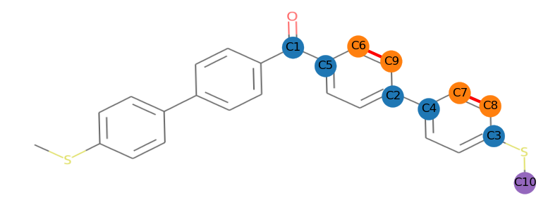
 | ppm | Intensity | Width | Area | Type | Flags | Impurity/Compound | Annotation
1 | 195.79 | 15.5 | 1.93 | 295.05 | Compound | None
2 | 144.5 | 41.9 | 1.63 | 746.48 | Compound | None
3 | 139.07 | 50.7 | 1.32 | 715.93 | Compound | None
4 | 136.65 | 46.4 | 1.71 | 846.72 | Compound | None
5 | 136.13 | 211 | 1.6 | 3607.95 | Compound | None
6 | 130.75 | 189.7 | 1.86 | 3762.13 | Compound | None
7 | 127.53 | 19.8 | 8.3 | 1378.42 | Compound | None
8 | 126.81 | 118.7 | 1.43 | 1844.96 | Compound | None
9 | 126.55 | 118.7 | 1.43 | 1844.96 | Compound | None
10 | 15.68 | 118.7 | 1.43 | 1844.96 | Compound | None

