Calculations
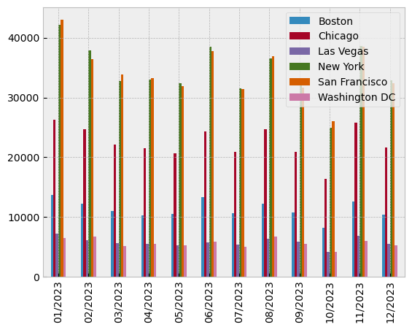
Load data from Power Query
Prepare time series
Available years | 2022 | 2023
Filter for year
Group by store and month
Pivot table "sales_summary"
Plot

