Images
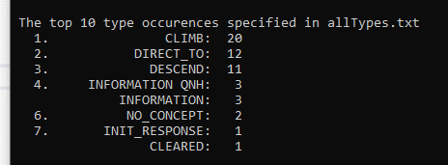
Example for exercise-4-1-02.jpg
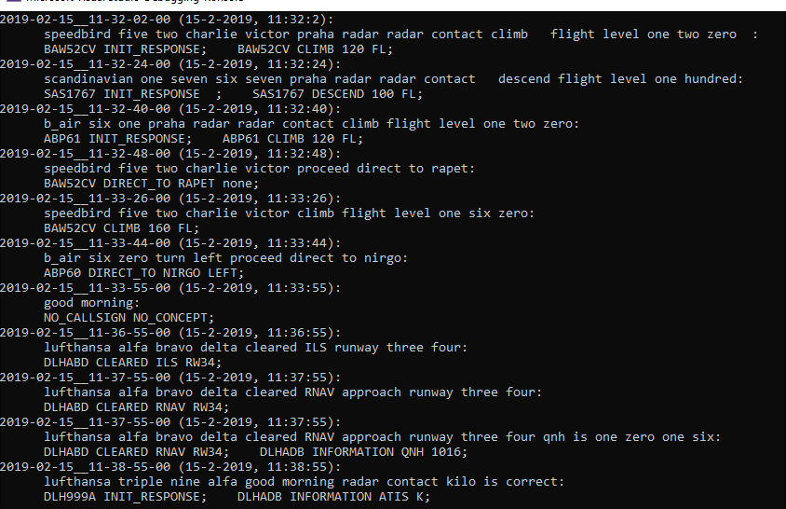

Example for exercise-4-1-03.jpg

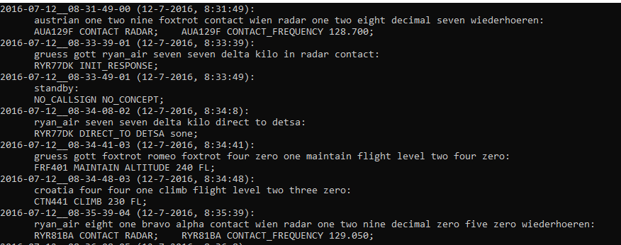

Example for exercise-4-1-04.jpg

Example for exercise-4-3-03.jpg BigWordSeqPlusCmdsFile.txt
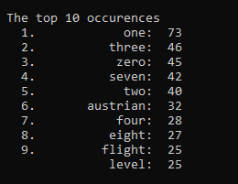

Example for exercise-4-4-03.jpg BigWordSeqPlusCmdsFile.txt

