Images
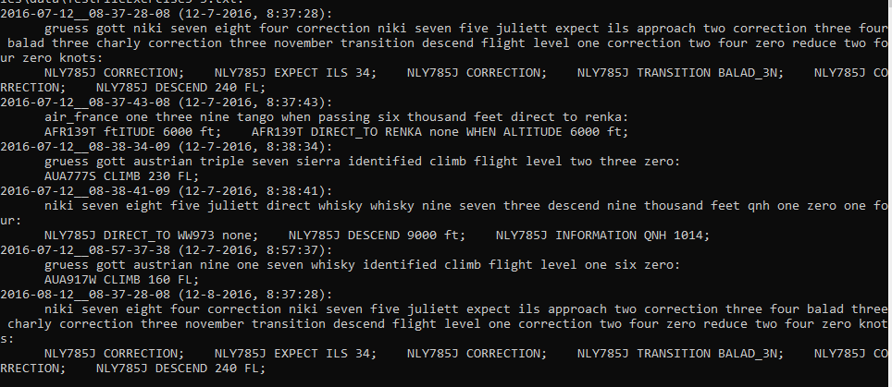
Expected output for exercise5-3-ProgramRuns02.jpg

