Images
exercise7-wordSeqOutput-2.jpg

Solution for exercise7-ReadUtterOutputNumbers.jpg for BACHELOR

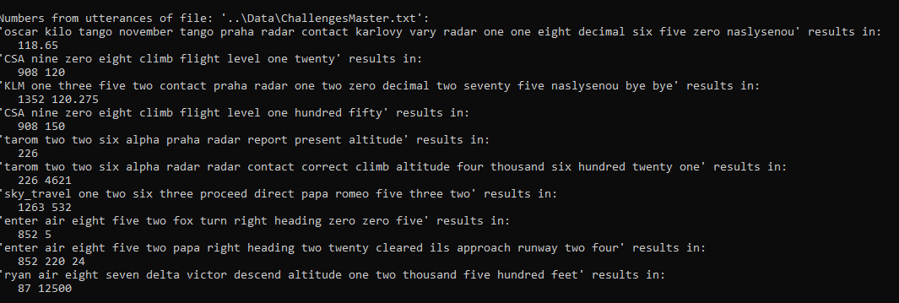
Solution for exercise7-ReadUtterOutputNumbers.jpg for MASTER

