Sheet1
slot_s | fecha | Hora | Sat_ID | distancia_km | elevacion_deg | azimuth_deg | is_visible_outer | is_visible_inner | FSPL | PRx | PTx (dbW) | Tx Gain | Rx Gain | Frecuency (GHz) | 2.00 | Ls
0 | 2025-01-01 | 00:00:00 | SAT_1 | 2479.9541189 | 3.3763854352 | 276.09076474 | FALSE | FALSE | 46.351245022 | 0.65 | 11.00 | 8.00 | 30.00 | 2000000.00 | 300000000.00 | 2.00
0 | 2025-01-01 | 00:00:00 | SAT_2 | 5826.6119744 | -20.423652738 | 85.795379559 | FALSE | FALSE | 53.77069404 | -6.77
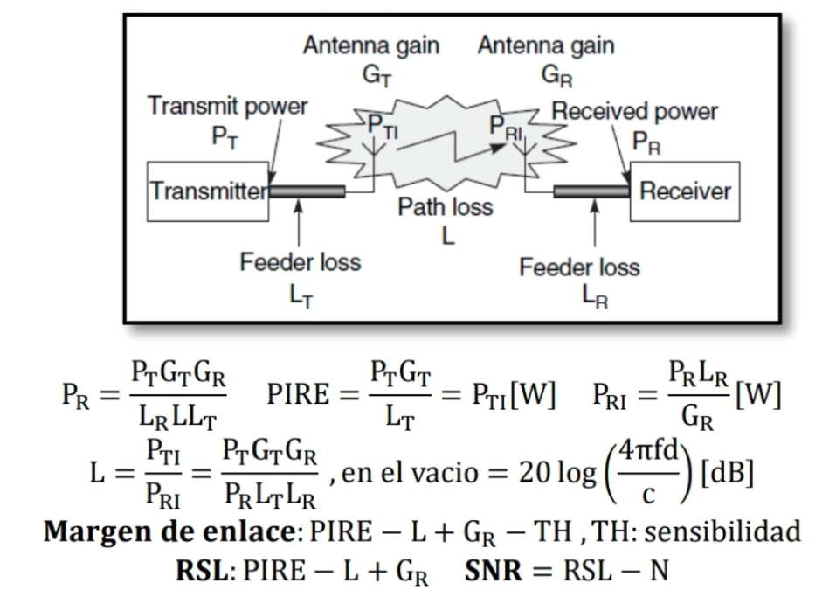
0 | 2025-01-01 | 00:00:00 | SAT_3 | 11761.990858 | -60.30160882 | 90.171898075 | FALSE | FALSE | 59.87198885 | -12.87
0 | 2025-01-01 | 00:00:00 | SAT_4 | 13231.208034 | -81.787731712 | 257.36576686 | FALSE | FALSE | 60.894362057 | -13.89
0 | 2025-01-01 | 00:00:00 | SAT_5 | 9662.5215342 | -43.824335323 | 268.02512449 | FALSE | FALSE | 58.164181595 | -11.16
0 | 2025-01-01 | 00:00:00 | SAT_6 | 13236.715081 | -81.973099677 | 266.05004606 | FALSE | FALSE | 60.897976516 | -13.90
0 | 2025-01-01 | 00:00:00 | SAT_7 | 9674.7179388 | -43.907797204 | 271.83025479 | FALSE | FALSE | 58.175138344 | -11.18
0 | 2025-01-01 | 00:00:00 | SAT_8 | 2479.9541189 | 3.3763854352 | 276.09076474 | FALSE | FALSE | 46.351245022 | 0.65
0 | 2025-01-01 | 00:00:00 | SAT_9 | 5806.3381147 | -20.302280515 | 90.657706065 | FALSE | FALSE | 53.740418541 | -6.74
0 | 2025-01-01 | 00:00:00 | SAT_10 | 11755.792991 | -60.241504435 | 92.981965092 | FALSE | FALSE | 59.867410698 | -12.87
1 | 2025-01-01 | 00:00:01 | SAT_1 | 2473.5949148 | 3.4423746467 | 276.11525366 | FALSE | FALSE | 46.328943688 | 0.67
1 | 2025-01-01 | 00:00:01 | SAT_2 | 5832.6362713 | -20.45933813 | 85.800274492 | FALSE | FALSE | 53.779669984 | -6.78
1 | 2025-01-01 | 00:00:01 | SAT_3 | 11765.174862 | -60.332159849 | 90.176412814 | FALSE | FALSE | 59.874339826 | -12.87
1 | 2025-01-01 | 00:00:01 | SAT_4 | 13230.303268 | -81.75803116 | 257.40677386 | FALSE | FALSE | 60.893768085 | -13.89
1 | 2025-01-01 | 00:00:01 | SAT_5 | 9657.8783988 | -43.792955085 | 268.02822138 | FALSE | FALSE | 58.160006758 | -11.16
1 | 2025-01-01 | 00:00:01 | SAT_6 | 13235.818888 | -81.943012342 | 266.07357497 | FALSE | FALSE | 60.897388417 | -13.90
1 | 2025-01-01 | 00:00:01 | SAT_7 | 9670.0763427 | -43.876389832 | 271.83183477 | FALSE | FALSE | 58.170970154 | -11.17
1 | 2025-01-01 | 00:00:01 | SAT_8 | 2473.5406241 | 3.4429419833 | 276.10309052 | FALSE | FALSE | 46.328753047 | 0.67
1 | 2025-01-01 | 00:00:01 | SAT_9 | 5812.3763274 | -20.338068723 | 90.66040581 | FALSE | FALSE | 53.749446606 | -6.75
1 | 2025-01-01 | 00:00:01 | SAT_10 | 11758.987925 | -60.272107093 | 92.984147785 | FALSE | FALSE | 59.869770987 | -12.87
2 | 2025-01-01 | 00:00:02 | SAT_1 | 2467.2365381 | 3.5085524946 | 276.13987213 | FALSE | FALSE | 46.30658786 | 0.69
2 | 2025-01-01 | 00:00:02 | SAT_2 | 5838.6591879 | -20.495009586 | 85.805161991 | FALSE | FALSE | 53.78863461 | -6.79
2 | 2025-01-01 | 00:00:02 | SAT_3 | 11768.355877 | -60.362709882 | 90.180933776 | FALSE | FALSE | 59.87668796 | -12.88
2 | 2025-01-01 | 00:00:02 | SAT_4 | 13229.395136 | -81.728326462 | 257.44749461 | FALSE | FALSE | 60.893171863 | -13.89
2 | 2025-01-01 | 00:00:02 | SAT_5 | 9653.2328251 | -43.761572464 | 268.03131826 | FALSE | FALSE | 58.15582772 | -11.16
2 | 2025-01-01 | 00:00:02 | SAT_6 | 13234.919326 | -81.912923532 | 266.09693247 | FALSE | FALSE | 60.896798067 | -13.90
2 | 2025-01-01 | 00:00:02 | SAT_7 | 9665.4322985 | -43.844980074 | 271.8334143 | FALSE | FALSE | 58.166797763 | -11.17
2 | 2025-01-01 | 00:00:02 | SAT_8 | 2467.127676 | 3.5096935078 | 276.11548203 | FALSE | FALSE | 46.306204603 | 0.69
2 | 2025-01-01 | 00:00:02 | SAT_9 | 5818.4131501 | -20.373842724 | 90.663100855 | FALSE | FALSE | 53.758463221 | -6.76
2 | 2025-01-01 | 00:00:02 | SAT_10 | 11762.17987 | -60.302708823 | 92.986333159 | FALSE | FALSE | 59.872128429 | -12.87
3 | 2025-01-01 | 00:00:03 | SAT_1 | 2460.8790019 | 3.5749203897 | 276.16462122 | FALSE | FALSE | 46.28417731 | 0.72
3 | 2025-01-01 | 00:00:03 | SAT_2 | 5844.6807223 | -20.530667153 | 85.810042084 | FALSE | FALSE | 53.797587938 | -6.80
3 | 2025-01-01 | 00:00:03 | SAT_3 | 11771.533903 | -60.393258918 | 90.185460984 | FALSE | FALSE | 59.879033254 | -12.88
3 | 2025-01-01 | 00:00:03 | SAT_4 | 13228.483639 | -81.69861766 | 257.48793217 | FALSE | FALSE | 60.89257339 | -13.89
3 | 2025-01-01 | 00:00:03 | SAT_5 | 9648.5848144 | -43.730187454 | 268.03441515 | FALSE | FALSE | 58.151644475 | -11.15
3 | 2025-01-01 | 00:00:03 | SAT_6 | 13234.016394 | -81.882833263 | 266.12012045 | FALSE | FALSE | 60.896205465 | -13.90
3 | 2025-01-01 | 00:00:03 | SAT_7 | 9660.7858075 | -43.813567925 | 271.83499337 | FALSE | FALSE | 58.162621166 | -11.16
3 | 2025-01-01 | 00:00:03 | SAT_8 | 2460.7152854 | 3.5766415096 | 276.1279398 | FALSE | FALSE | 46.28359944 | 0.72
3 | 2025-01-01 | 00:00:03 | SAT_9 | 5824.4485807 | -20.409602564 | 90.665791215 | FALSE | FALSE | 53.767468411 | -6.77
3 | 2025-01-01 | 00:00:03 | SAT_10 | 11765.368826 | -60.333309628 | 92.988521224 | FALSE | FALSE | 59.874483023 | -12.87
4 | 2025-01-01 | 00:00:04 | SAT_1 | 2454.5223377 | 3.6414795617 | 276.18950196 | FALSE | FALSE | 46.261711875 | 0.74
4 | 2025-01-01 | 00:00:04 | SAT_2 | 5850.7008553 | -20.566310772 | 85.814914782 | FALSE | FALSE | 53.806529966 | -6.81
4 | 2025-01-01 | 00:00:04 | SAT_3 | 11774.708929 | -60.423806871 | 90.189994451 | FALSE | FALSE | 59.881375703 | -12.88
4 | 2025-01-01 | 00:00:04 | SAT_4 | 13227.568779 | -81.668904882 | 257.52808939 | FALSE | FALSE | 60.891972667 | -13.89
4 | 2025-01-01 | 00:00:04 | SAT_5 | 9643.9343814 | -43.698800142 | 268.03751204 | FALSE | FALSE | 58.147457034 | -11.15
4 | 2025-01-01 | 00:00:04 | SAT_6 | 13233.110096 | -81.852741634 | 266.14314073 | FALSE | FALSE | 60.895610614 | -13.90
4 | 2025-01-01 | 00:00:04 | SAT_7 | 9656.1368845 | -43.782153471 | 271.83657198 | FALSE | FALSE | 58.158440372 | -11.16
4 | 2025-01-01 | 00:00:04 | SAT_8 | 2454.3034819 | 3.6437873098 | 276.14046435 | FALSE | FALSE | 46.260937369 | 0.74
4 | 2025-01-01 | 00:00:04 | SAT_9 | 5830.4826001 | -20.445348188 | 90.668476904 | FALSE | FALSE | 53.776462172 | -6.78
4 | 2025-01-01 | 00:00:04 | SAT_10 | 11768.554782 | -60.363909419 | 92.990711978 | FALSE | FALSE | 59.876834765 | -12.88
5 | 2025-01-01 | 00:00:05 | SAT_1 | 2448.1665214 | 3.708231837 | 276.21451556 | FALSE | FALSE | 46.239191193 | 0.76
5 | 2025-01-01 | 00:00:05 | SAT_2 | 5856.7196198 | -20.601940696 | 85.819780145 | FALSE | FALSE | 53.815460768 | -6.82
5 | 2025-01-01 | 00:00:05 | SAT_3 | 11777.880973 | -60.45435392 | 90.194534213 | FALSE | FALSE | 59.88371532 | -12.88
5 | 2025-01-01 | 00:00:05 | SAT_4 | 13226.650553 | -81.639187996 | 257.56796948 | FALSE | FALSE | 60.891369692 | -13.89
5 | 2025-01-01 | 00:00:05 | SAT_5 | 9639.2815004 | -43.667410341 | 268.04060895 | FALSE | FALSE | 58.143265366 | -11.14
5 | 2025-01-01 | 00:00:05 | SAT_6 | 13232.200427 | -81.822648485 | 266.16599526 | FALSE | FALSE | 60.895013509 | -13.90
5 | 2025-01-01 | 00:00:05 | SAT_7 | 9651.4855036 | -43.750736526 | 271.83815015 | FALSE | FALSE | 58.154255354 | -11.15
5 | 2025-01-01 | 00:00:05 | SAT_8 | 2447.8922392 | 3.7111328279 | 276.15305635 | FALSE | FALSE | 46.238218008 | 0.76
5 | 2025-01-01 | 00:00:05 | SAT_9 | 5836.5152414 | -20.48107985 | 90.671157947 | FALSE | FALSE | 53.785444579 | -6.79
5 | 2025-01-01 | 00:00:05 | SAT_10 | 11771.737756 | -60.394508376 | 92.992905456 | FALSE | FALSE | 59.879183671 | -12.88
6 | 2025-01-01 | 00:00:06 | SAT_1 | 2441.8115851 | 3.7751784734 | 276.23966305 | FALSE | FALSE | 46.216615097 | 0.78
6 | 2025-01-01 | 00:00:06 | SAT_2 | 5862.7369966 | -20.637556867 | 85.824638184 | FALSE | FALSE | 53.824380341 | -6.82
6 | 2025-01-01 | 00:00:06 | SAT_3 | 11781.050026 | -60.484899977 | 90.199080284 | FALSE | FALSE | 59.886052102 | -12.89
6 | 2025-01-01 | 00:00:06 | SAT_4 | 13225.728961 | -81.609467129 | 257.60757524 | FALSE | FALSE | 60.890764466 | -13.89
6 | 2025-01-01 | 00:00:06 | SAT_5 | 9634.6261859 | -43.636018138 | 268.04370588 | FALSE | FALSE | 58.139069482 | -11.14
6 | 2025-01-01 | 00:00:06 | SAT_6 | 13231.287389 | -81.792553915 | 266.1886858 | FALSE | FALSE | 60.894414151 | -13.89
6 | 2025-01-01 | 00:00:06 | SAT_7 | 9646.8316796 | -43.719317176 | 271.83972787 | FALSE | FALSE | 58.150066117 | -11.15
6 | 2025-01-01 | 00:00:06 | SAT_8 | 2441.4815872 | 3.7786794162 | 276.16571632 | FALSE | FALSE | 46.215441166 | 0.78
6 | 2025-01-01 | 00:00:06 | SAT_9 | 5842.5464852 | -20.516797493 | 90.673834355 | FALSE | FALSE | 53.794415629 | -6.79
6 | 2025-01-01 | 00:00:06 | SAT_10 | 11774.917737 | -60.425106411 | 92.995101655 | FALSE | FALSE | 59.881529734 | -12.88
7 | 2025-01-01 | 00:00:07 | SAT_1 | 2435.457542 | 3.8423209368 | 276.26494558 | FALSE | FALSE | 46.193983355 | 0.81
7 | 2025-01-01 | 00:00:07 | SAT_2 | 5868.7529837 | -20.673159331 | 85.829488927 | FALSE | FALSE | 53.833288708 | -6.83
7 | 2025-01-01 | 00:00:07 | SAT_3 | 11784.216086 | -60.515445044 | 90.203632686 | FALSE | FALSE | 59.88838605 | -12.89
7 | 2025-01-01 | 00:00:07 | SAT_4 | 13224.804006 | -81.579742319 | 257.64690953 | FALSE | FALSE | 60.890156988 | -13.89
7 | 2025-01-01 | 00:00:07 | SAT_5 | 9629.9684393 | -43.604623528 | 268.04680283 | FALSE | FALSE | 58.134869375 | -11.13
7 | 2025-01-01 | 00:00:07 | SAT_6 | 13230.370983 | -81.762457938 | 266.21121414 | FALSE | FALSE | 60.893812541 | -13.89
7 | 2025-01-01 | 00:00:07 | SAT_7 | 9642.1754136 | -43.687895415 | 271.84130515 | FALSE | FALSE | 58.14587266 | -11.15
7 | 2025-01-01 | 00:00:07 | SAT_8 | 2435.0715371 | 3.8464286368 | 276.17844483 | FALSE | FALSE | 46.192606587 | 0.81
7 | 2025-01-01 | 00:00:07 | SAT_9 | 5848.5763298 | -20.552501164 | 90.676506146 | FALSE | FALSE | 53.803375345 | -6.80
7 | 2025-01-01 | 00:00:07 | SAT_10 | 11778.094726 | -60.455703527 | 92.997300586 | FALSE | FALSE | 59.883872956 | -12.88
8 | 2025-01-01 | 00:00:08 | SAT_1 | 2429.1044057 | 3.909660707 | 276.29036427 | FALSE | FALSE | 46.171295733 | 0.83
8 | 2025-01-01 | 00:00:08 | SAT_2 | 5874.7675794 | -20.708748133 | 85.834332401 | FALSE | FALSE | 53.842185889 | -6.84
8 | 2025-01-01 | 00:00:08 | SAT_3 | 11787.379153 | -60.54598912 | 90.20819144 | FALSE | FALSE | 59.890717165 | -12.89
8 | 2025-01-01 | 00:00:08 | SAT_4 | 13223.875686 | -81.550013606 | 257.68597517 | FALSE | FALSE | 60.889547258 | -13.89
8 | 2025-01-01 | 00:00:08 | SAT_5 | 9625.3082618 | -43.573226505 | 268.04989982 | FALSE | FALSE | 58.130665043 | -11.13
8 | 2025-01-01 | 00:00:08 | SAT_6 | 13229.45121 | -81.732360566 | 266.23358204 | FALSE | FALSE | 60.893208678 | -13.89
8 | 2025-01-01 | 00:00:08 | SAT_7 | 9637.516707 | -43.656471241 | 271.842882 | FALSE | FALSE | 58.141674978 | -11.14
8 | 2025-01-01 | 00:00:08 | SAT_8 | 2428.6621002 | 3.9143820674 | 276.19124247 | FALSE | FALSE | 46.169714012 | 0.83
8 | 2025-01-01 | 00:00:08 | SAT_9 | 5854.6047733 | -20.588190909 | 90.679173335 | FALSE | FALSE | 53.812323749 | -6.81
8 | 2025-01-01 | 00:00:08 | SAT_10 | 11781.268722 | -60.486299724 | 92.999502259 | FALSE | FALSE | 59.88621334 | -12.89
9 | 2025-01-01 | 00:00:09 | SAT_1 | 2422.7521898 | 3.9771992785 | 276.31592026 | FALSE | FALSE | 46.148551995 | 0.85
9 | 2025-01-01 | 00:00:09 | SAT_2 | 5880.7807817 | -20.744323317 | 85.839168633 | FALSE | FALSE | 53.851071909 | -6.85
9 | 2025-01-01 | 00:00:09 | SAT_3 | 11790.539225 | -60.576532209 | 90.212756569 | FALSE | FALSE | 59.893045449 | -12.89
9 | 2025-01-01 | 00:00:09 | SAT_4 | 13222.944003 | -81.520281028 | 257.72477497 | FALSE | FALSE | 60.888935275 | -13.89
9 | 2025-01-01 | 00:00:09 | SAT_5 | 9620.6456546 | -43.541827067 | 268.05299685 | FALSE | FALSE | 58.126456482 | -11.13
9 | 2025-01-01 | 00:00:09 | SAT_6 | 13228.528068 | -81.702261812 | 266.25579125 | FALSE | FALSE | 60.892602562 | -13.89
9 | 2025-01-01 | 00:00:09 | SAT_7 | 9632.8555608 | -43.625044646 | 271.84445841 | FALSE | FALSE | 58.137473066 | -11.14
9 | 2025-01-01 | 00:00:09 | SAT_8 | 2422.2532879 | 3.9825413016 | 276.20410984 | FALSE | FALSE | 46.146763181 | 0.85
9 | 2025-01-01 | 00:00:09 | SAT_9 | 5860.6318139 | -20.623866774 | 90.68183594 | FALSE | FALSE | 53.821260865 | -6.82
9 | 2025-01-01 | 00:00:09 | SAT_10 | 11784.439722 | -60.516895004 | 93.001706685 | FALSE | FALSE | 59.888550886 | -12.89
10 | 2025-01-01 | 00:00:10 | SAT_1 | 2416.400908 | 4.04493816 | 276.34161471 | FALSE | FALSE | 46.125751904 | 0.87
10 | 2025-01-01 | 00:00:10 | SAT_2 | 5886.7925888 | -20.779884929 | 85.84399765 | FALSE | FALSE | 53.859946788 | -6.86
10 | 2025-01-01 | 00:00:10 | SAT_3 | 11793.696303 | -60.607074311 | 90.217328094 | FALSE | FALSE | 59.895370902 | -12.90
...

