User-Guide
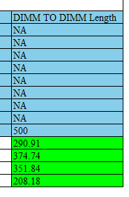
PyACT for Checklist: User-Guide

Basic Tutorial
Step.1: 導入Allegro Boardfile & "Setting" Sheet設定
 | 2-1.在"Setting" Sheet, 點擊"Load Allegro PCB Design File (*.brd)"按鈕, 導入Boardfile, 程序會自動從boardfile中擷取所需資訊並產生*.rpt的報告

 | 2-2.在同一Sheet的"Layer Type Definition:"底下, 根據實際的疊層輸入類型定義(MS/SL/DSL/NA), 層名稱皆須為大寫, 範例如下:
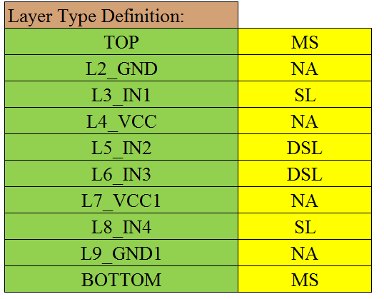

 |  |  |  |  | Note: 可用"Load Layer List"功能直接從brd中導入Layer List

 | 2-3.在同一Sheet的"Start Component Name List:"底下, 輸入起始器件名稱, 範例如下:
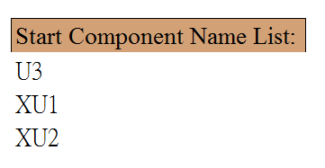
 |  |  |  |  | Note: 可在"Min. Pin Number"欄位底下輸入最小的Pin Number,
 |  |  |  |  | 再用"Load Start Component"功能自動從brd中導入Component List再手動過濾

Step.3: "Netlist" Sheet設定
 | 3-1.程序根據"allegro_report.rpt"文件, 將Net分為1.差分 2.單端 3.非信號三種,
 | 在程序運行過程中會以該Sheet的List為依據將資料分類, 因此務必確保本Sheet的資料為正確, 以免影響結果
 | 其中非信號的Net會被程序當作擷取Topology結構的一個中止點, 預設由程序自訂的規則去判斷(例:"+"開頭的為Power)
 | 只有信號線(單端, 差分)才會被當作Topology結構的一部分

 | 3-2.在實際brd中有可能會發生差分線定義不完全的情況, 因此在該Sheet提供了使用者自行除錯的功能
 | 在"User-Defined Differential Net List"底下填入未被程序定義為差分的信號名稱, 範例如下:

 | 填入之後, 再次運行"Net Type Detect"即可

 | 3-3.非信號線的偵測同樣提供使用者自定義的選項, 在"User-Defined not Non-Signal Net List"底下填入被誤判為非信號的Net Name,
 | 再點擊"Net Type Detect"即可, 範例如下:

 | Note: 3-2, 3-3非必要操作, 為後續過程發生問題debug的手段
Step.4: 運行Topology擷取主程序
 | 4-1. 在"Setting" Sheet頂端, 選擇"Signal Type"(Differential or Single-Ended)後, 點擊"Run Extraction" (Differential: ACT_diff, Single-Ended: ACT_se)
Step.5: 根據專案實際Topology建立模板(參照"template"Sheet)
 | 5-1.模板格式說明
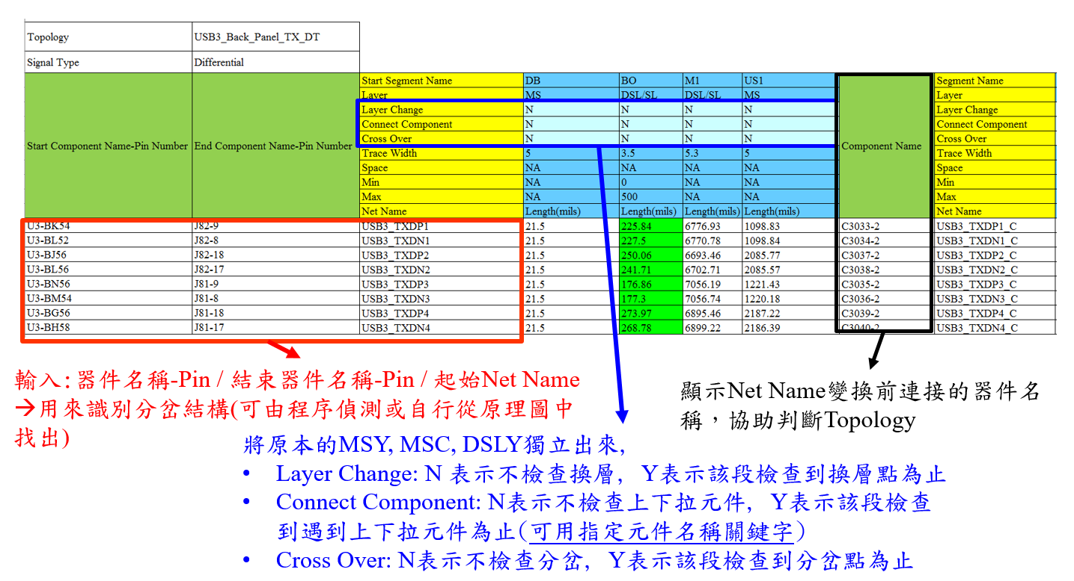
 |  |  |  |  |  |  |  | 特殊語法說明:
 |  |  |  |  |  |  |  | 1. 忽略特定Segment 檢查:
 |  |  |  |  |  |  |  | 在Net Name後以!字符分割, 填入忽略的Segment
 |  |  |  |  |  |  |  | Name, Ex: USB3_TXDP1!DB!M1
 |  |  |  |  |  |  |  |  | ->可使用Assign Command按鈕, 批量填入
 |  |  |  |  |  |  |  | 2. 忽略指定段數檢查:
 |  |  |  |  |  |  |  | 在Net Name後以!字符分割, 填入忽略的段數名稱
 |  |  |  |  |  |  |  | 段數名稱定義: 表格從左到右, 碰到的第一個"Component Name"
 |  |  |  |  |  |  |  | 以及所屬Segment的段數名稱為"$CN1", 第二個為"$CN2", 以此類推
 |  |  |  |  |  |  |  | Ex: SPI_SCK_PCH!$CN1

 |  |  |  |  |  |  |  | 3. 指定檢查到特定器件為止:
 |  |  |  |  |  |  |  | 在"Connect Component"欄位, 如需指定欲檢查
 |  |  |  |  |  |  |  | 到的器件名稱, 只需填入完整或部分器件名稱
 |  |  |  |  |  |  |  | (多個器件以/字符分割), 也可加上指定Pin角
 |  |  |  |  |  |  |  | EX:
 |  |  |  |  |  |  |  |  | LU10/UU12
 |  |  |  |  |  |  |  |  | LU10-2/UU12-3
 |  |  |  |  |  |  |  |  | LU/UU
 |  |  |  |  |  |  |  | 4. Skew to Target: 如需檢查該類mismatch
 |  |  |  |  |  |  |  | 需在"Skew to Target"欄位填上以下語法:
 | Note: "Cross Over"欄位會檢查碰到的第一個分岔點, 在實際Layout中可能有眾多分岔點, |  |  |  |  |  |  | Skew to Target:(start sch-pin 1, end sch-pin 1, start net 1):(start sch-pin 2, end sch-pin 2, start net 2):…
 | 造成判斷誤差, 使用該功能請特別注意 |  |  |  |  |  |  | 多個target以:字符分割
 |  |  |  |  |  |  |  | Ex: Skew to Target:(U3-CA28,U5-59,SML1CLK):(U3-CA28,U518-6,SML1CLK)
 | Note: "Layer Change"和"Cross Over"可指定該段到第幾個換層or分岔點才停止 |  |  |  |  |  |  | 指定Net忽略該檢查:在Net Name後以!字符分割, 填入"$SK2T"
 | (語法:Y+數字, Ex: Y3表示到第三個換層or分岔點停止), Y和Y1為等效的設定 |  |  |  |  |  |  | Ex: SPI_SCK_PCH!$SK2T
 |  |  |  |  |  |  |  | 5. Group Mismatch
 |  |  |  |  |  |  |  | 在"Group Mismatch"欄位填上以下語法:
 |  |  |  |  |  |  |  | Group Mismatch:Topology Name 1:Topology Name 2:…
 |  |  |  |  |  |  |  | 指定的Topology需在同一個Sheet
 |  |  |  |  |  |  |  | Ex: Group Mismatch:DMI_PCH_T1

 | 5-2. 模板功能鍵說明: 所有功能按鍵需先點擊Topology Cell再行點擊
 |  | 1. "Detect Start & End Component": 填入起始Net Name之後, 該功能可從ACT sheet中自動擷取所有可能的起始&結尾器件名稱-Pin角, 方便人工進行Topology的判斷
 |  | 如發現Topology擷取不完整的情況(例:USB擷取到CMC就停止了), 大多數情況都是因為行經無定義出入Pin的器件, 請回報程序作者進行程序的更新
 |  | 2. "Check Topology": 根據格式將每段長度填入
 |  | 3. "Show Results": 根據表格內現有的數據, 判斷Pass or Fail
 |  | 4. "Clear Results": 清除已檢查資料
 |  | 5. "Load Default Topology Format: Single-Ended": 載入預設單端線Topology格式(先點擊任意空白Cell)
 |  | 6. "Load Default Topology Format: Differential": 載入預設差分線Topology格式(先點擊任意空白Cell)
 |  | 7. "Convert Format": 轉換舊版格式為本工具支援的格式
 |  |  | 舊版格式:

 |  |  | 本工具支援之格式:

 |  |  | Note: Signal Type旁需自行填上"Differential" or "Single-ended"

 |  | 8. "Load Simple Topology": 導入無長度信息的ACT Data, 協助判斷Layer和Trace Width分佈
 |  |  | 在空白處選擇任一Cell, 點擊"Load Simple Topology Format", 程序會自動寫入以下表格

 |  |  |  |  |  |  | Note: 如果只填Start Net Name欄位的資料, 程序會自動帶入所有線路

 |  |  | 在下方填入對應資料後, 選取"Simple Topology" Cell, 點擊"Load Simple Topology", 程序會自動載入以下格式的ACT Data

 |  | 特殊語法說明:
 |  | 1. "Detect Start & End Component": 指定導入Start Component Name
 |  | 在Topology後以:字符分割, 添加指定起始器件名稱, 再點擊"Detect Start & End Component"鈕
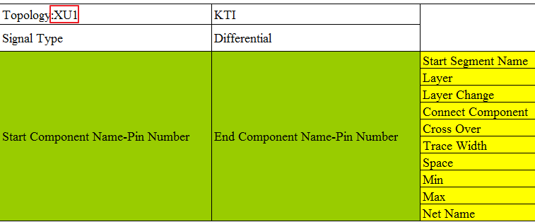

 |  | 2. "Detect Start & End Component": 指定導入End Component Name
 |  | 在Signal Type後以:字符分割, 添加指定終點器件名稱, 再點擊"Detect Start & End Component"鈕
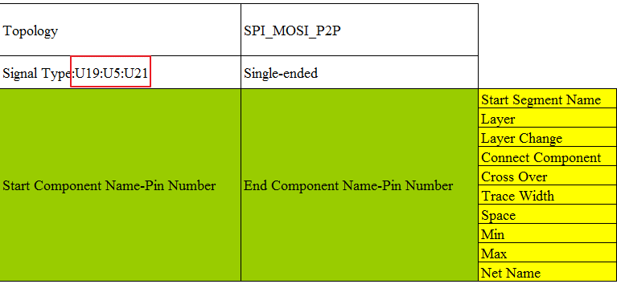

Advanced & Back-up

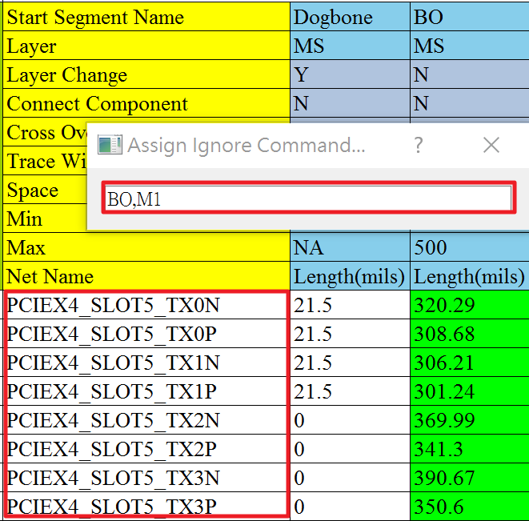
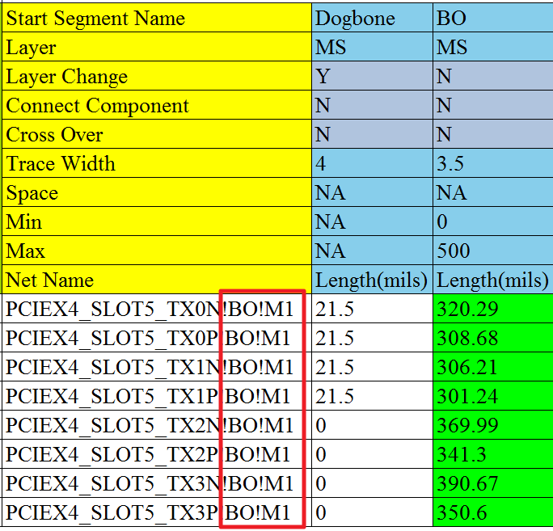
Assign Command Function
Select the target net name
Push the “Assign Command”, and input the ignored segment name (splited by ",")
Press Enter

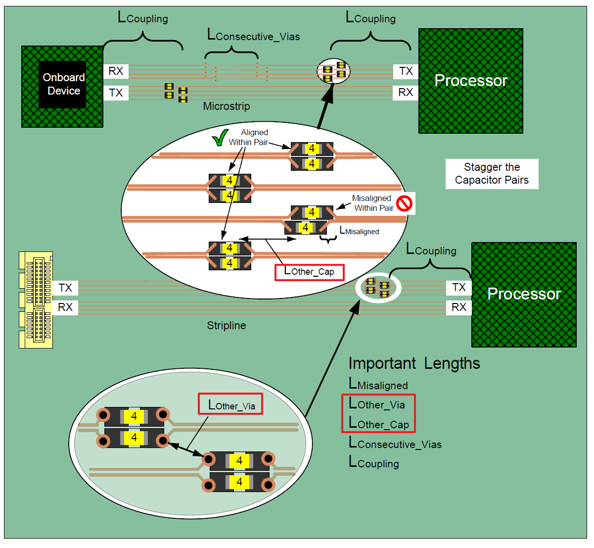
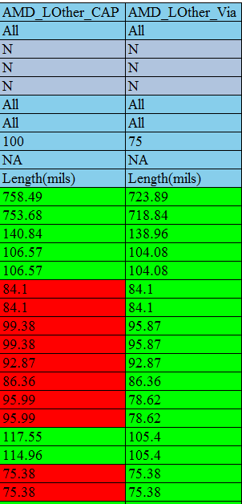
AMD Platform – Capacitor Placement Check
Topology Format Example:
Keyword title:
AMD_LOther_CAP
AMD_LOther_Via


Excel Macro Reference Fix
Auto-fix the macro reference error
Use it whenever you copy a template from different excel workbook!
At the “Setting” sheet

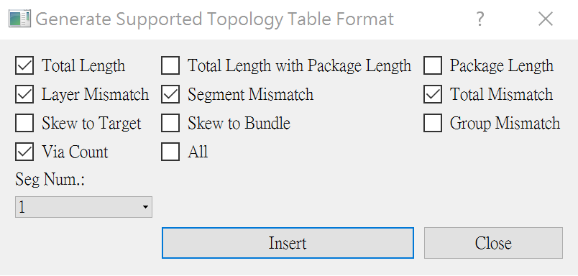
Topology Table Generator:

 | Package Length Support

 | Step.1: 依照此格式命名一個空白的工作表 --> PKG_Len_COMPONENT NAME, Ex: PKG_Len_U1

 | Step.2: 按照下圖格式將Pin Name和對應Package Length填入(注意單位)
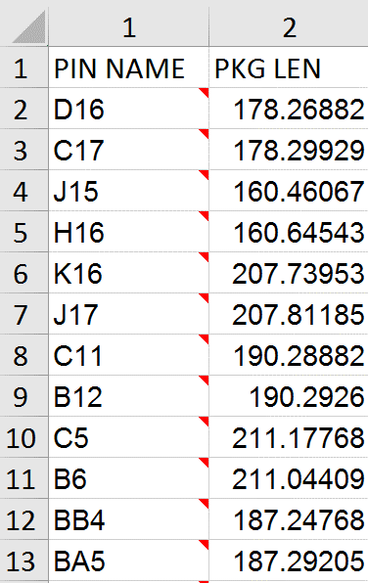

 |  |  |  | Note: 如果Topology Table中，TX的Package Length Sheet以及對應Pin Name和Package Length存在,
 |  |  |  | 在計算所有跟總長相關的Mismatch, 會自動將Package Length考慮進去

 | User-Defined Terminated Component & Pin

 | 功能: 使用者可自行定義強制為終點器件(以及Pin角)的清單 ---> 此設定可覆蓋程序內部預設以及在"dist\pin_mapping_library.csv"中所定義的出pin器件列表

 | Step.1: 打開本模板預設隱藏的工作表"SymbolList"

 | Step.2: 在該工作表的"User-Defined Termination {format:SCH Name-Pin}"欄位底下(如舊模板沒有此欄位可自行添加), 以"Component Name-Pin Number"的格式新增
 | 欲強制作為終點器件的列表, 如下圖:

Newly Added Modules For DDR

 | 新添加的模塊

 | 功能作用

 | Check Tab按鈕實現對DDR每條信號線上Tab的種類、每種類型Tab的數量、Tab總數量以及Tab的長度進行管控

 | DIM_TO_DIM按鈕實現了對連接兩個DIMM上的信號線在兩個DIMM槽之間的長度進行管控

 | 表格製作

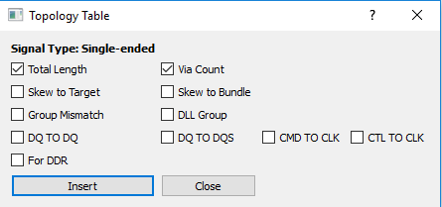
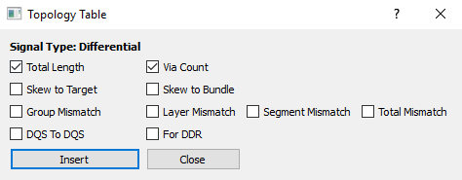

 | 根據自己的需要選擇要表格show出的信息

 | 使用規範：1.規定CLK信號表格應寫在第一個表格 2.規定check tab中填入信號線的順序應于前面兩個表格順序一致

 | Check Tab

 | Check之前的注意事项：因为我们每次check一组types的Tab，每组types中包含四个DQS信号线与八个DQ信号线，格式如下图：

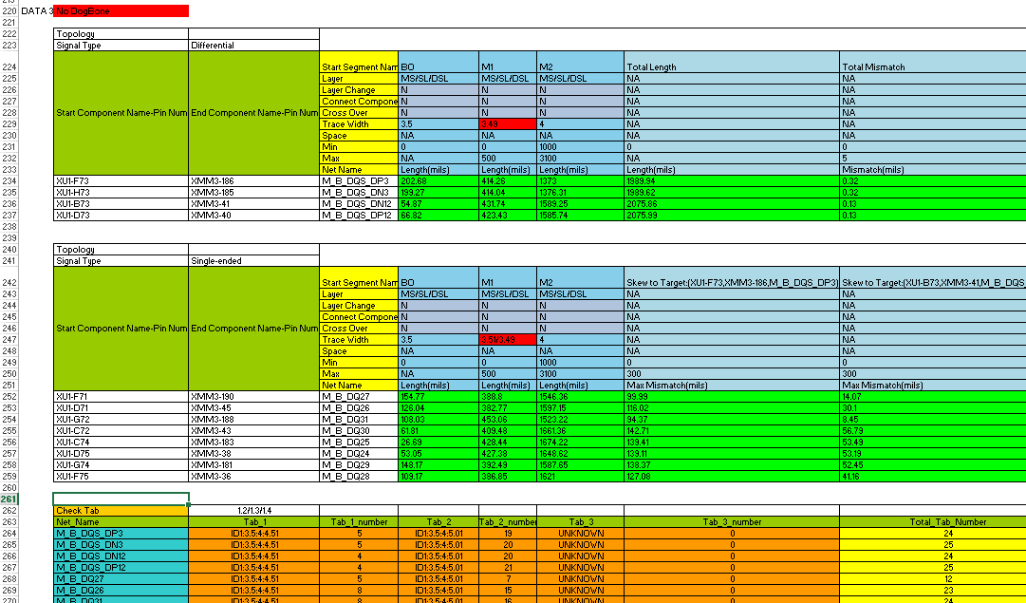

DQS信号

DQ信号

Tab的长度系数（默认是1.2/1.3/1.4）

Check Tab表格中填入的信号顺序要与上两个表，即DQS信号 + DQ信号

 | 1.DDR Tab的數據是從brd文件中獲取的，用Intel工具截取出的数据：

 | PDG中步骤如下：

 | 具体操作：

 | a.先将graft.il与graft.bmp两个文件放在brd同一级文件夹下。打开brd文件，并在Command中依次输入下列两条指令

 | b.输入指令后出现Graft Utility小工具，将视图调整到Tab所在的线并选择小工具的Report功能点击Load截取有Tab的信号线，工具会自动生成报告界面

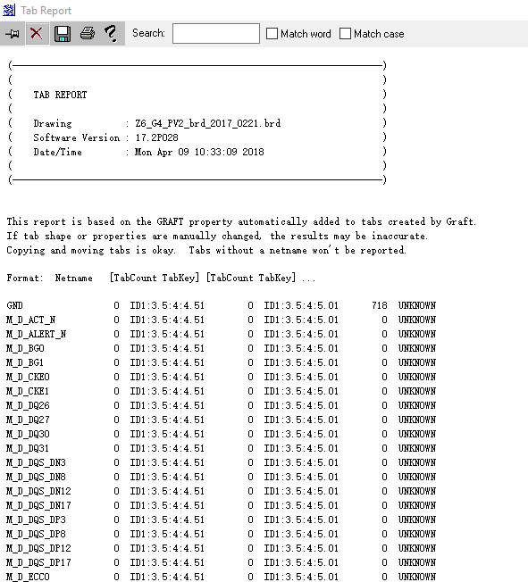
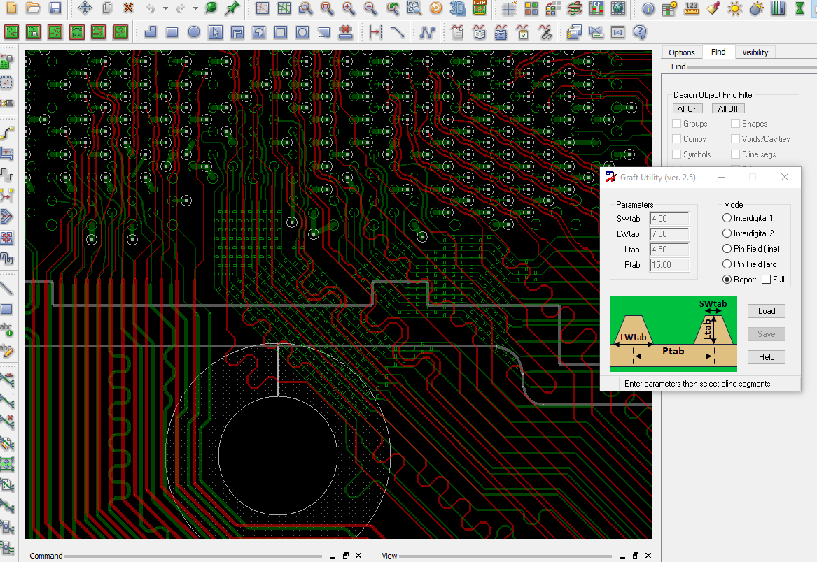

 | c.將其中的數據部分提出，存在checklist同一級文件夾下，存為“test_data.xlsx”(名稱不可改變)

 | test_data.xlsx中的數據排列應從第一行開始，不中斷
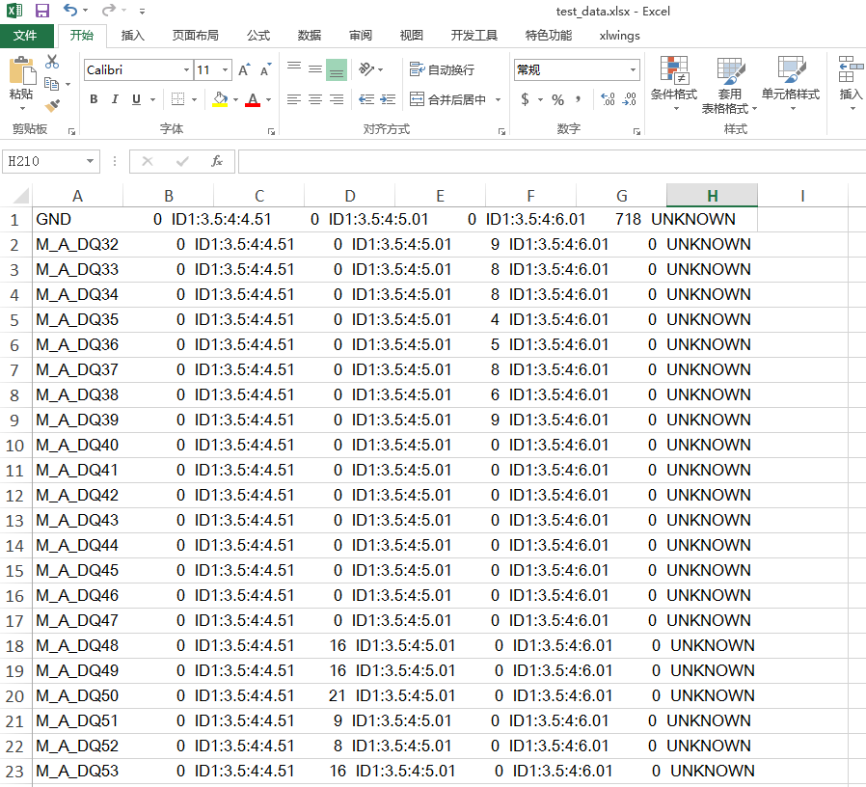

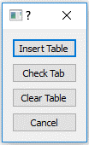

 | 2.在checklist工具表中空白處任選一cell，點擊Check Tab按鈕出現

 | 3.點擊Insert Table，自動插入表格

 | 4.填入要check的net_name，並在Check Tab后一個cell處填入計算Total_Tab_Length的比例係數(默认是1.2/1.3/1.4)，用“/”隔開，如下圖：

 | 5.鼠標選擇Check Tab cell，點擊Check Tab按鈕選擇Check Tab
 | 如果check的net數據在test_data.xlsx中存在則show出Tab，並比較Total_Tab_Number，若極差大於2則將最大值最小值標為Fail，若net不存在show None
 | 若Tab不足三種類型，則不存在的為UNKNOWN

 | 並且程序會自動將DQS,DQ表格中的Total length與Check Tab中的Total_Tab_Length相加并將數值及管控添加在DQS,DQ兩表格之後
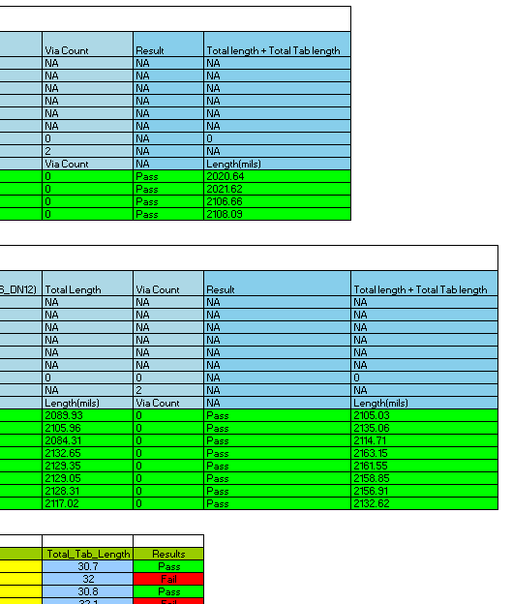

 |  |  |  |  |  | 注：Total length + Total Tab length 的長度管控延續當前表格前面的
 |  |  |  |  |  | Total length管控條件，不能單獨修改

 | DIMM_TO_DIMM

 | 1.點擊所要運行表格的Toppology cell，點擊DIMM_TO_DIMM按鈕，選擇Insert DIMM Table按鈕插入表格并設置管控條件,如下圖:

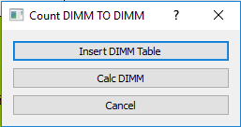

 | 2.點擊Calc DIMM運行程序，結果綠色為pass紅色為fail

DMI
Topology | TX | 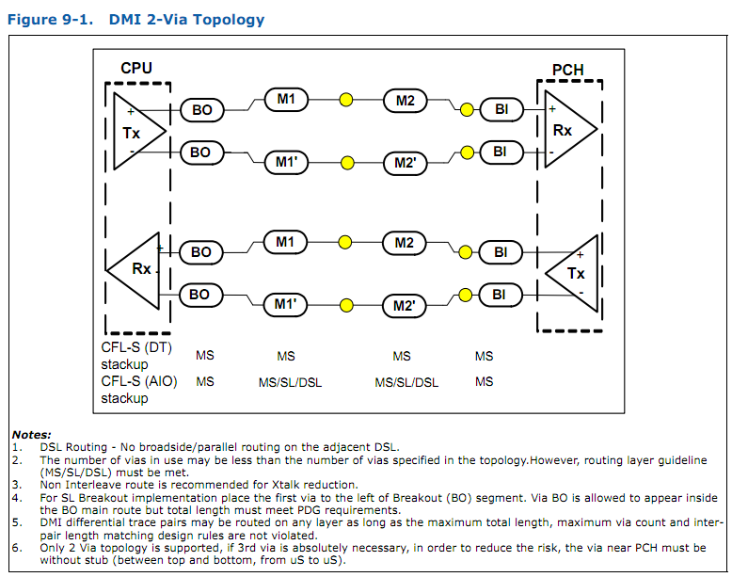
Signal Type | Differential
Start Component Name-Pin Number | End Component Name-Pin Number | Start Segment Name | BO | M1 | M2 | BI | Total Length | Segment Mismatch | Layer Mismatch | Total Mismatch | Via Count | Result | Mismatch between lanes(mils)
 |  | Layer | MS | MS | DSL | MS | NA | NA | NA | NA | NA | NA | NA
 |  | Layer Change | N | Y | N | N | NA | NA | NA | NA | NA | NA | NA
 |  | Connect Component | N | N | N | N | NA | NA | NA | NA | NA | NA | NA
 |  | Cross Over | N | N | N | N | NA | NA | NA | NA | NA | NA | NA
 |  | Trace Width | 3.5 | 4 | 4 | 3.5 | NA | NA | NA | NA | NA | NA | NA
 |  | Space | NA | NA | NA | NA | NA | NA | NA | NA | NA | NA | NA
 |  | Min | 0 | 0 | 0 | 0 | 1000 | 0 | 0 | 0 | 0 | NA | 0
 |  | Max | 300 | 1500 | 7000 | 300 | 7000 | 5 | 10 | 5 | 2 | NA | 2000
 |  | Net Name | Length(mils) | Length(mils) | Length(mils) | Length(mils) | Length(mils) | Max Mismatch(mils) | Max Mismatch(mils) | Mismatch(mils) | Via Count | NA | Mismatch(mils)
CPU-AC2 | U229-F30 | DMI_CPU_TXP_0 | 125.2 | 536.47 | 4070.57 | 21.34 | 4753.58 | BO:8.53,M1:7.29,M2:20.12 | 20.12 | 8.19 | 2 | Fail | 115.65
CPU-AC1 | U229-G30 | DMI_CPU_TXN_0 | 116.67 | 529.18 | 4090.69 | 25.23 | 4761.77 | BO:8.53,M1:7.29,M2:20.12 | 20.12 | 8.19 | 2 | Fail
CPU-AD3 | U229-J32 | DMI_CPU_TXP_1 | 212.21 | 338.23 | 4233.95 | 23.08 | 4807.47 | BO:5.88,M1:6.57 | 1.81 | 3.09 | 2 | Fail
CPU-AD2 | U229-K32 | DMI_CPU_TXN_1 | 206.33 | 344.8 | 4235.76 | 23.67 | 4810.56 | BO:5.88,M1:6.57 | 1.81 | 3.09 | 2 | Fail
CPU-AE2 | U229-F34 | DMI_CPU_TXP_2 | 147.24 | 527.31 | 3996.57 | 23.79 | 4694.91 | BO:9.52,M1:7.37,M2:16.78 | 16.78 | 16.33 | 2 | Fail
CPU-AE1 | U229-G33 | DMI_CPU_TXN_2 | 137.72 | 534.68 | 4013.35 | 25.49 | 4711.24 | BO:9.52,M1:7.37,M2:16.78 | 16.78 | 16.33 | 2 | Fail
CPU-AF2 | U229-J35 | DMI_CPU_TXP_3 | 129.98 | 611.97 | 3955.03 | 26.07 | 4723.05 | BO:10.71,M1:7.99 | 3.8 | 8.82 | 2 | Fail
CPU-AF3 | U229-K34 | DMI_CPU_TXN_3 | 119.27 | 619.96 | 3952.73 | 22.27 | 4714.23 | BO:10.71,M1:7.99 | 3.8 | 8.82 | 2 | Fail

Topology | RX
Signal Type | Differential
Start Component Name-Pin Number | End Component Name-Pin Number | Start Segment Name | BO | M1 | M2 | BI | Total Length | Segment Mismatch | Layer Mismatch | Total Mismatch | Via Count | Result | Mismatch between lanes(mils)
 |  | Layer | MS | MS | MS/DSL | MS | NA | NA | NA | NA | NA | NA | NA
 |  | Layer Change | N | Y | N | N | NA | NA | NA | NA | NA | NA | NA
 |  | Connect Component | N | N | N | N | NA | NA | NA | NA | NA | NA | NA
 |  | Cross Over | N | N | N | N | NA | NA | NA | NA | NA | NA | NA
 |  | Trace Width | 3.5 | 4 | 4 | 3.5 | NA | NA | NA | NA | NA | NA | NA
 |  | Space | NA | NA | NA | NA | NA | NA | NA | NA | NA | NA | NA
 |  | Min | 0 | 0 | 0 | 0 | 1000 | 0 | 0 | 0 | 0 | NA | 0
 |  | Max | 300 | 1500 | 7000 | 300 | 7000 | 5 | 10 | 5 | 2 | NA | 2000
 |  | Net Name | Length(mils) | Length(mils) | Length(mils) | Length(mils) | Length(mils) | Max Mismatch(mils) | Max Mismatch(mils) | Mismatch(mils) | Via Count | NA | Mismatch(mils)
CPU-Y3 | U229-B29 | DMI_CPU_RXP_0 | 191.67 | 259.94 | 3964.39 | 253.95 | 4669.95 | BI:22.39 | 21.43 | 26.39 | 2 | Fail | 36.13
CPU-Y4 | U229-C29 | DMI_CPU_RXN_0 | 194.55 | 259.09 | 3966.36 | 276.34 | 4696.34 | BI:22.39 | 21.43 | 26.39 | 2 | Fail
CPU-AA4 | U229-B31 | DMI_CPU_RXP_1 | 229.92 | 437.22 | 3901.58 | 265.15 | 4833.87 | M2:11.37,M2:33.31,BI:24.93 | 11.37 | 16.66 | 2 | Fail
CPU-AA5 | U229-C31 | DMI_CPU_RXN_1 | 230.37 | 439.86 | 3856.9 | 290.08 | 4817.21 | M2:11.37,M2:33.31,BI:24.93 | 11.37 | 16.66 | 2 | Fail
CPU-AB4 | U229-B32 | DMI_CPU_RXP_2 | 203.47 | 98.98 | 4010.2 | 279.96 | 4592.61 | M1:5.24,M2:13.92,BI:6.64 | 7.28 | 3.44 | 2 | Fail
CPU-AB3 | U229-C32 | DMI_CPU_RXN_2 | 199.78 | 104.22 | 3998.57 | 286.6 | 4589.17 | M1:5.24,M2:13.92,BI:6.64 | 7.28 | 3.44 | 2 | Fail
CPU-AC4 | U229-B33 | DMI_CPU_RXP_3 | 256.31 | 241.02 | 4062.85 | 271.07 | 4831.25 | BO:8.66,M1:12.56,M2:25.35,M2:15.08,BI:13.53 | 28.61 | 7.16 | 2 | Fail
CPU-AC5 | U229-C33 | DMI_CPU_RXN_3 | 247.65 | 253.58 | 4052.58 | 284.6 | 4838.41 | BO:8.66,M1:12.56,M2:25.35,M2:15.08,BI:13.53 | 28.61 | 7.16 | 2 | Fail

Topology
Signal Type | Single-ended
Start Component Name-Pin Number | End Component Name-Pin Number | Start Segment Name | M1 | Total Length | Via Count | Result
 |  | Layer | MS | NA | NA | NA
 |  | Layer Change | N | NA | NA | NA
 |  | Connect Component | N | NA | NA | NA
 |  | Cross Over | N | NA | NA | NA
 |  | Trace Width | 5 | NA | NA | NA
 |  | Space | NA | NA | NA | NA
 |  | Min | NA | 0 | NA | NA
 |  | Max | NA | 600 | NA | NA
 |  | Net Name | Length(mils) | Length(mils) | Via Count | NA
CPU-L7 | R6289-2 | PEGICOMP_MCP | 269.26 | 269.26 | 0 | Pass

M.2
Topology | TX(GEN3)
Signal Type | Differential
Start Component Name-Pin Number | End Component Name-Pin Number | Start Segment Name | BO | M1 | M2 | Component Name | Segment Name | M3 | Total Length | Layer Mismatch | Total Mismatch | Via Count | Result |  | Mismatch between Tx and RX
 |  | Layer | MS | MS/DSL | MS/DSL |  | Layer | MS | NA | NA | NA | NA | NA |  | NA
 |  | Layer Change | N | Y | N |  | Layer Change | N | NA | NA | NA | NA | NA |  | NA
 |  | Connect Component | N | N | N |  | Connect Component | N | NA | NA | NA | NA | NA |  | NA
 |  | Cross Over | N | N | N |  | Cross Over | N | NA | NA | NA | NA | NA |  | NA
 |  | Trace Width | 3.5 | 4 | 4 |  | Trace Width | 4 | NA | NA | NA | NA | NA |  | NA
 |  | Space | NA | NA | NA |  | Space | NA | NA | NA | NA | NA | NA |  | NA
 |  | Min | 0 | NA | NA |  | Min | 0 | 2519 | 0 | 0 | 0 | NA |  | 0
 |  | Max | 598 | NA | NA |  | Max | 314 | 7992 | 10 | 5 | 3 | NA |  | 2000
 |  | Net Name | Length(mils) | Length(mils) | Length(mils) |  | Net Name | Length(mils) | Length(mils) | Max Mismatch(mils) | Mismatch(mils) | Via Count | NA |  | Mismatch(mils)
U229-A42 | M.2_PCIE/SATA4-47 | PCIE_TXN17 | 186.1 | 173.7 | 3031.55 | CL29-2 | PCIE_TXN17_C | 192.58 | 3583.93 | 7.69 | 4.55 | 2 | Pass |  | 1036.28
U229-B42 | M.2_PCIE/SATA4-49 | PCIE_TXP17 | 195.53 | 171.96 | 3031.39 | CL30-2 | PCIE_TXP17_C | 189.6 | 3588.48 | 7.69 | 4.55 | 2 | Pass
U229-C42 | M.2_PCIE/SATA4-35 | PCIE_TXN18 | 185.5 | 267.29 | 3168.91 | CL27-2 | PCIE_TXN18_C | 193.38 | 3815.08 | 8.55 | 16.33 | 2 | Fail
U229-D42 | M.2_PCIE/SATA4-37 | PCIE_TXP18 | 206.98 | 254.36 | 3176.93 | CL28-2 | PCIE_TXP18_C | 193.14 | 3831.41 | 8.55 | 16.33 | 2 | Fail
U229-C44 | M.2_PCIE/SATA4-23 | PCIE_TXN19 | 177.14 | 90.5 | 3317.77 | CL37-2 | PCIE_TXN19_C | 149.68 | 3735.09 | 30.71 | 13.55 | 2 | Fail
U229-D43 | M.2_PCIE/SATA4-25 | PCIE_TXP19 | 208.88 | 76.99 | 3286.03 | CL39-2 | PCIE_TXP19_C | 149.64 | 3721.54 | 30.71 | 13.55 | 2 | Fail
U229-A44 | M.2_PCIE/SATA4-11 | PCIE_TXN20 | 53.81 | 3544.8 | 105.26 | CL38-2 | PCIE_TXN20_C | 347.56 | 4051.43 | 4.67 | 1.22 | 2 | Fail
U229-B44 | M.2_PCIE/SATA4-13 | PCIE_TXP20 | 49.14 | 3549.23 | 107.01 | CL40-2 | PCIE_TXP20_C | 347.27 | 4052.65 | 4.67 | 1.22 | 2 | Fail

Topology | RX(GEN3)
Signal Type | Differential
Start Component Name-Pin Number | End Component Name-Pin Number | Start Segment Name | BO | M1 | M2 | Component Name | Segment Name | M3 | Total Length | Layer Mismatch | Total Mismatch | Via Count | Result
 |  | Layer | MS | DSL | MS |  | Layer | MS | NA | NA | NA | NA | NA
 |  | Layer Change | N | Y | N |  | Layer Change | N | NA | NA | NA | NA | NA
 |  | Connect Component | N | N | N |  | Connect Component | N | NA | NA | NA | NA | NA
 |  | Cross Over | N | N | N |  | Cross Over | N | NA | NA | NA | NA | NA
 |  | Trace Width | 3.5 | 4 | 4 |  | Trace Width | 4 | NA | NA | NA | NA | NA
 |  | Space | NA | NA | NA |  | Space | NA | NA | NA | NA | NA | NA
 |  | Min | 0 | NA | NA |  | Min | 0 | 2519 | 0 | 0 | 0 | NA
 |  | Max | 598 | NA | NA |  | Max | 314 | 7992 | 10 | 5 | 2 | NA
 |  | Net Name | Length(mils) | Length(mils) | Length(mils) |  | Net Name | Length(mils) | Length(mils) | Max Mismatch(mils) | Mismatch(mils) | Via Count | NA
U229-K43 | M.2_PCIE/SATA4-43 | PCIE_RXN17 | 32.04 | 3529.75 | 95.88 | RU86-2 | PCIE_RXN17_R | 208.79 | 3866.46 | 37.92 | 37.81 | 2 | Fail
U229-K44 | M.2_PCIE/SATA4-41 | PCIE_RXP17 | 31.23 | 3491.83 | 97.44 | RU87-2 | PCIE_RXP17_R | 208.15 | 3828.65 | 37.92 | 37.81 | 2 | Fail
U229-P41 | M.2_PCIE/SATA4-29 | PCIE_RXN18 | 24.33 | 3686.14 | 59.84 | RU84-2 | PCIE_RXN18_R | 177.77 | 3948.08 | 41 | 43.1 | 2 | Fail
U229-R40 | M.2_PCIE/SATA4-31 | PCIE_RXP18 | 24.73 | 3727.14 | 60.9 | RU85-2 | PCIE_RXP18_R | 178.41 | 3991.18 | 41 | 43.1 | 2 | Fail
U229-M44 | M.2_PCIE/SATA4-17 | PCIE_RXN19 | 56.34 | 3591.55 | 95.85 | RU118-2 | PCIE_RXN19_R | 116.5 | 3860.24 | 17.71 | 16.79 | 2 | Fail
U229-N42 | M.2_PCIE/SATA4-19 | PCIE_RXP19 | 48.63 | 3600.18 | 78.69 | RU117-2 | PCIE_RXP19_R | 115.95 | 3843.45 | 17.71 | 16.79 | 2 | Fail
U229-R35 | M.2_PCIE/SATA4-5 | PCIE_RXN20 | 27 | 3994.25 | 149.17 | RU119-2 | PCIE_RXN20_R | 356.88 | 4527.3 | 72.76 | 92.91 | 2 | Fail
U229-R37 | M.2_PCIE/SATA4-7 | PCIE_RXP20 | 21.94 | 4067.01 | 160.42 | RU116-2 | PCIE_RXP20_R | 370.84 | 4620.21 | 72.76 | 92.91 | 2 | Fail

Topology | TX(GEN3) | 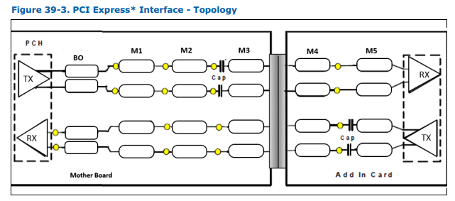
Signal Type | Differential
Start Component Name-Pin Number | End Component Name-Pin Number | Start Segment Name | BO | M1 | M2 | Component Name | Segment Name | M3 | Total Length | Layer Mismatch | Total Mismatch | Via Count | Result |  | Mismatch between Tx and RX
 |  | Layer | MS | DSL | MS |  | Layer | MS | NA | NA | NA | NA | NA |  | NA
 |  | Layer Change | N | Y | N |  | Layer Change | N | NA | NA | NA | NA | NA |  | NA
 |  | Connect Component | N | N | N |  | Connect Component | N | NA | NA | NA | NA | NA |  | NA
 |  | Cross Over | N | N | N |  | Cross Over | N | NA | NA | NA | NA | NA |  | NA
 |  | Trace Width | 3.5 | 4 | 4 |  | Trace Width | 4 | NA | NA | NA | NA | NA |  | NA
 |  | Space | NA | NA | NA |  | Space | NA | NA | NA | NA | NA | NA |  | NA
 |  | Min | 0 | NA | NA |  | Min | 0 | 2519 | 0 | 0 | 0 | NA |  | 0
 |  | Max | 598 | NA | NA |  | Max | 314 | 7992 | 10 | 5 | 3 | NA |  | 2000
 |  | Net Name | Length(mils) | Length(mils) | Length(mils) |  | Net Name | Length(mils) | Length(mils) | Max Mismatch(mils) | Mismatch(mils) | Via Count | NA |  | Mismatch(mils)
U229-B24 | M.2_WLAN-37 | PCIE_TXN8 | 137.65 | 2075.43 | 555.96 | CX88-2 | PCIE_TXN8_C | 105.06 | 2874.1 | 2.25 | 2.89 | 2 | Pass |  | 412.08
U229-C24 | M.2_WLAN-35 | PCIE_TXP8 | 138.03 | 2077.68 | 556.22 | CX85-2 | PCIE_TXP8_C | 105.06 | 2876.99 | 2.25 | 2.89 | 2 | Pass

Topology | RX(GEN3)
Signal Type | Differential
Start Component Name-Pin Number | End Component Name-Pin Number | Start Segment Name | BO | M1 | M2 | M3 | Total Length | Layer Mismatch | Total Mismatch | Via Count | Result
 |  | Layer | MS | DSL | MS | MS | NA | NA | NA | NA | NA
 |  | Layer Change | N | Y | Y | N | NA | NA | NA | NA | NA
 |  | Connect Component | N | N | N | N | NA | NA | NA | NA | NA
 |  | Cross Over | N | N | N | N | NA | NA | NA | NA | NA
 |  | Trace Width | 3.5 | 4 | 4 | 4 | NA | NA | NA | NA | NA
 |  | Space | NA | NA | NA | NA | NA | NA | NA | NA | NA
 |  | Min | 0 | NA | NA | 0 | 2519 | 0 | 0 | 0 | NA
 |  | Max | 598 | NA | NA | 314 | 7992 | 10 | 5 | 2 | NA
 |  | Net Name | Length(mils) | Length(mils) | Length(mils) | Length(mils) | Length(mils) | Max Mismatch(mils) | Mismatch(mils) | Via Count | NA
U229-F24 | M.2_WLAN-43 | PCIE_RXN8 | 21.53 | 1747.33 | 698.76 | NA | 2467.62 | 3.13 | 2.71 | 2 | Fail
U229-G24 | M.2_WLAN-41 | PCIE_RXP8 | 22.54 | 1744.2 | 698.17 | NA | 2464.91 | 3.13 | 2.71 | 2 | Fail

Topology
Signal Type | Differential
Start Component Name-Pin Number | End Component Name-Pin Number | Start Segment Name | BO | M1 | M2 | M3 | Component Name | Segment Name | M4 | Total Length | Layer Mismatch | Total Mismatch | Via Count | Result
 |  | Layer | MS | DSL | MS | MS |  | Layer | MS | NA | NA | NA | NA | NA
 |  | Layer Change | N | N | Y | N |  | Layer Change | N | NA | NA | NA | NA | NA
 |  | Connect Component | N | N | Y | N |  | Connect Component | N | NA | NA | NA | NA | NA
 |  | Cross Over | N | N | Y | N |  | Cross Over | N | NA | NA | NA | NA | NA
 |  | Trace Width | 3.5 | 4 | 4 | 4 |  | Trace Width | 4 | NA | NA | NA | NA | NA
 |  | Space | NA | NA | NA | NA |  | Space | NA | NA | NA | NA | NA | NA
 |  | Min | 0 | NA | NA | 0 |  | Min | 0 | 3000 | 0 | 0 | 0 | NA
 |  | Max | 598 | NA | NA | 150 |  | Max | 500 | 12000 | 10 | 5 | 3 | NA
 |  | Net Name | Length(mils) | Length(mils) | Length(mils) | Length(mils) |  | Net Name | Length(mils) | Length(mils) | Max Mismatch(mils) | Mismatch(mils) | Via Count | NA
U229-E5 | M.2_WLAN-5 | USB2_N14 | 30.85 | 1619.72 | 1260.64 | 12.96 | RX191-2 | USB2_N14_R | 153.93 | 3078.1 | 2.59 | 3.98 | 2 | Pass
U229-F6 | M.2_WLAN-3 | USB2_P14 | 28.93 | 1617.13 | 1262.42 | 12.12 | RX190-2 | USB2_P14_R | 153.52 | 3074.12 | 2.59 | 3.98 | 2 | Pass

