Total Sales
Sum of Sales |  |  | Coffe Type Name
Years (Order Date) | Months (Order Date) | Order Date | Arabica | Excelsa | Liberia | Robusto
2019 |  |  | 2,927 | 3,481 | 3,378 | 2,401
2020 |  |  | 3,356 | 3,663 | 2,604 | 2,493
2021 |  |  | 4,046 | 3,470 | 3,837 | 2,414
2022 |  |  | 1,440 | 1,692 | 2,235 | 1,697

Total Sales Over Time

Dahboard
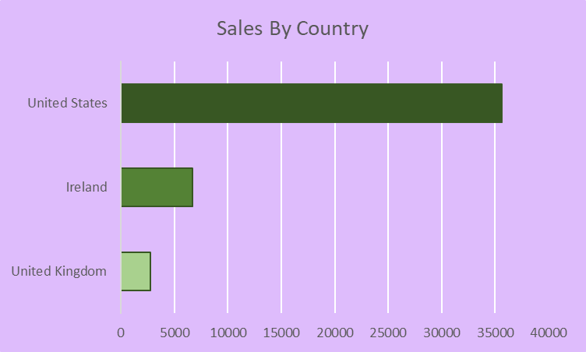
Coffe Sales Dashboard

Total Sales Over Time
 | Arabica | Excelsa | Liberia | Robusto
2019 | 2,927 | 3,481 | 3,378 | 2,401
2020 | 3,356 | 3,663 | 2,604 | 2,493
2021 | 4,046 | 3,470 | 3,837 | 2,414
2022 | 1,440 | 1,692 | 2,235 | 1,697

Sheet4
Sales By Country
Row Labels | Sum of Sales
United Kingdom | 2798.505
Ireland | 6696.865
United States | 35638.885
Grand Total | 45134.255

