Annual YoY Trajectory
GLOBAL BIKE SALES - ANNUAL YEAR-OVER-YEAR (YoY) FINANCIAL TRAJECTORY (2013–2023)
Multi-year revenue, gross profit, margin resilience, and growth rate analysis

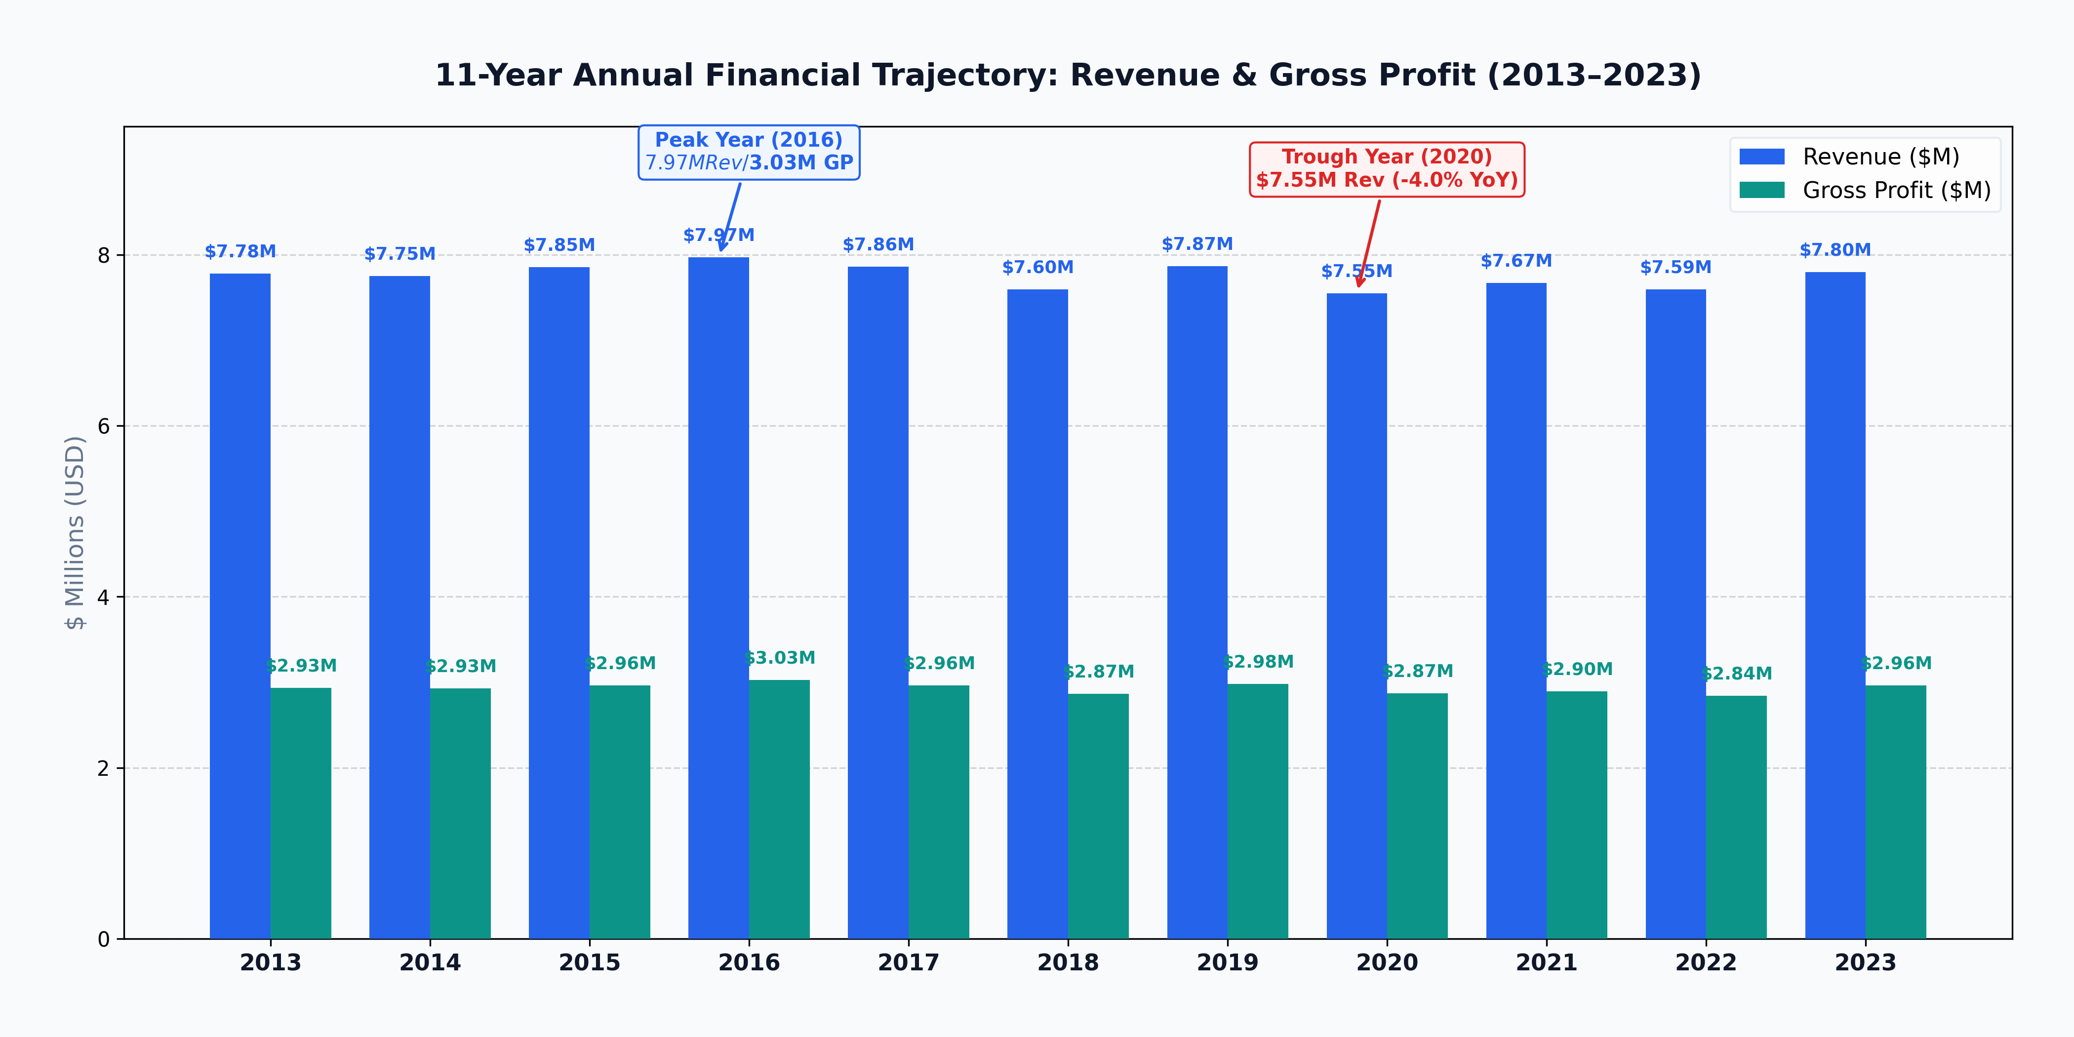
11-YEAR REVENUE |  | 11-YEAR GROSS PROFIT |  | PEAK PERFORMANCE |  | TROUGH YEAR |  | MARGIN BAND
$85,298,198 |  | $32,229,951 |  | $7,971,310 (2016) |  | $7,550,455 (2020) |  | 37.4% – 38.0%
Annual Avg: $7.75M (+0.0% CAGR) |  | 37.8% Blended Gross Margin |  | Gross Profit: $3,026,307 (38.0%) |  | -4.01% YoY Contraction |  | Unbroken 11-Year Stability Corridor

Operating Year | Revenue ($) | Prior Year Rev ($) | YoY Rev Delta ($) | YoY Rev Growth (%) | Gross Profit ($) | Prior Year GP ($) | YoY GP Delta ($) | YoY GP Growth (%) | Gross Margin (%) | Context & Trajectory
2013 | $7,782,163 |  |  |  | $2,933,932 |  |  |  | 37.7% | Baseline Year
2014 | $7,753,872 | $7,782,163 | -$28,291 | -0.4% | $2,929,264 | $2,933,932 | -$4,668 | -0.2% | 37.8% | Stable (-0.36%)
2015 | $7,853,503 | $7,753,872 | $99,631 | +1.3% | $2,963,825 | $2,929,264 | $34,561 | +1.2% | 37.7% | Growth (+1.29%)
2016 | $7,971,310 | $7,853,503 | $117,807 | +1.5% | $3,026,307 | $2,963,825 | $62,482 | +2.1% | 38.0% | Peak Year (+1.50%)
2017 | $7,862,502 | $7,971,310 | -$108,808 | -1.4% | $2,963,335 | $3,026,307 | -$62,972 | -2.1% | 37.7% | Slight Pullback (-1.36%)
2018 | $7,595,956 | $7,862,502 | -$266,546 | -3.4% | $2,867,297 | $2,963,335 | -$96,038 | -3.2% | 37.8% | Decline (-3.39%)
2019 | $7,865,723 | $7,595,956 | $269,767 | +3.6% | $2,980,984 | $2,867,297 | $113,687 | +4.0% | 37.9% | Rebound (+3.55%)
2020 | $7,550,455 | $7,865,723 | -$315,268 | -4.0% | $2,870,185 | $2,980,984 | -$110,799 | -3.7% | 38.0% | Trough Year (-4.01%)
2021 | $7,671,898 | $7,550,455 | $121,443 | +1.6% | $2,895,217 | $2,870,185 | $25,032 | +0.9% | 37.7% | Recovery (+1.61%)
2022 | $7,592,783 | $7,671,898 | -$79,115 | -1.0% | $2,839,784 | $2,895,217 | -$55,433 | -1.9% | 37.4% | Slight Contraction (-1.03%)
2023 | $7,798,033 | $7,592,783 | $205,250 | +2.7% | $2,959,821 | $2,839,784 | $120,037 | +4.2% | 38.0% | Strong Expansion (+2.70%)
Total / Avg |  | - |  |  |  | - |  |  |  | 11-Year Cumulative Baseline

Annual Revenue vs. Gross Profit (2013–2023)

Monthly Seasonality
MONTHLY SEASONALITY & DEMAND CYCLE DISTRIBUTION (AGGREGATE 2013–2023)
12-month seasonality curves, MoM velocity, demand cycle classification, and operational playbooks

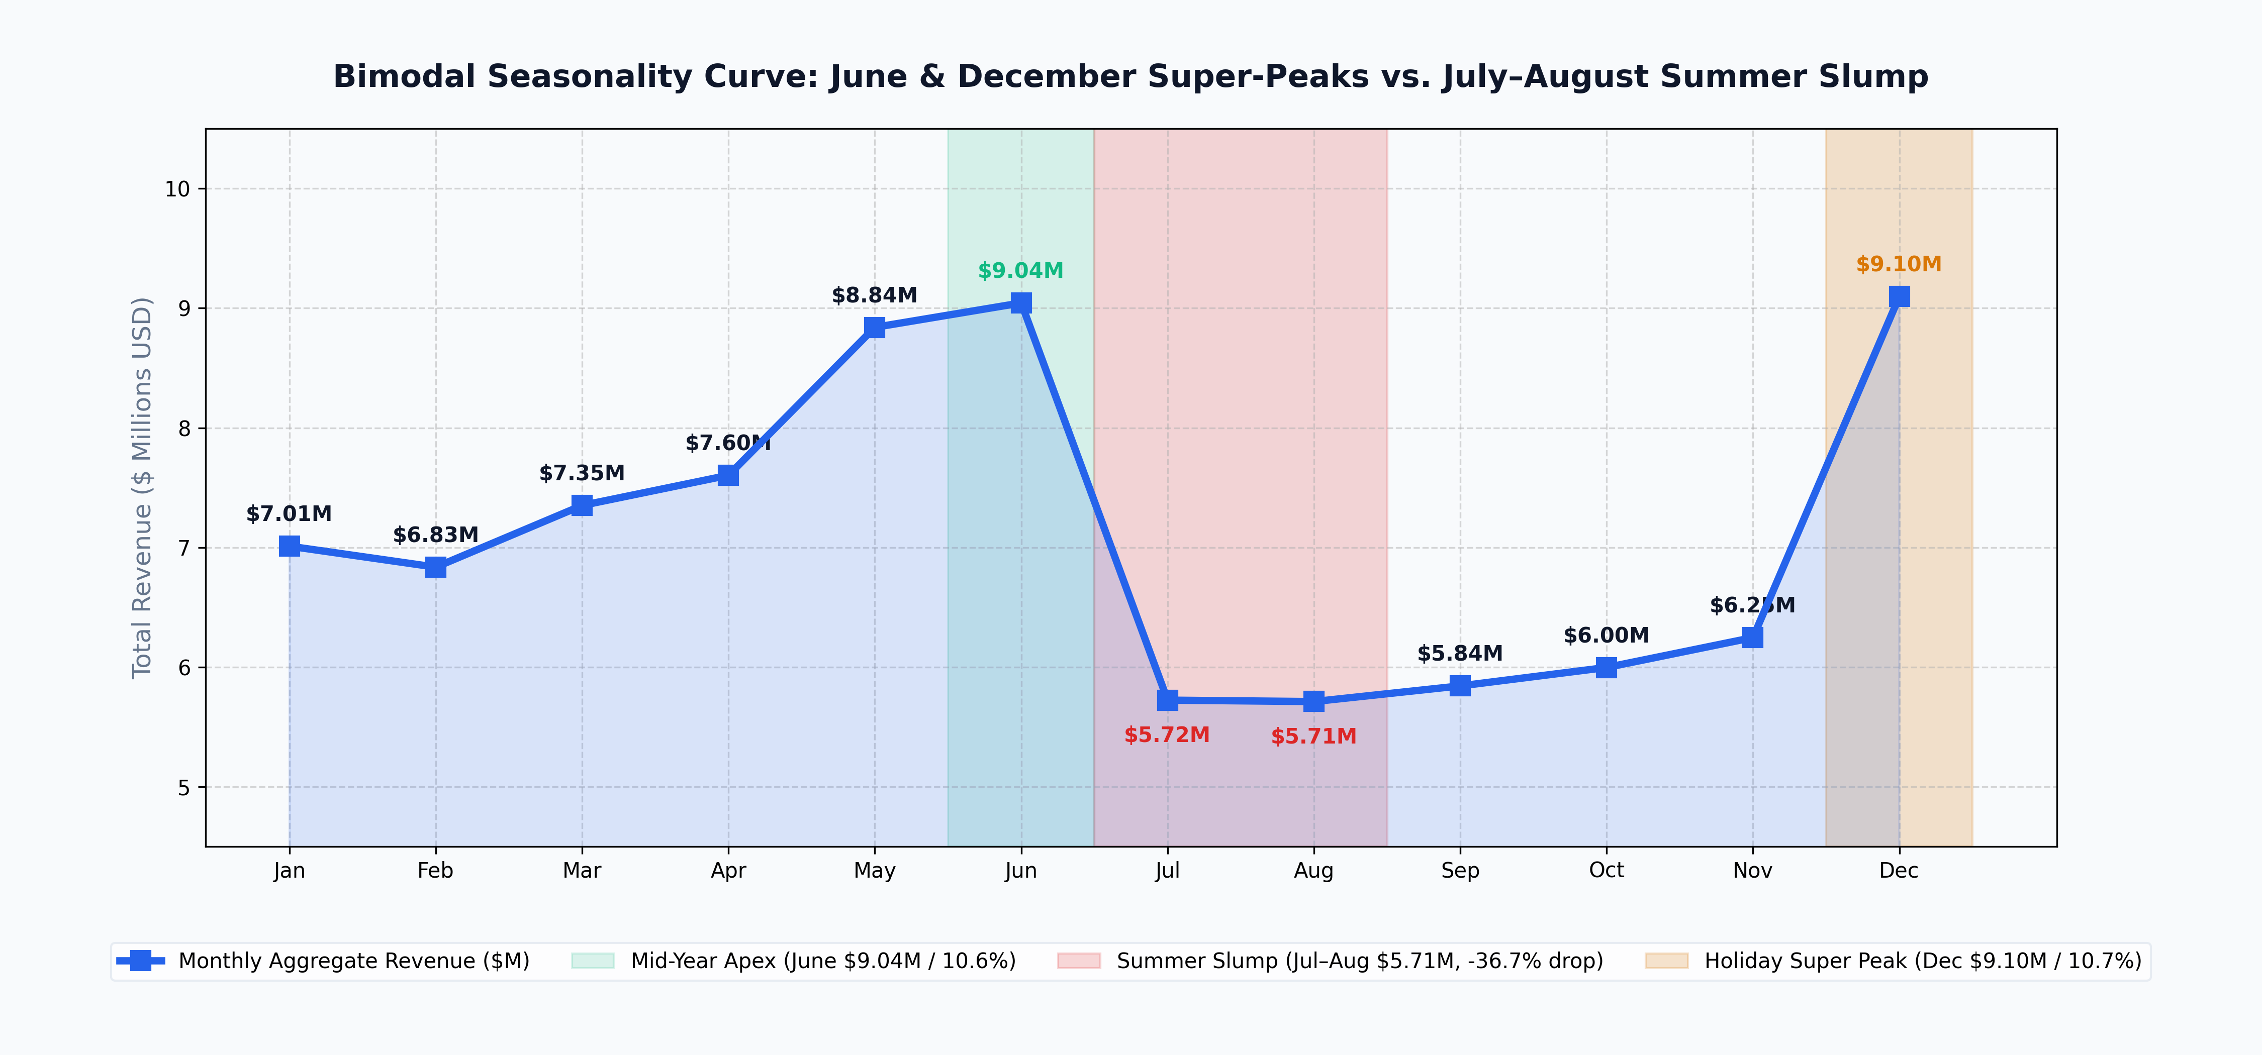
Month | Aggregate Revenue ($) | % of Total Sales | MoM Delta ($) | MoM Growth (%) | Demand Cycle Phase | Operational & Commercial Impact
January | $7,009,758 | 8.2% | -$2,087,312 | -22.9% | Post-Holiday Reset | Moderate baseline demand following year-end peak.
February | $6,834,583 | 8.0% | -$175,175 | -2.5% | Late Winter Trough | Annual trough month; prime window for inventory build.
March | $7,351,357 | 8.6% | $516,774 | +7.6% | Spring Ramp-Up | Outdoor cycling interest accelerates across NA & Europe.
April | $7,602,764 | 8.9% | $251,407 | +3.4% | Spring Momentum | Broad-based expansion across all bike categories.
May | $8,840,209 | 10.4% | $1,237,445 | +16.3% | Early Summer Surge | Pre-summer accessories and apparel purchasing surge.
June | $9,044,483 | 10.6% | $204,274 | +2.3% | Mid-Year Peak ($9.04M) | First major annual sales apex; peak riding season.
July | $5,722,784 | 6.7% | -$3,321,699 | -36.7% | Summer Lull (Sharp Drop) | Sudden -36.7% drop due to mid-summer European vacations.
August | $5,711,193 | 6.7% | -$11,591 | -0.2% | Summer Slump ($5.71M) | Lowest revenue month of the operational calendar.
September | $5,842,332 | 6.9% | $131,139 | +2.3% | Late Q3 Stabilization | Demand stabilizes with fall commuting and clearance.
October | $5,995,681 | 7.0% | $153,349 | +2.6% | Early Q4 Build | Pre-holiday stocking and promotional campaigns launch.
November | $6,245,984 | 7.3% | $250,303 | +4.2% | Holiday Inflow | Black Friday / Cyber Week shopping initiates peak.
December | $9,097,070 | 10.7% | $2,851,086 | +45.7% | Annual Super Peak ($9.10M) | Highest grossing month driven by holiday gift orders.
Total / Year |  | 100.0% | - | - | Full 12-Month Total | Aggregated multi-year baseline volume

Monthly Seasonality Curve: Bimodal Demand ($M)

