PWM0-2
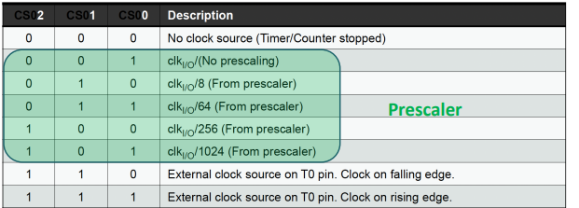
Timer size(bits) | 8
System Clock Frecuency (Hz) | 16000000
System Clock Prescaler | 16
Clock I/O Frecuency (Hz) | 1000000
Clock I/O Prescaler | 64
Desired Duty Cicle (%) | 6.5
Minimun PWM Period (s) | 0.02

Timer Frecuency (Hz) | 15625
Ticks(s) | 0.000064
PWM Period (s) | 0.016384
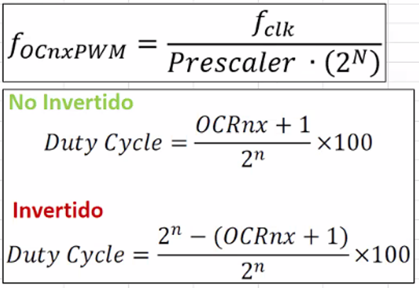
PWM Frecuency (Hz) | 61.03515625

Non-Inverted
OCRnx (decimal value) | 15.64

Inverted
OCRnx (decimal value) | 238.36

ADC
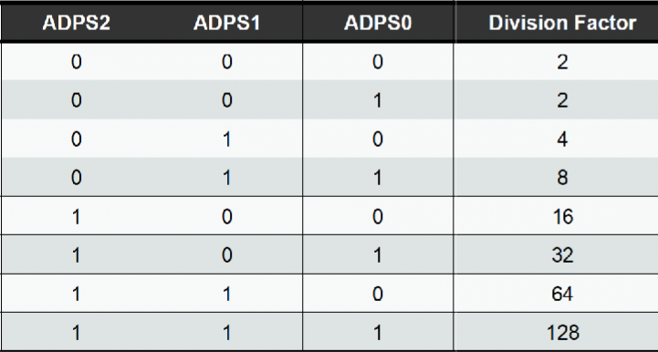
Timer size (bits) | 8
System Clock Frequenzy (Hz) | 16000000
System Clock Prescaler | 16
Clock I/O Frequenzy (Hz) | 1000000
ADC Prescaler | 8
ADC Frequency | 125000
Maximum prescaler needed | 20
Minimum prescaler needed | 5

