Hoja1
System Clock Frequency (Hz) | 16000000
System Clock Prescaler | 1
Clock I/O Frequency (Hz) | 16000000
Desired Baud Rate | 9600
Acceptable Error % | 2.00%

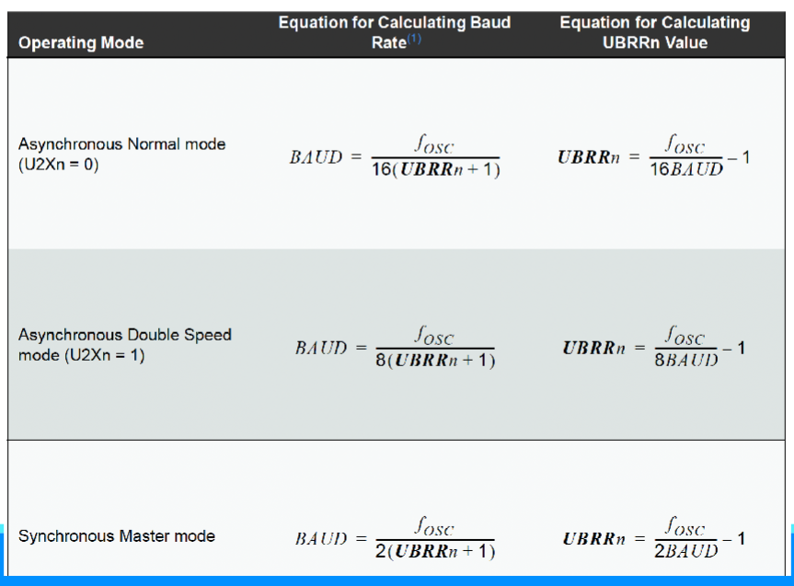
Asynchronous Normal Mode
UBRRn | 103 | Error %
Real Baudrate | 9615 | -0.16%

Asynchronous Double Speed
UBRRn | 207 | Error %
Real Baudrate | 9615 | 0.16%

Synchronous Master Mode
UBRRn | 832 | Error %
Real Baudrate | 9604 | 0.04%

