Hoja1
System Clock Frequency (Hz) | 16000000
System Clock Prescaler | 1
Clock I/O Frequency (Hz) | 16000000
Desired Baud Rate | 57600
Acceptable Error % | 2.00%

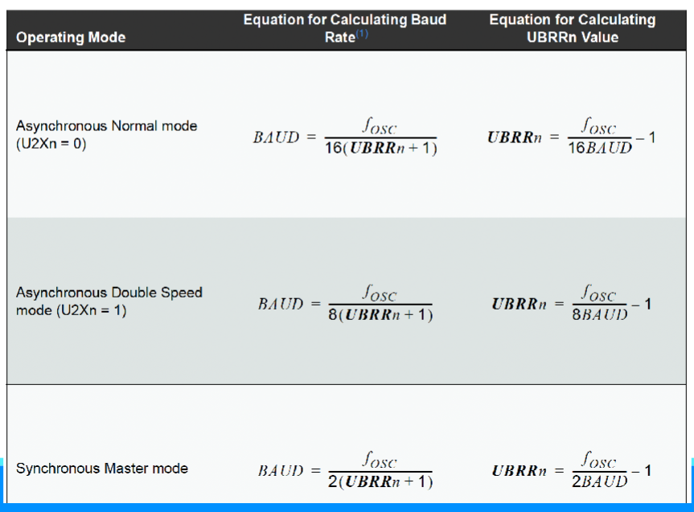
Asynchronous Normal Mode
UBRRn | 16 | Error %
Real Baudrate | 58824 | -2.12%

Asynchronous Double Speed
UBRRn | 34 | Error %
Real Baudrate | 57143 | -0.79%

Synchronous Master Mode
UBRRn | 138 | Error %
Real Baudrate | 57554 | -0.08%

