Sheet4
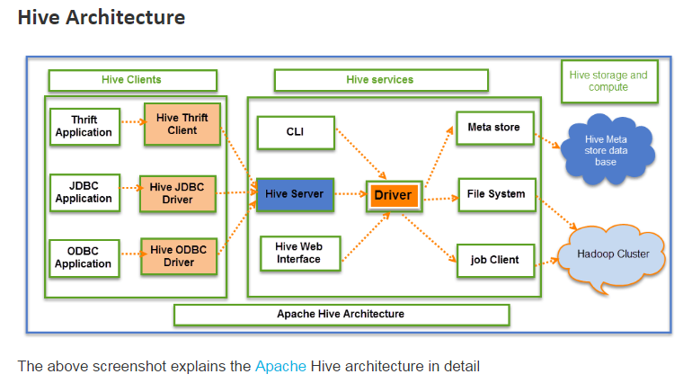

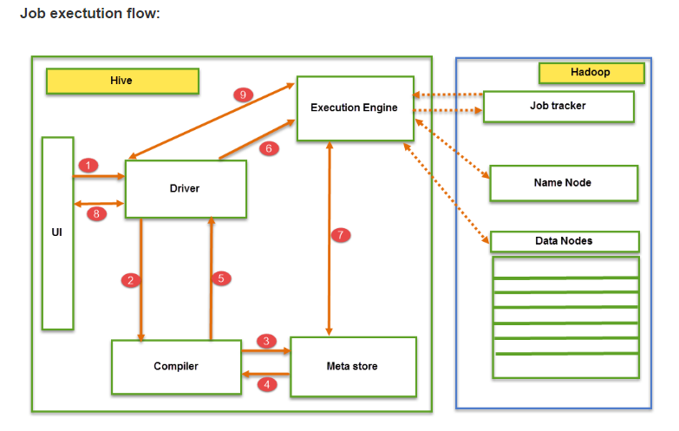

Sheet5
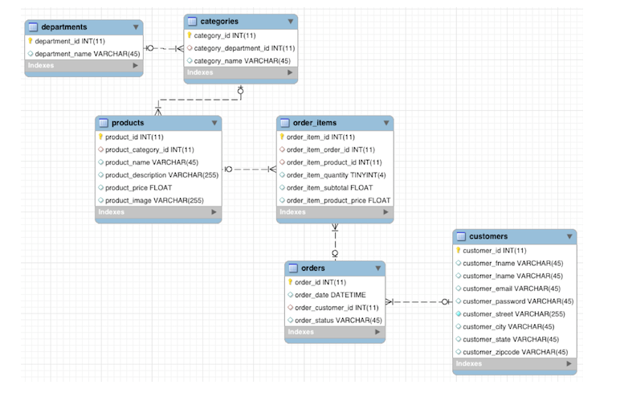

 |  | agg | alias | apply | as | asInstanceOf | cache | coalesce
 |  | col | collect | collectAsList | columns | count | createJDBCTable | cube
 |  | describe | distinct | drop | dropDuplicates | dtypes | except | explain
 |  | explode | filter | first | flatMap | foreach | foreachPartition | groupBy
 |  | head | inputFiles | insertInto | insertIntoJDBC | intersect | isInstanceOf | isLocal
 |  | javaRDD | join | limit | map | mapPartitions | na | orderBy
 |  | persist | printSchema | queryExecution | randomSplit | rdd | registerTempTable | repartition
 |  | rollup | sample | save | saveAsParquetFile | saveAsTable | schema | select
 |  | selectExpr | show | sort | sortWithinPartitions | sqlContext | stat | take
 |  | takeAsList | toDF | toJSON | toJavaRDD | toSchemaRDD | toString | transform
 |  | unionAll | unpersist | where | withColumn | withColumnRenamed | write

 |  |  |  |  |  | Order_Items
Order |  |  |  |  |  | order_item_id | Int
order_id | int |  |  |  |  | order_item_order_id | Int
order_date | dateTime |  |  |  |  | order_item_Product_id | Int
order_customer_Id | Int |  |  |  |  | order_item_quantity | TinyInt
order_status | varchar |  |  |  |  | order_item_subtotal | FLOAT
 |  |  |  |  |  | order_item_product_price | Float

Products
Product_id | Int
Product_category_id | int
product_name | VARCHAR
product_description | VARCHAR
product_price | FLOAT
product_image | VARCHAR

