Descriptive statistics
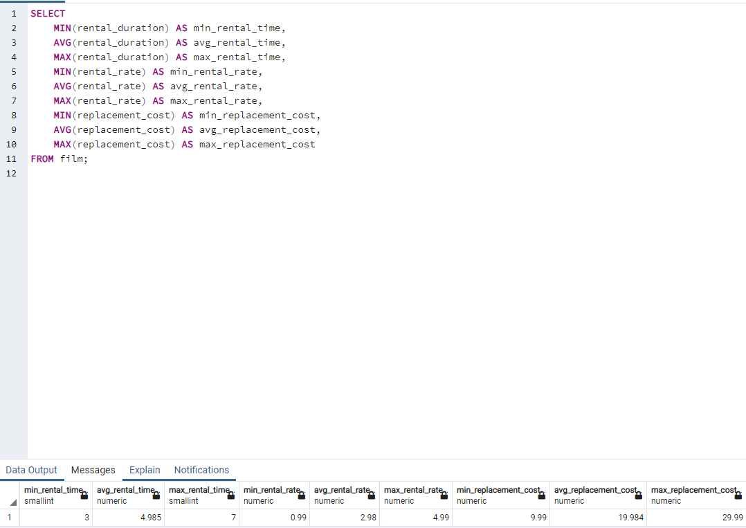
SELECT MIN(rental_duration) AS min_rental_time, AVG(rental_duration) AS avg_rental_time, MAX(rental_duration) AS max_rental_time, MIN(rental_rate) AS min_rental_rate, AVG(rental_rate) AS avg_rental_rate, MAX(rental_rate) AS max_rental_rate, MIN(replacement_cost) AS min_replacement_cost, AVG(replacement_cost) AS avg_replacement_cost, MAX(replacement_cost) AS max_replacement_cost FROM film;

TOP TEN COUNTRIES
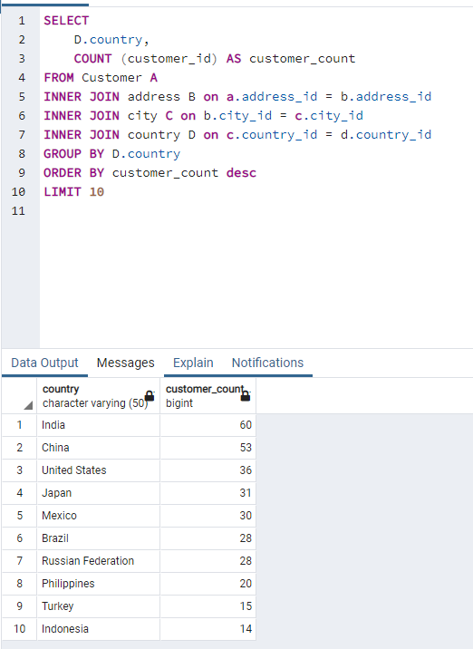
SELECT D.country, COUNT (customer_id) AS customer_count FROM Customer A INNER JOIN address B on a.address_id = b.address_id INNER JOIN city C on b.city_id = c.city_id INNER JOIN country D on c.country_id = d.country_id GROUP BY D.country ORDER BY customer_count desc LIMIT 10

TOP TEN CITIES
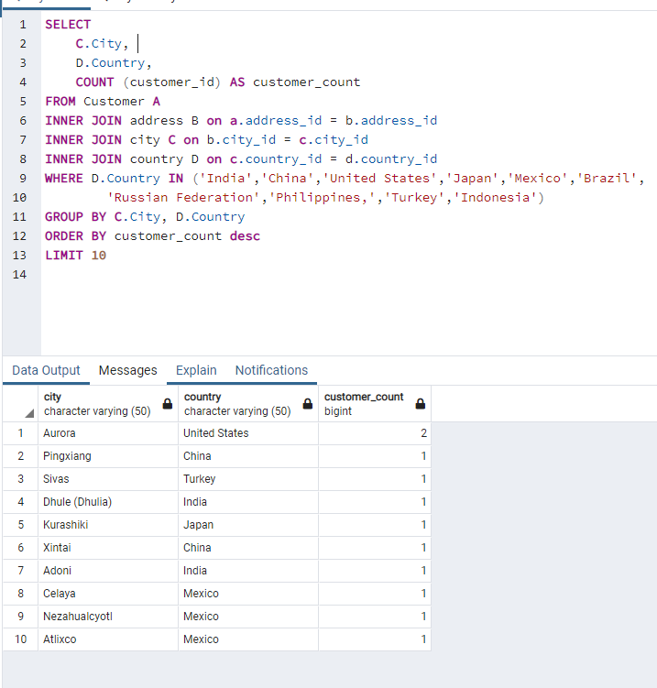
SELECT C.City, D.Country, COUNT (customer_id) AS customer_count FROM Customer A INNER JOIN address B on a.address_id = b.address_id INNER JOIN city C on b.city_id = c.city_id INNER JOIN country D on c.country_id = d.country_id WHERE D.Country IN ('India','China','United States','Japan','Mexico','Brazil', 'Russian Federation','Philippines,','Turkey','Indonesia') GROUP BY C.City, D.Country ORDER BY customer_count desc LIMIT 10

TOP TEN MOVIES
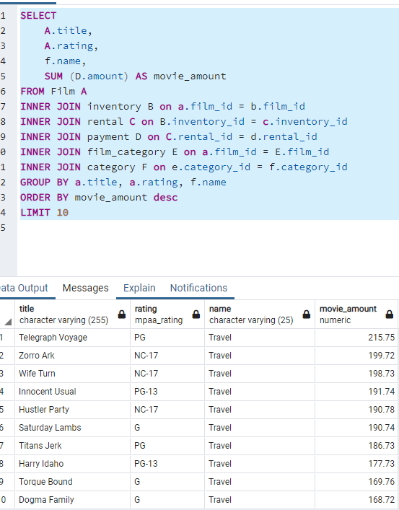
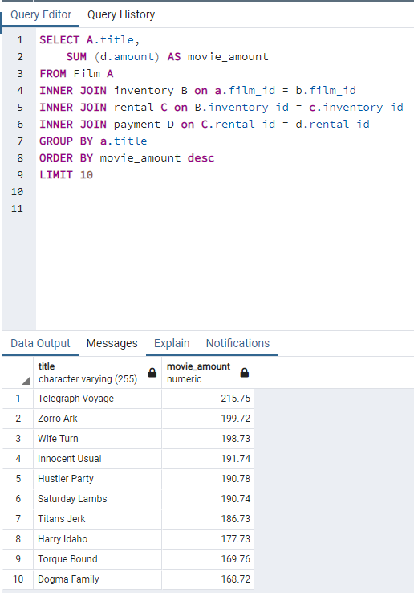
TOP TEN MOVIE QUERY | TOP TEN QUERY BY REVENUE, GENRE AND RATING
SELECT A.title, SUM (d.amount) AS movie_amount FROM Film A INNER JOIN inventory B on a.film_id = b.film_id INNER JOIN rental C on B.inventory_id = c.inventory_id INNER JOIN payment D on C.rental_id = d.rental_id GROUP BY a.title ORDER BY movie_amount desc LIMIT 10 | SELECT A.title, A.rating, f.name, SUM (D.amount) AS movie_amount FROM Film A INNER JOIN inventory B on a.film_id = b.film_id INNER JOIN rental C on B.inventory_id = c.inventory_id INNER JOIN payment D on C.rental_id = d.rental_id INNER JOIN film_category E on a.film_id = E.film_id INNER JOIN category F on e.category_id = f.category_id GROUP BY a.title, a.rating, f.name ORDER BY movie_amount desc LIMIT 10

BOTTOM TEN MOVIES ROCKBUSTER
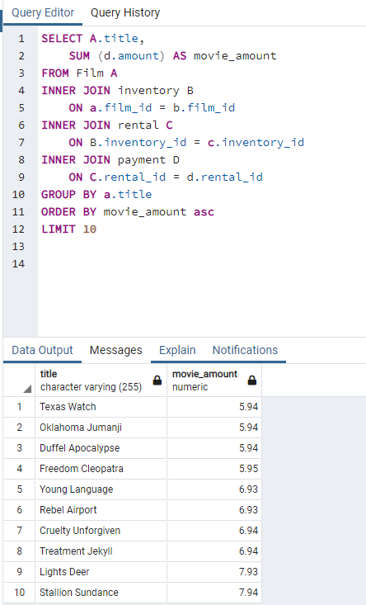
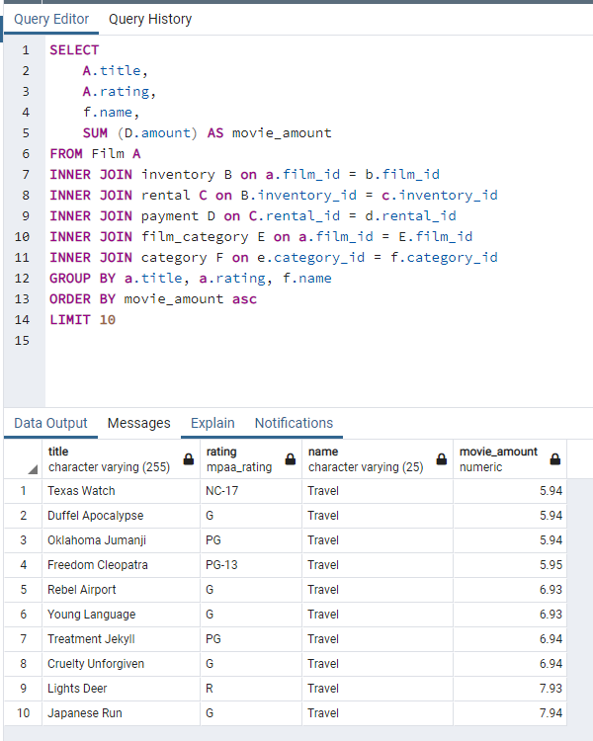
Bottom ten movies | Bottom ten movies for rating Genre and revenue
SELECT A.title, SUM (d.amount) AS movie_amount FROM Film A INNER JOIN inventory B ON a.film_id = b.film_id INNER JOIN rental C ON B.inventory_id = c.inventory_id INNER JOIN payment D ON C.rental_id = d.rental_id GROUP BY a.title ORDER BY movie_amount asc LIMIT 10 | SELECT A.title, A.rating, f.name, SUM (D.amount) AS movie_amount FROM Film A INNER JOIN inventory B on a.film_id = b.film_id INNER JOIN rental C on B.inventory_id = c.inventory_id INNER JOIN payment D on C.rental_id = d.rental_id INNER JOIN film_category E on a.film_id = E.film_id INNER JOIN category F on e.category_id = f.category_id GROUP BY a.title, a.rating, f.name ORDER BY movie_amount asc LIMIT 10

Top 10 customers world wide
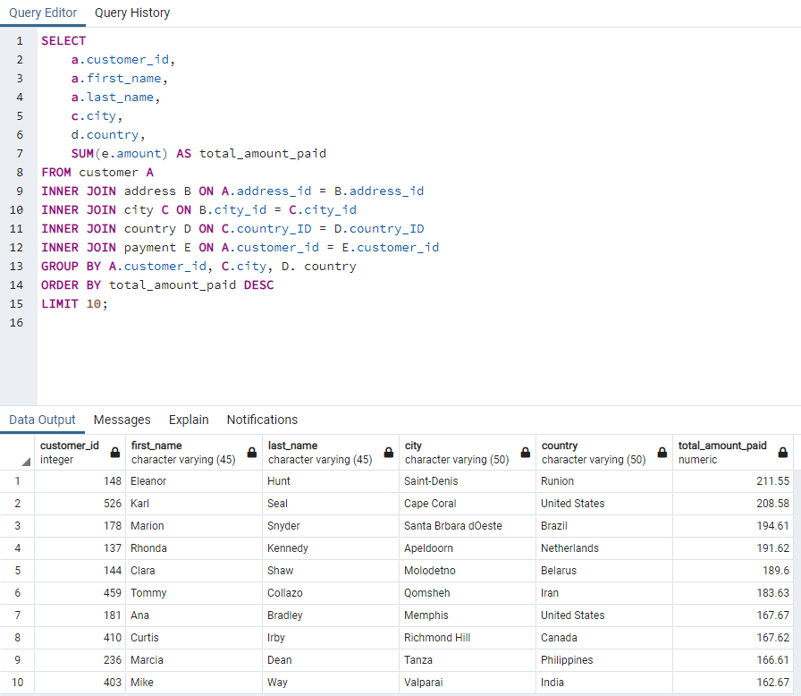
Query top ten customers worldwide
SELECT a.customer_id, a.first_name, a.last_name, c.city, d.country, SUM(e.amount) AS total_amount_paid FROM customer A INNER JOIN address B ON A.address_id = B.address_id INNER JOIN city C ON B.city_id = C.city_id INNER JOIN country D ON C.country_ID = D.country_ID INNER JOIN payment E ON A.customer_id = E.customer_id GROUP BY A.customer_id, C.city, D. country ORDER BY total_amount_paid DESC LIMIT 10;

Revenue produced by rating
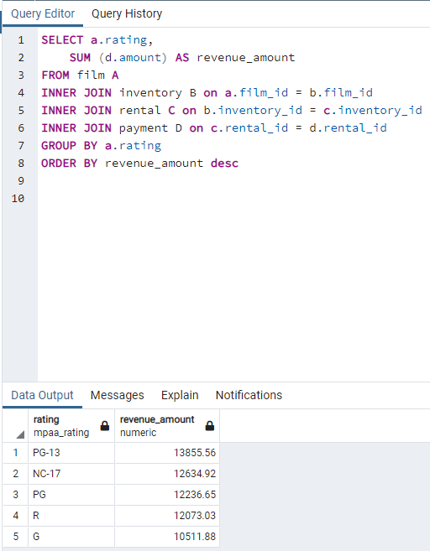
Revenue by movie rating query
SELECT a.rating, SUM (d.amount) AS revenue_amount FROM film A INNER JOIN inventory B on a.film_id = b.film_id INNER JOIN rental C on b.inventory_id = c.inventory_id INNER JOIN payment D on c.rental_id = d.rental_id GROUP BY a.rating ORDER BY revenue_amount desc

Global Revenue customers
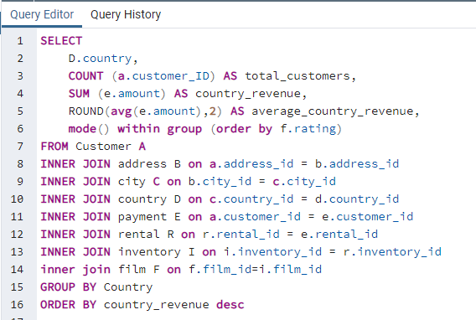
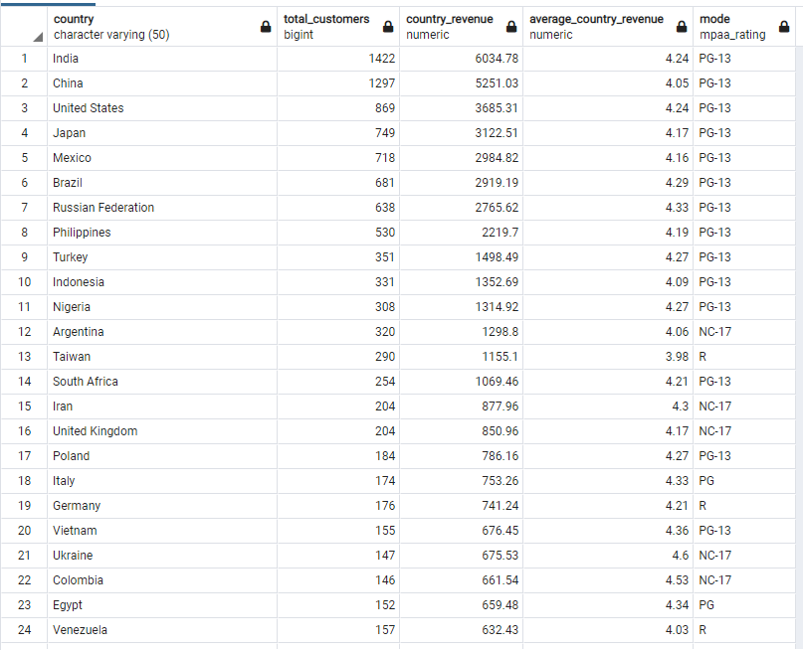
Global customer revenue query
SELECT D.country, COUNT (a.customer_ID) AS total_customers, SUM (e.amount) AS country_revenue, ROUND(avg(e.amount),2) AS average_country_revenue, mode() within group (order by f.rating) FROM Customer A INNER JOIN address B on a.address_id = b.address_id INNER JOIN city C on b.city_id = c.city_id INNER JOIN country D on c.country_id = d.country_id INNER JOIN payment E on a.customer_id = e.customer_id INNER JOIN rental R on r.rental_id = e.rental_id INNER JOIN inventory I on i.inventory_id = r.inventory_id inner join film F on f.film_id=i.film_id GROUP BY Country ORDER BY country_revenue desc

