Main
Pmod Pin | Label | FPGA Pin | Constraints Pin Name | Signal Name in VHDL | Notes | Nathan' Notes
1 | JA1 | B15 | pmod_a_0 | cs_exp | Chip Select for Expander (active low)
2 | JA2 | C15 | pmod_a_1 | sck | SPI clock (shared)
3 | JA3 | D15 | pmod_a_2 | mosi | Master Out, Slave In (shared)
4 | JA4 | E16 | pmod_a_3 | miso_exp | Master In (from Expander)
5 | JA7 | E15 | pmod_a_4 | cs_lo | Chip Select for LO (active low)
6 | JA8 | F17 | pmod_a_5 | reset_exp | RESET pin for Expander (MCP23017). Active low.
7 | JA9 | F16 | pmod_a_6 | ref_in_lo | Reference input to the LO (not used in SPI)
8 | JA10 | G16 | pmod_a_7 | muxout_lo | MUXOUT pin from ADF4351 LO | FPGA/10MHz signal

 |  |  |  | Datasheets
 |  |  |  | I/O Expander | Max 10MHz
 |  |  |  | LO | Max 20MHZ (Can it function properly at 10MHz?)
 |  |  |  | FPGA | Must use SPI Mode 0 for compatibility |  | Mode | CPOL | CPHA | Clock Idle State | Data Sampled On | Data Shifted On
 |  |  |  | .xdc |  |  | 0 | 0 | 0 | Low | Rising Edge | Falling Edge

Strategy
1 | SPI Master Interface
2 | Control Logic
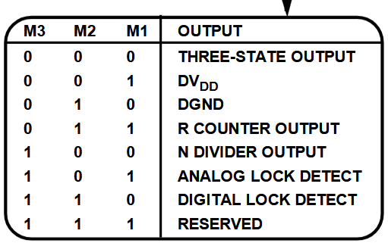
3 | Device-Specific Registers
4 | Control Structure
5 | Data Shifting
6 | Clock Management
7 | Timing Control

TODO
Set the Clock to 10 MHz
 | Use the 125 MHz reference clock as an input to a Clocking Wizard in Vivado.
 | Configure the Clocking Wizard to divide the 125 MHz clock by 12.5 to produce 10 MHz.
 | Ensure the output of the Clocking Wizard is connected to the clk input of SPI_Master

entity PMOD_Interface is
Port (
JB1 : out std_logic; -- PMOD JA pin 1
JB2 : out std_logic; -- PMOD JA pin 2
JB3 : out std_logic; -- PMOD JA pin 3
JB4 : out std_logic; -- PMOD JA pin 4
JB7 : in std_logic; -- PMOD JA pin 7
JB8 : in std_logic -- PMOD JA pin 8
);
end PMOD_Interface;

## PMOD JB
set_property PACKAGE_PIN J15 [get_ports JB1] # Maps PMOD JB1 to FPGA pin J15
set_property IOSTANDARD LVCMOS33 [get_ports JB1]

set_property PACKAGE_PIN J16 [get_ports JB2] # Maps PMOD JB2 to FPGA pin J16
set_property IOSTANDARD LVCMOS33 [get_ports JB2]

## Add similar lines for JB3, JB4, etc.

architecture Behavioral of PMOD_Interface is
begin
JB1 <= '1'; -- Example: Drive high
JB2 <= '0'; -- Example: Drive low
end Behavioral;

