user stories
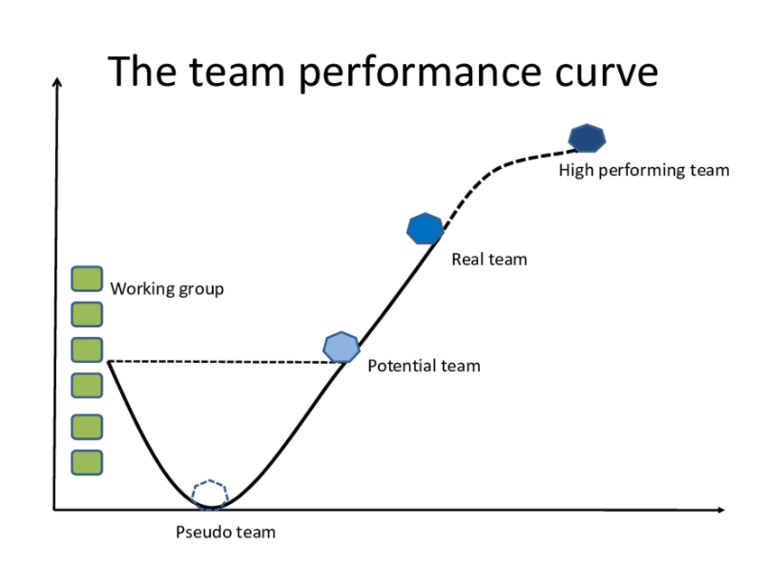
 | user stories
user story | as | I want | to | type | value | effort | teststing
u3 | remote client | to buy product | aquire the new technology | story | 10 | 5 | t3 | MOSCOW
u6 | remote client | remember my past actvities | repeat | story | 9 | 2 | t6 | must have
u1 | admin | add new user | complete my task | story | 8 | 8 | t1 | should have
u4 | remote client | search the catalog | to decide what to buy | story | 7 | 8 | t4 | could have
u2 | admin | edit user details | complete my task | story | 7 | 6 | t2 | wonnot have
u5 | admin | change date format | to read date easily | story | 1 | 6 | t5
u7 |  | swift Purchase |  | epic story

user story u3
as a remote client i want to buy products to aquire new technology
acceptance criteria :
the selected products are shipped and they are reducted from the stock

KANO
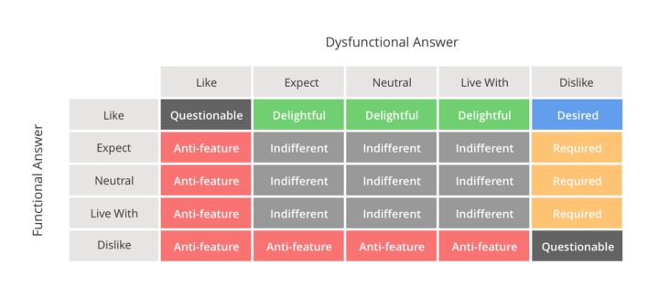
How would you feel if there was a free bottle of water in your hotel room?
[X] I would like
[ ] I expect to be always like this
[ ] Neutral
[ ] I can live with that
[ ] I dislike
How would you feel if there WASN'T a free bottle of water in your hotel room?
[ ] I would like
[X] I expect to be always like this
[ ] Neutral
[ ] I can live with that
[ ] I dislike
 | not having it
having it | Like | Expect | Neutral | Live with | Dislike
Like | Questionable | Delightful | Delightful | Delightful | Desired
Expect | Anti-feature | indifferent | indifferent | indifferent | Required
Neutral | Anti-feature | indifferent | indifferent | indifferent | Required
Live with | Anti-feature | indifferent | indifferent | indifferent | Required
Dislike | Anti-feature | Anti-feature | Anti-feature | Anti-feature | Questionable

 | have it | withoutit | recommendation
user story1 | Like | Dislike | Desired
user story2 | Expect | Dislike | Required
user story3 | Expect | Live with | indifferent
SP sends offer | Like | Neutral | Delightful
 | Expect | Live with | indifferent

team
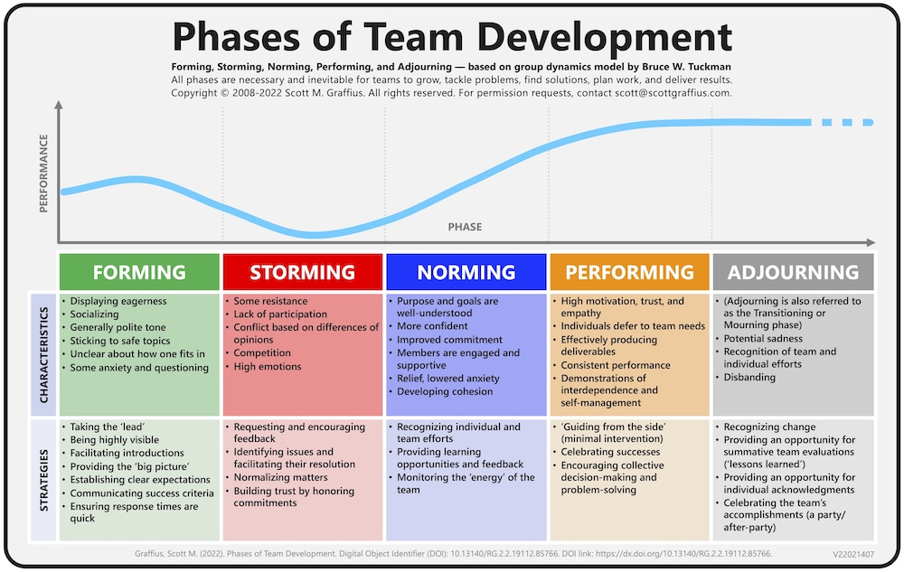
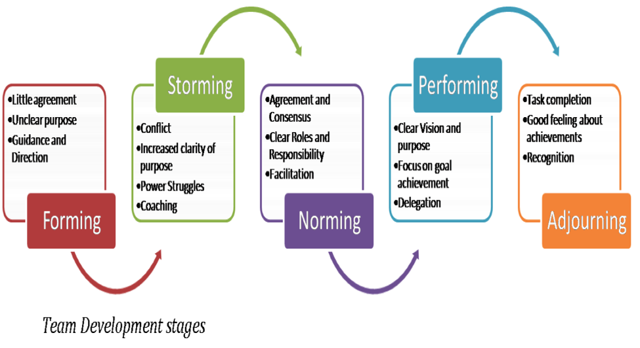

Sample user stories
in our company we need to develop a software to manage services provided to the different departments by external service providers, Finance manage money, QA audit the operations
as a/an | I want to | so that | value | effort | acceptance critriea
Department | request service | fulfill my work duty | 9 | 1 | service added to the request list
Depratment | provide feedback about a service | enhance the service | 8 | 0.5
QA | do sevice analytics | enhance the company business | 9 | 3
Admin | register new SP | service will be fulfilled
as a user,
i want to,
so that,
SP | execute service | fulfill deprtment work | 9
SP | send service offer | to maximize business
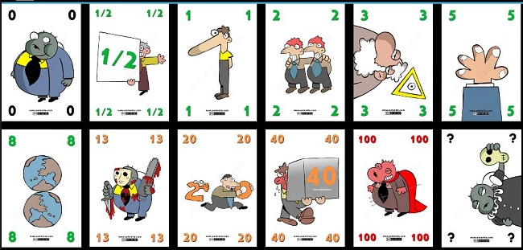
identified users
Depratment(D)
Service Provider(SP)
Admin(A)
Finance(F)
QA

motivation model
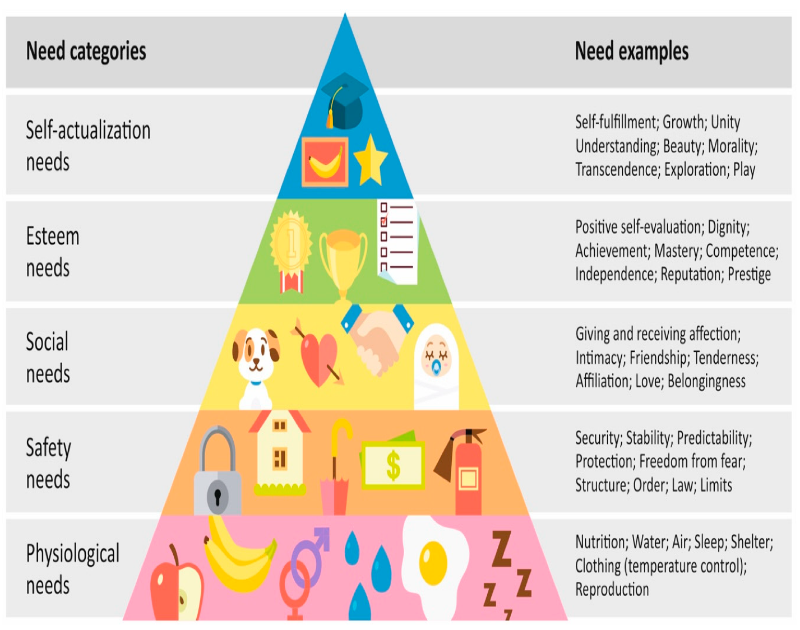
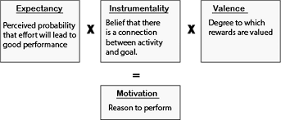
person | team | reward | value ( R ) | E --> P | P--> R | mf
ahmed | T1 | bonus | 0.9 | 0.9 | 0.8 | 0.648
ali | T2 | bouns | 0.6 | 1 | 0.5 | 0.3
hend | T2 | bouns | 1 | 1 | 0.1 | 0.1
salwa | T2 | bouns | 0.1 | 1 | 1 | 0.1 | motivation

performance | = | motivation | X | ability

