Normalization
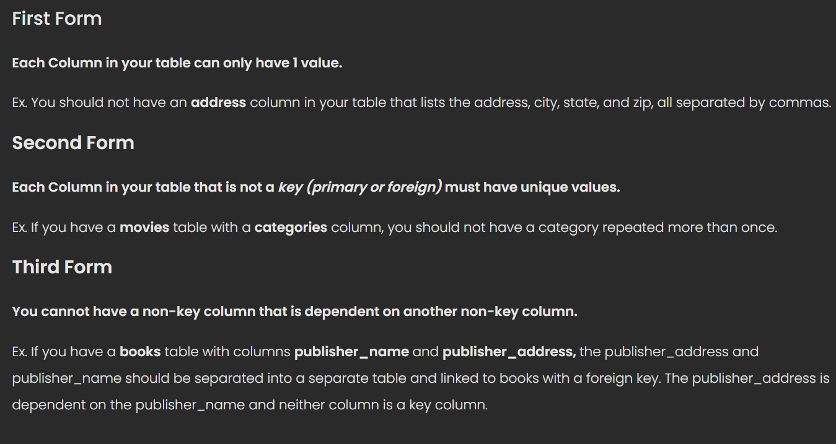
Normalization Form 1 |  |  |  | Data normalization is splitting large tabels of data into smaller separate tables
 |  |  |  | with the primary goal to not repeat data
Customers
id | name | address
1 | Randall Frisk | 576 Steel Ln, Grass Valley, NY
2 | Michael Choi | 333 Ninja Dr, Seattle, WA
3 | Dexter Clark | 978 Flip Ln, San Jose, CA

Customers |  |  |  | Proper Form
id | first_name | last_name | address_id
1 | Randall | Frisk | 1
2 | Michael | Choi | 2
3 | Dexter | Clark | 3

Addresses
id | street | city | state
1 | 576 Steel Ln | Grass Valley | NY
2 | 333 Ninja Dr | Seattle | WA
3 | 978 Flip Ln | San Jose | CA

Normalization Form 2
 |  |  |  | If information is repeated, separate column out
Movies
id | title | year | category
1 | Happy Gilmore | 1996 | 1
2 | Avatar | 2009 | 2
3 | Despicable Me | 2010 | 3
4 | 21 Jump Street | 2012 | 1
5 | Despicable Me 2 | 2013 | 3

Categories
id | category
1 | Comedy
2 | Adventure
3 | Family

Normalization Form 3

Books |  |  |  | Publisher_rank is dependent on publisher_name
id | title | publisher_id |  | separate out
1 | Mathematics | 1
2 | Physics | 2
3 | Hacking Exposed | 3
4 | The Hunger Games | 4

Publishers
id | name | rank
1 | Pearson | 1
2 | Reed Elsevier | 2
3 | McGraw-Hill | 8
4 | Scholastic | 10

Notes


