Readme
MUST READ!! Project name and PRODUCT_NAME length limitations: Please change your project name length and PRODUCT_NAME length to be under 18 characters before your mass productions. - AOSP limited the total ro.build.fingerprint to be under 92 characters, so the project name and PRODUCT_NAME should be under 18 characters, or it will cause CTS fails. - Most of APPs limited PRODUCT_NAME to be under 18 characters, so your project name and PRODUCT_NAME should be under 18 characters, or it may cause unexpected system crashes. - Example: PRODUCT_NAME is in device/$(Your_Company)/full_$(project_name).mk. Please change PRODUCT_NAME and $(project_name) to be under 18 characters. Build Environment Information please refer to "Build Environment Info." sheet ALPS Label Information please refer to"Label Info." sheet Verify the integrity of downloaded packages MD5 (Message-Digest Algorithm) is a widely used cryptographic hash function, which can help to check data integrity Please follow following steps to verify the integrity of downloaded package 1) Put all downloaded packages in the same folder 2) Check file ${customer_project}.md5 is in the same folder 3) Run command md5sum to verify packages integrity e.g. md5sum -c ${customer_project}.md5 4) md5sum will check packages integrity sequentially 5) If packages integrity are correct, the screen will show OK message e.g. ${customer_project}_KERNEL.tar.gz: OK Steps for building project Please DO NOT extract the compressed files in any non-Linux OS to avoid possible file corruption or attribute misalignment. 1) Untar ${customer_project}_KERNEL.tar.gz to Folder A e.g. tar zxf ${customer_project}_KERNEL.tar.gz 2) Untar ${customer_project}_INHOUSE.tar.gz and overwrite to Folder A e.g. cat ${customer_project}_INHOUSE.tar.gz* | tar zxf - 3) build modem image: please refer to "Build_Configure_Modem" sheet 4) copy modem image to alps/vendor/mediatek/propriet | 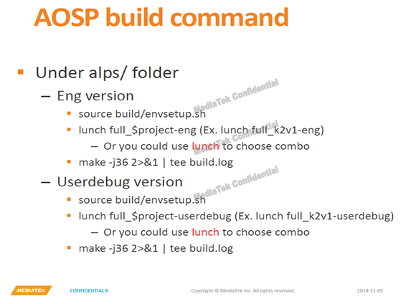 Steps for building project 7) Run AOSP build command to build target project. Naming rules for ALPS & MD version please refer to "Naming_Rules" sheet Version of alps-mp-n1.mp16 supports project package set please refer to "Project_Package_Set_M6763" sheet Major switchable features please refer to "Switchable_Features" sheet Operator switchable features please refer to "Switchable_Operators" sheet 64to32 SOP please refer to "Switchable_64TO32" sheet Steps for building & configuring modems please refer to "Build_Configure_Modem" sheet Modem Major Feature Switchable please refer to "Switchable_Features_For_Modem" sheet Modme RF_Configuration please refer to "RF_Configuration" sheet

