Ark 1
ADC | Tmp[˚C] | diff[K] | Rt[Ω]
32 | 128.26 | 1.28 | 323
64 | 100.88 | 0.58 | 667
96 | 86.05 | 0.37 | 1,035
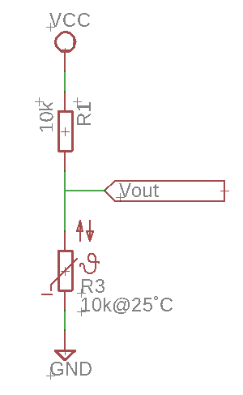
128 | 75.88 | 0.27 | 1,429
160 | 68.11 | 0.22 | 1,852
192 | 61.79 | 0.18 | 2,308
224 | 56.43 | 0.16 | 2,800
256 | 51.74 | 0.14 | 3,333
288 | 47.54 | 0.13 | 3,913
320 | 43.72 | 0.12 | 4,546
352 | 40.18 | 0.11 | 5,238
384 | 36.86 | 0.10 | 6,000
416 | 33.72 | 0.10 | 6,842
448 | 30.72 | 0.09 | 7,778
480 | 27.82 | 0.09 | 8,824
512 | 25.00 | 0.09 | 10,000
544 | 22.23 | 0.09 | 11,333
576 | 19.49 | 0.09 | 12,857
608 | 16.76 | 0.09 | 14,615
640 | 14.01 | 0.09 | 16,667
672 | 11.22 | 0.09 | 19,091
704 | 8.37 | 0.09 | 22,000
736 | 5.42 | 0.09 | 25,556
768 | 2.33 | 0.10 | 30,000
800 | -0.96 | 0.107 | 35,714
832 | -4.51 | 0.116 | 43,333
864 | -8.44 | 0.131 | 54,000
896 | -12.93 | 0.152 | 70,000
928 | -18.31 | 0.188 | 96,667
960 | -25.28 | 0.259 | 150,000
992 | -36 | 0.462 | 310,000

