Sheet1
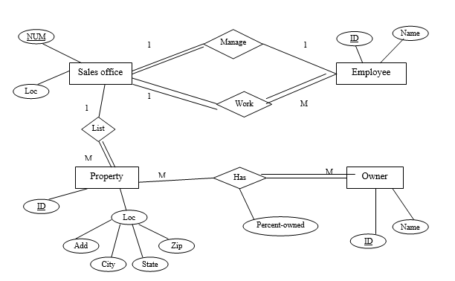

Sales Office
Num | Add | City | State | Zip

Emploee
ID | Name | SalesOfficeNum(FK)

Property
ID | Add | City | State | Zip | SalesOfficeNum (FK)

Owner
ID | Name

Property_Owner
prop_id | owner_id | Percent_owned

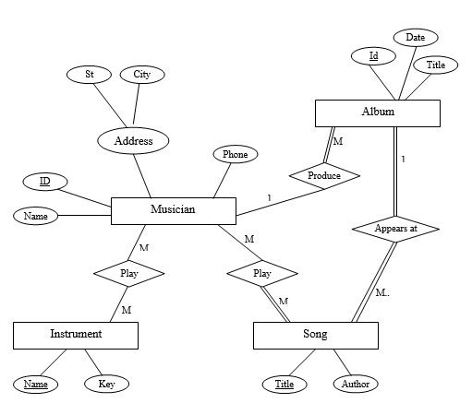
Musician
ID | Name | St | City | Phone

Album
ID | Date | Title | Mus_id (FK)

Instrument
Name | Key

Musician_Instrument
Mus_id | Inst_name

Song
Title | Author | Album_id(FK)

Musician_Song
Mus_id | Song_title

Patient
ID | Name | DOB | Cons_id(FK) | Ward_id(FK)
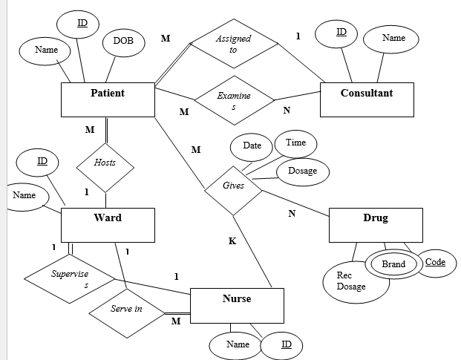

Consultant
ID | Name

Patient_Consultant
Patient_id(FK) | Cons_id(FK)

Ward
ID | Name | Nurse_id(FK)

Nurse
ID | Name | Ward_id(FK)

Drug
Code | Rec_Dosage

Drug_Brands
Drud_code(FK) | Brand

Patient_Nurse_Drug
ID | Patient_id(FK) | Nurse_id(FK) | Drug_code(FK) | Date | Time | Dosage

