Hoja1
TestCase ID | Developer | Test Group | TestCase Name | Priority/Severity | Pre-conditions | TestData | Test Steps | Expected Result | Tester | Actual Result | Status | Comments | Test Evidence
data-in1 | dev1 | UI | Fill the data in the required fields | 1/1 | user should be in main page | Input: "Me" Select:Mexico MainPage: https://rahulshettyacademy.com/AutomationPractice/ | -Open the test data Mainpage -Locate "Suggestion Class" input the TestData -Select the TestData Option | Autocomplete should be displayed and contain the SelectData | tester 1 | autocomplete is displayed | Passed |  | 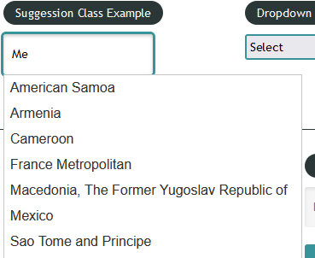
drop-dn1 | dev1 | UI | Dropdown options | 1/1 | user should be in main page | Dropdown:"Dropdown Example" Options:1 & 2 MainPage https://rahulshettyacademy.com/AutomationPractice/ | -Open the test data MainPage -Locate the "Dropdown Example" element -Select option 2 and then option 3 in the dropdown | Dropdown should values should be displayed at click action, and options should contain Options TestData | tester 1 | Options are visible and enabled | Passed |  | 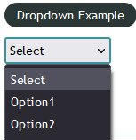
nw-dp1 | dev2 | UI | Link button to external site | 1/2 | user should be in main page | Button text: "Open Window" External Site:"www.qaclickacademy.com" MainPage: https://rahulshettyacademy.com/AutomationPractice/ Message:30 day money back guarantee | -Open the test data MainPage -Locate and click the button - Find the Message text | The External Site should be displayed in a new window and Message should be visible as SubHeader | tester 1 | Site opens in a new window and Message is dsplayed | Passed |  | 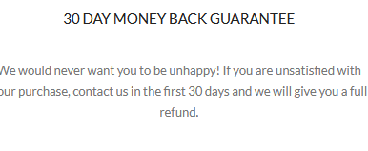
nt-dp1 | dev2 | UI | Link button to Main Page | 2/1 | user should be in Testpage | Button Tab Text:"Open Tab" Button Text: "VIEW ALL COURSES" MainPage:"https://www.rahulshettyacademy.com/" TestPage:"https://rahulshettyacademy.com/AutomationPractice/" | -Open the TestPage -Locate and click the Button Tab button -Close Modal -Locate the test data Button | The Main Page should be opened in a new Tab and Button should be visible | tester 2 | New tab open the MainPage and button is visible | Passed
data-in2 | dev2 | UI | Submit form and alert dialog | 1/3 | user should be in main page | MainPage: https://rahulshettyacademy.com/AutomationPractice/ Input-Label:"Switch to alert" Input:Stori Card message: “Hello Stori Card, Are you sure you want to confirm?” | - Open the MainPage -Locate the input for inpu-label -input the Input TestData -Click on Alert button -Close Alert -click on confirm button | Alert show display the input value and the confirm show display the correct message | tester 1 | Alert button display alert element and confirm button display an alert with the message | Passed |  | 