Sheet1
Yiran Sun
Shortest Path Model
Network structure and flows |  |  |  | Node | In Flow | Out Flow | Net Flow
Origin | Destination | Flow | Capacity | 1 |  | 28
1 | 2 | 13 | 20 | 2 | 13 | 13 | 0
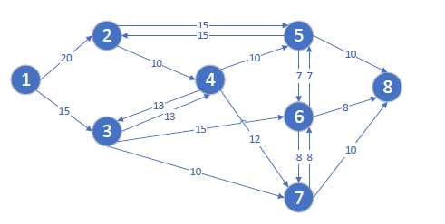
1 | 3 | 15 | 15 | 3 | 25 | 25 | 0
2 | 5 | 3 | 15 | 4 | 10 | 10 | 0
2 | 4 | 10 | 10 | 5 | 10 | 10 | 0
3 | 4 | 0 | 13 | 6 | 16 | 16 | 0
3 | 6 | 15 | 15 | 7 | 11 | 11 | 0
3 | 7 | 10 | 10 | 8 | 28
4 | 5 | 0 | 10
4 | 7 | 0 | 12 | MaxFlow | 28
4 | 3 | 10 | 13
5 | 8 | 10 | 10
5 | 6 | 0 | 7
5 | 2 | 0 | 15
6 | 7 | 1 | 8
6 | 5 | 7 | 7
6 | 8 | 8 | 8
7 | 8 | 10 | 10
7 | 6 | 1 | 8

