Hoja6
 | ]
 |  |  |  |  |  | REQUERIMIENTO Nº: |  | TALLER - 55
 |  |  |  |  |  | C.Costo:
HP&K INVERSIONES S.R.L. |  |  |  |  |  | OT: |  | TALLER
RUC: 20532384088
MZA. D LOTE. 8 URB. VILLA DEL MAR MOQUEGUA - ILO - ILO
Telf. 51-054-617431 |  |  |  |  |  |  |  | SI | NO
ventas@hpkinv.com |  |  |  |  | www.hpkinv.com | CROMADO DE VASTAGO
 |  |  |  |  |  | CROMADO DE CUERPOS INTERMEDIOS
REQUERIMIENTO DE COMPRA/SERVICIO
 |  |  |  | #REF! | #REF! | #REF! | #REF!
Solicitante: |  |  | JUAN VERA CANALES
Fecha: |  |  | 2026-02-26
Area: |  |  | PRODUCCION
Observaciones:
ITEM |  | CANT | MODELO/MARCA |  | DESCRIPCION | U. M. | Nro. PARTE/COD | Nº OC*
1 |  | 4 |  |  | PERNOS DE 5/8" UNF X 18 HILOS X 2" LONG | UNIDAD |  | #REF!
2
3
4
5
6
7
8
9
10
11
12
13
14
15
16
17
18
19
20
21
22
23
24
25
26
27
28
29
30
31
32
33
34
35
36
37

 |  |  |  |  |  | 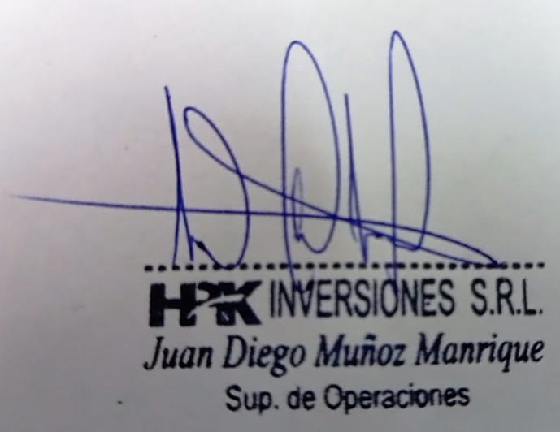

SOLICITANTE

HPK-L-F-04 Version:01 Fecha 01-03-19

 |  | 1 |  |  | BARRA CROMADA Ø 2-1/2" X | UNIDAD |  | #REF!
 |  | 1 |  |  | PS35 120.20 X 126.20 X 5 PU RED TAPA ROSCADA | UNIDAD |  | #REF!

 |  |  |  |  |  |  |  |  |  | 0

