Charts
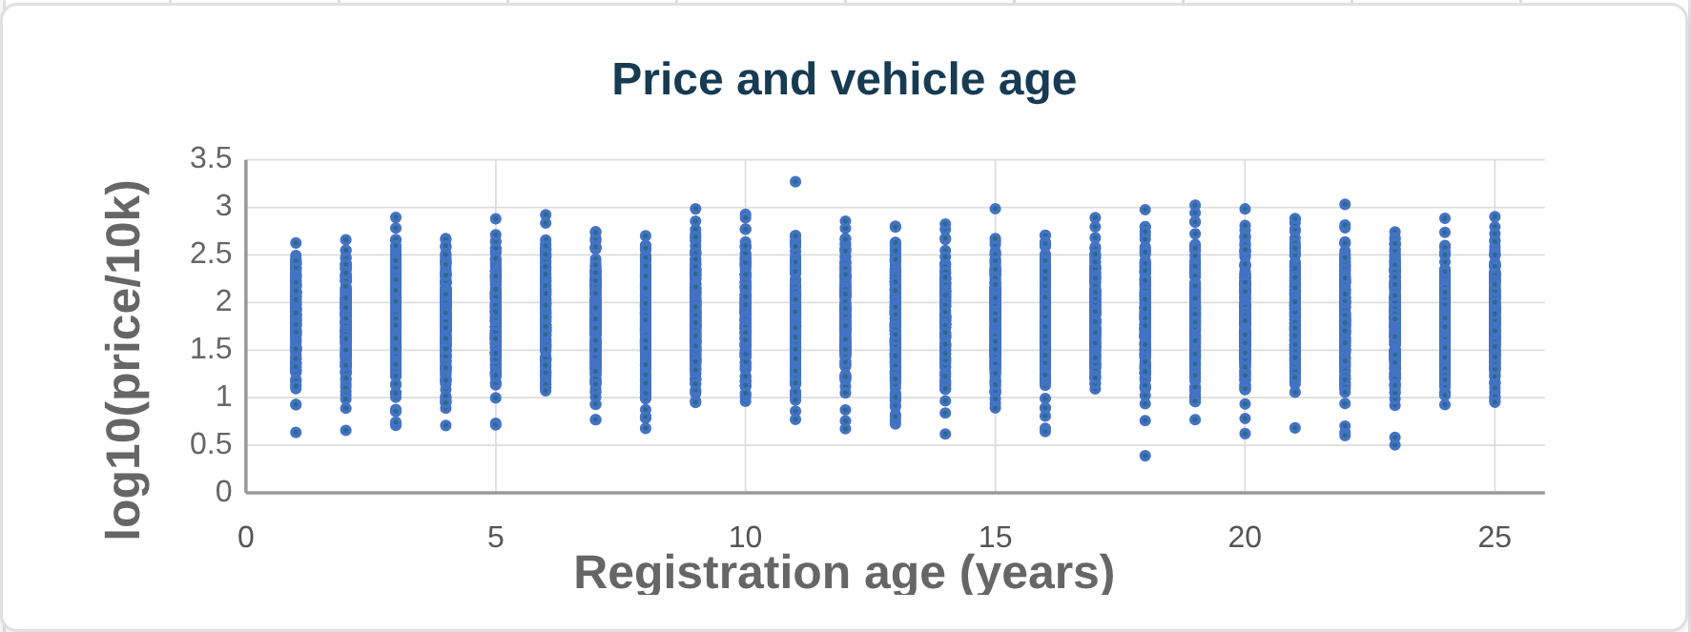
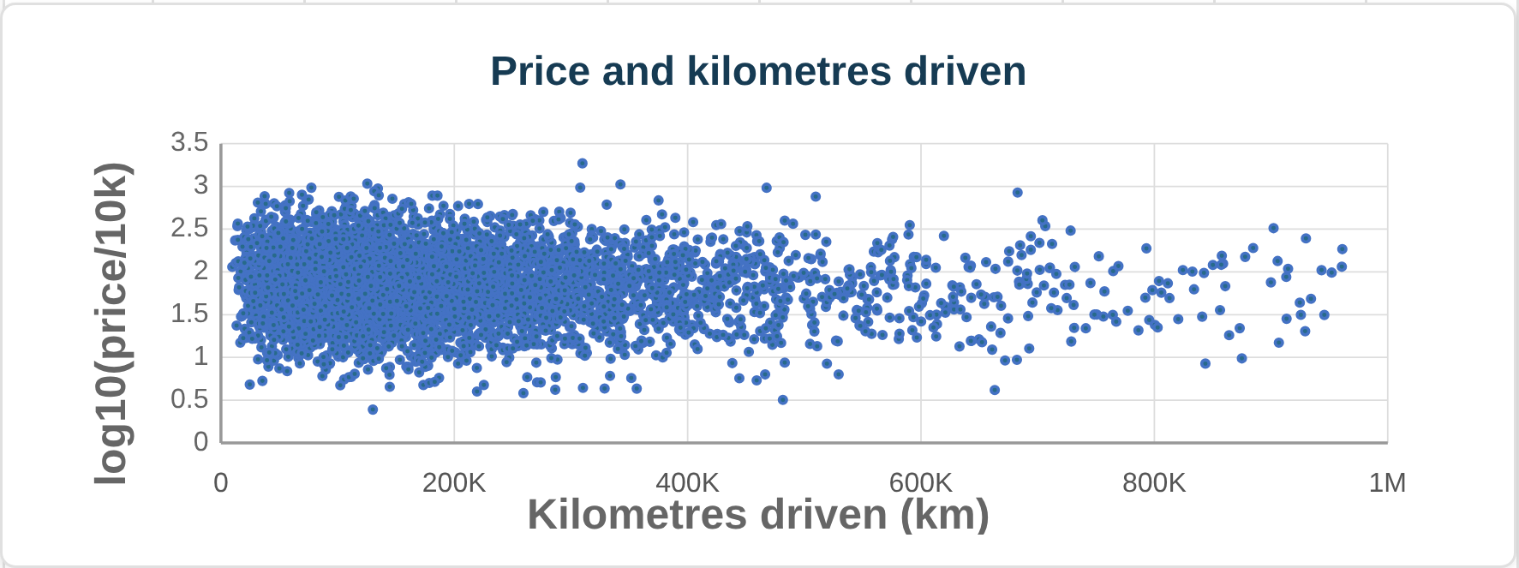
Primary price distributions by segment
 | Luxury (%) | Non-luxury (%)
0.0 | 13.710289 | 13.665491454
 | 23.439836021 | 23.39093958
0.5 | 17.585293875 | 17.651753445
 | 12.043629556 | 12.100826989
1.0 | 8.3259302915 | 8.4016414786
 | 5.9030772098 | 5.8980221016
1.5 | 4.2940531546 | 4.2669589943
 | 3.1361451892 | 3.1420878858
2.0 | 2.3799515516 | 2.3203070482
 | 1.7819302222 | 1.7487579548
2.5 | 1.3732823137 | 1.3665100874
 | 1.0976724837 | 1.0776108988
3.0 | 0.85239706883 | 0.83519075939
 | 0.68729118005 | 0.66646009311
3.5 | 0.51828515217 | 0.5534522086
 | 0.44158241644 | 0.42625324182
4.0 | 0.37094656376 | 0.36454156295
 | 0.30507754777 | 0.30777723386
4.5 | 0.25524243698 | 0.25192425868
 | 0.21147420925 | 0.2071377238
≥5 | 1.2866125558 | 1.356355001

Mean price by age
 | Mean price (INR)
1 | 1015186.9176
 | 1014891.9899
 | 1027267.5817
 | 1016897.9382
5 | 1022421.2909
 | 1014856.8127
 | 1013103.1379
 | 1018347.2317
 | 1007724.9438
10 | 1022043.5138
 | 1014575.7611
 | 1017872.441
 | 1017803.3812
 | 1014957.1059
15 | 1011814.512
 | 1021277.752
 | 1012984.9672
 | 1020683.0859
 | 1013271.3478
20 | 1010518.051
 | 1007068.8945
 | 1022866.0909
 | 1011905.5664
 | 1015039.9496
25 | 1013530.5047
Mean price by usage decile
 | Mean price (INR)
1 | 1138056.2421
2 | 1082856.3634
3 | 1058231.2714
4 | 1041541.906
5 | 1020680.3708
6 | 1004131.6126
7 | 990766.61501
8 | 969412.58749
9 | 947606.6589
10 | 906257.86196

