Defect Report
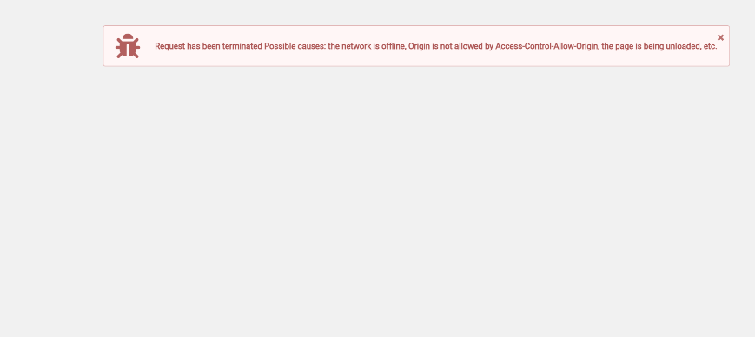
Defect Id. | Module name | Defect Summary | Defect Priority | Assigned To | Status
DF_DEAL_01 | Create Deal | Save Draft functionality fails due to Deals menu element not found (//span[text()='Deals']) | Medium | tester@gmail.com | Open

