SchematicModel
Sectors
☤ PH | Public Health |  |  |  |  |  |  |  |  |  |  | Count and Cost
🍽FH | Food Health |  |  |  |  |  |  |  |  |  |  | Risk Assessment
♘AH | Animal Health |  |  |  |  |  |  |  |  |  |  |  | ☣
🏜 EH | Enviromental Health |  |  |  |  |  |  |  |  |  |  |  | Mandatory Report
☣ | Biohazard
 |  |  |  | EU Regulation |  |  |  |  |  |  |  | Epidemiological and initial hypothesis for pathway analysis |  |  |  |  |  |  | National Regulation

⚔DM | Ministry of Defence |  |  |  |  |  |  |  |  |  |  |  | Identification
 |  |  |  |  |  |  |  |  |  |  |  | Pathway analysis
 |  |  |  |  |  |  |  |  |  |  |  | Cross-Contamination

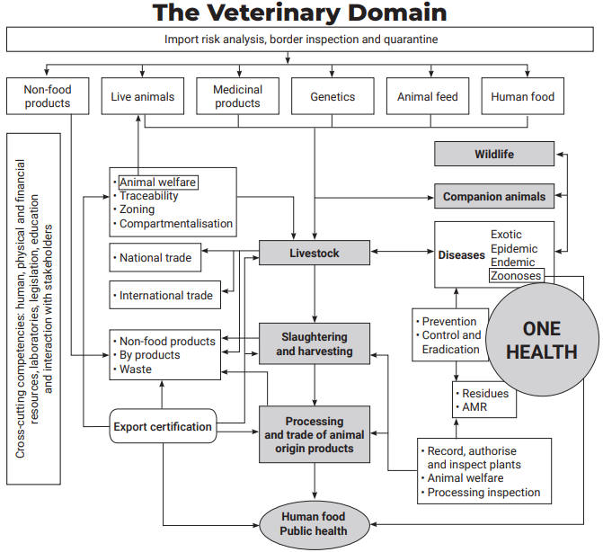
 |  |  |  |  |  |  |  |  |  |  |  | Communication & Data sharing
 |  |  |  |  |  |  |  |  |  |  |  |  | 

 |  |  |  |  |  |  |  |  | Cross-Contamination | Communication & Data sharing |  |  | ☤ PH |  |  | Communication & Data sharing | Cross-Contamination
 |  |  |  |  |  | Epidemiological and initial hypothesis for pathway analysis |  |  |  |  |  |  | One Health |  |  |  |  |  |  | Epidemiological and initial hypothesis for pathway analysis
 |  | Count and Cost | Risk Assessment | ☣ | Mandatory Report |  | Identification | Pathway analysis |  |  |  | 🍽FH |  | ♘AH |  |  |  | Pathway analysis | Identification |  | Mandatory Report | ☣ | Risk Assessment | Count and Cost

 |  |  |  |  |  |  |  |  |  |  |  |  | 🏜 EH

 |  |  |  |  |  |  |  |  |  |  |  |  | 

 |  |  |  |  |  |  |  |  |  |  |  | Communication & Data sharing

 |  |  |  |  |  |  |  |  |  |  |  | Cross-Contamination

 |  |  |  | WHO/FAO/OIE |  |  |  |  |  |  |  | Pathway analysis |  |  |  |  |  |  | ACTION PLAN
 |  |  |  |  |  |  |  |  |  |  |  |  | Identification
 |  |  |  |  |  |  |  |  |  |  |  | Epidemiological and initial hypothesis for pathway analysis

 |  |  |  |  |  |  |  |  |  |  |  |  | Mandatory Report

 |  |  |  |  |  |  |  |  |  |  |  |  | ☣
 |  |  |  |  |  |  |  |  |  |  |  | Risk Assessment
 | Schematic Model for the Tabletop |  |  |  |  |  |  |  |  |  |  | Count and Cost

Model
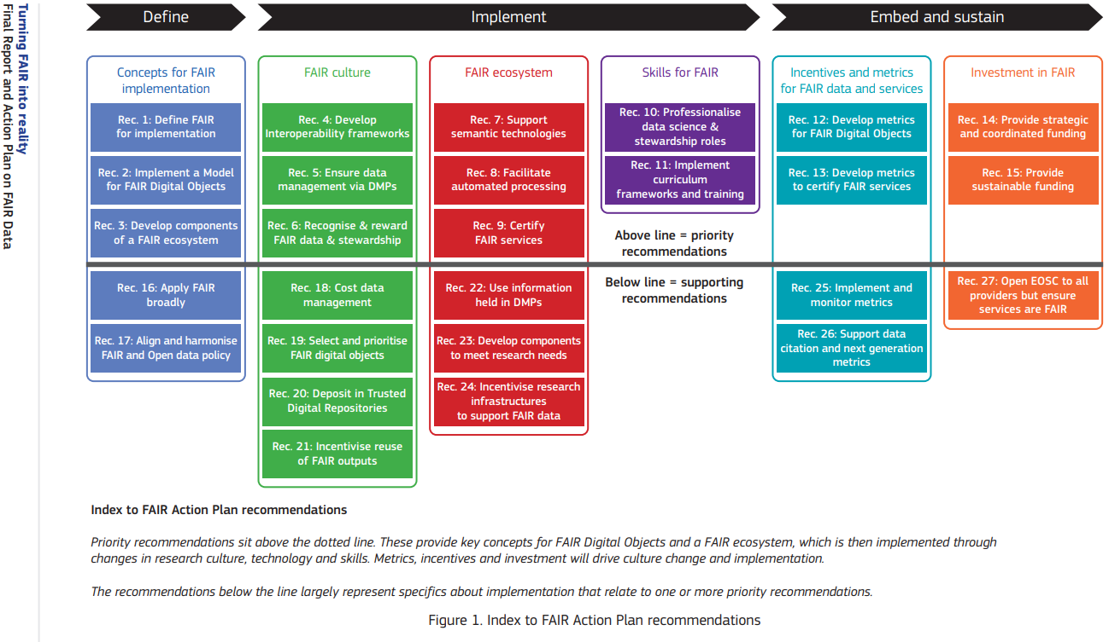
 |  | Guide
 |  |  | Status |  |  |  | Status |  | Inject No | Insert Time | Scenario Date & Time | Insert by | Insert to | General description |  | Insertion Detail |  | Anticipated player Action |  | Controller Information
Challenging in Data sharing |  |  |  | Just Pointed in the workshop would be done by LEL & NEL |  |  | JP |  |  | 0830 | 21 Mar-0905 | SimEx | All player | Opening |  | Welcome
 |  |  |  | Working Points in the workshop |  |  | WP
Key points on the relevant aspects of One Health that finally enable data sharing! |  |  |  | Blank |  |  |  |  | General Scenario: GS
3 section & 6 subsection
Section 1 |  |  |  |  |  |  |  |  |  |  |  |  |  |  |  |  |  |  |  | Section 2 |  |  |  |  |  |  |  |  |  |  |  |  |  |  |  |  | Section 3
 | Main objective: Role and functionality of relevant systems |  |  |  |  |  |  |  |  |  |  |  |  |  | Duration: xx |  |  |  |  | Main objective: Cooperation and communication in an outbreak situation |  |  |  |  |  |  |  |  |  |  |  |  |  | Duration: xx |  |  | Main objective: Datasharing |  |  |  |  |  |  |  |  |  |  | Duration: xx
 | • Following the exercise, participants will have a better understanding on importance of One-Health. • Following the exercise, participants will have a better understanding of their and other actors' roles and responsibilities during a zoonotic outbreak. • Following the exercise, participants will have a better understanding on Importance of Data Sharing. • xx |  |  |  |  |  |  |  |  |  |  |  |  |  |  |  |  |  |  | • Following the exercise, participants will have improved their knowledge of how and when collaboration takes place at the national, regional, and local level in the event of a zoonotic outbreak. • After the exercise the member states (MS) must identify possible flaws on the cohesiveness of data collection and realise its importance in allowing intersectoral data analyses for the detection of clusters and outbreaks and suggest links with potential sources (tracing backwards). • After the exercise the participants will have gained an increase understanding of the currently available early warning systems (at national and international level) and when they should be activated. • All players are engaged in group discussions and the emphasis is on problem-solving rather than spontaneous decision-making. • General Scenario: • • xx • xx • xx |  |  |  |  |  |  |  |  |  |  |  |  |  |  |  |  | • The participants shall gain an increased understanding on the importance of creating harmonized databases and data sharing. • The participants shall have an increased awareness of the importance of and methods for notifying events of cross border impact so a coordinate response at EU level is made possible (The Early Warning and Response System application (EWRS) and The Rapid Alert System for Food and Feed (RASFF)). • xx

 |  |  | Status | Scenario |  |  |  |  |  |  |  |  |  |  |  |  | Subsequent tasks by observer |  |  |  |  | Status | Scenario |  |  |  |  |  |  |  |  |  |  |  | Subsequent tasks by observer |  |  | Status | Scenario |  |  |  |  |  |  |  |  |  | Subsequent tasks by observer
 |  |  |  | Inject No | Insert Time | Scenario Date & Time | Insert by | Insert to | General description |  | Insertion Detail |  | Anticipated player Action |  | Controller Information |  |  |  |  |  |  |  | Inject No | Insert Time | Scenario Date & Time | Insert by | Insert to | General description | Insertion Detail |  |  | Anticipated player Action | Controller Information |  |  |  |  |  | Inject No | Insert Time | Scenario Date & Time | Insert by | Insert to | General description | Insertion Detail | Anticipated player Action | Controller Information
Related topics/Key discussion points (TASKS) | Subsection 1.1: One-Health preparedness |  |  |  |  |  |  |  |  |  |  |  |  |  |  |  |  |  | Related topics/Key discussion points (TASKS) | Subsection 2.1: Occurrence of an outbreak |  |  |  |  |  |  |  | Mandatory report on exposure/discovery of human/Food/animal/Plants/Environmental biohazard. |  |  |  |  |  |  |  | Related topics/Key discussion points (TASKS) | Subsection 3.1: Data sharing
 | Importance of One-Health: |  |  |  |  |  |  |  | Why One Health! The importance of Human-Animal-environment interface. |  |  |  |  |  |  |  |  |  |  | Type |  |  |  |  |  |  |  |  | GS-1 | GS-10 | GS-11 |  |  |  |  |  | Mechanisms of sharing |  |  |  |  |  |  | Law and regulation in case of Communicable and Noncommunicable emergencies. | GS-3
 | Quotation from IHR handbook (page 4): “URGES Member States: to build, strengthen and maintain the capacities required under the International Health Regulations (2005), and to mobilize the resources necessary for that purpose; …….. to collaborate actively with each other……” |  |  |  |  |  |  |  |  |  |  |  |  |  |  |  |  |  |  | • Patients [Human, Animal, Plants]. • Domestic and imported products. |  |  |  |  |  |  |  |  | GS-12 | GS-13 | GS-7 |  |  |  |  |  | • Data on Communicable and Noncommunicable disease (Laws and Regulations). • Acceptance and Limitations at the national and international level.

 |  |  |  |  |  |  |  |  |  |  |  |  |  |  |  |  |  |  |  | History/background |  |  |  |  |  |  |  | Systematic study describing the history/background of the biological hazard and the development of the original hypothesis in the context of the epidemiological investigation. | GS-1 |  |  |  |  |  |  |  | Infrastructures |  |  |  |  |  |  | Official or unofficial data sharing canals.
 |  |  |  |  |  |  |  |  |  |  |  |  |  |  |  |  |  |  |  | • Number/extent of situation, Target population, Geographic, location, Outcome Hazard, Source of exposure, Time frame |  |  |  |  |  |  |  |  |  |  |  |  |  |  |  |  | • Official or unofficial data sharing canals.
 | Zoonotic disease threats: |  |  |  |  |  |  |  |  |  | Develop advocacy materials and package to raise awareness of the requirements of adjustments to parliamentarians, government, oppositions and other relevant stakeholders. |  |  |  |  |  |  |  |  |  |  |  |  |  |  |  |  |  |  |  |  |  |  |  |  |  | Purposes (Laws and Regulations)
 | • zoonotic disease events and emergencies. • endemic zoonotic diseases. • new or emerging zoonotic diseases. • other threats at the human-animal-environment interface such as antimicrobial resistance (AMR), food safety, and food security. |  |  |  |  |  |  |  |  |  |  |  |  |  |  |  |  |  |  | Infrastructures |  |  |  |  |  |  |  |  | GS-1 |  |  |  |  |  |  |  | • Processing One-Health data for the primary use of providing social healthcare. • Processing health data for the secondary use of planning, management and improvement of the social healthcare system. • Processing health data for the secondary use of scientific or historical research. • Legal or regulatory mechanisms which address the use of One-Health data for research purposes. • The rights of the person concerned. • Electronic Records. • Technical standards. |  |  |  |  |  |  | Data protection (difficulties and problems in Laws).
 |  |  |  |  |  |  |  |  |  |  |  |  |  |  |  |  |  |  |  | • Laboratory Diagnostic and Treatment (possibility on resistance analysis). • Pathway analysis and closing cross-contamination. • Possibility on Genomic analysis and AMR. |  |  |  |  |  |  |  | • Describe the procedure from sampling to diagnosis. • Ensure appropriate notification to the EU based on an immediate alert (e.g. EWRS, RASFF and ADIS). • Any solution for the definition of genetic thresholds and epidemiological parameters. • Pathway analysis and closing cross-contamination.

 | One Health approach:
 | A multisectoral and multidisciplinary to build national mechanisms for coordination, communication, and collaboration to address health threats at the human-animal-environment interface. |  |  |  |  |  |  |  |  |  |  |  |  |  |  |  |  |  |  | Legislation, protocols or other policies related to reporting to EU & International leadership WHO/OIE/FAO.

 |  |  |  |  |  |  |  |  |  |  |  |  |  |  |  |  |  |  |  | “It is vital to have clearly defined genetic threshold parameters and epidemiological parameters (geographic, temporal etc,) in order to carry out the optimum analysis and draw appropriate conclusions from shared analyses.” (ref: OHEJP) |  |  |  |  |  |  |  |  |  |  |  |  |  |  |  |  | Most common challenge in data sharing
 | Tools: |  |  |  |  |  |  |  |  |  |  |  |  |  |  |  |  |  |  |  |  |  |  |  |  |  |  |  |  |  |  |  |  |  |  |  | • Concerns About Adversarial Science (The challenge here is that investigators invested time). • Tensions Between Researchers and Opponents (Is there a way to facilitate a true dialogue). • Business Considerations Related to Data Sharing. • The Business Value of Data.. • Administrative Issues. • xx. • xx. |  |  |  |  |  |  | Concerns about privacy and confidentiality.
 | • A Tripartite Guide to Addressing Zoonotic Diseases in Countries (TZG). • Joint Risk Assessment Operational Tool (JRA OT).

 | Key principle of One Health within this Tripartite Zoonoses Guide |  |  |  |  |  |  |  |  |  |  |  |  |  |  |  |  |  |  | Assumed: In tracing other Sectors involved |  |  |  |  |  |  |  | Legal definition of the sectors' obligations in case of common interest. | GS-10 | GS-11 | GS-12
 | Taking a multisectoral, One Health approach means that all relevant sectors and disciplines across the human – animal – environment interface are involved to address health in a way that is more effective, efficient, or sustainable than might be achieved if not all relevant sectors were engaged. Taking a multisectoral, One Health approach includes ensuring balance and equity among all the partners |  |  |  |  |  |  |  |  |  |  |  |  |  |  |  |  |  |  | • Duties (Defined in Law). • Priorities and problems (leadership or collaboration). • Communications. |  |  |  |  |  |  |  |  | GS-13 | GS-5

 |  |  |  |  |  |  |  |  |  |  |  |  |  |  |  |  |  |  |  | Assumed: Number of infected increased |  |  |  |  |  |  |  | Immediate alerting (e.g. EWRS, RASFF and ADIS) means that one case or more makes no difference, and depending on the pathogen, one case could have fatal consequences for public health! | GS-2 | GS-4 | GS-5
 | Benefits of an effectively-implemented multisectoral, One Health approach for zoonotic diseases: |  |  |  |  |  |  |  |  |  |  |  |  |  |  |  |  |  |  | • Warn systems. • Notification (public, national and international). i.e. Prior to or during the first meeting & (Laws and Regulations) |  |  |  |  |  |  |  |  | GS-8 |  |  |  |  |  |  |  | RISK COMMUNICATION |  |  |  |  |  |  | • Addressing perceptions, risky behaviours and misinformation • Public communication for emergencies. • Existence of a system to gather information on perceptions, risky behaviours and misinformation to analyse public concerns and fears. • xx. • xx.
 | • Response to zoonotic disease events and emergencies is more timely and effective. • All sectors have the information they need. • Decisions are based on accurate and shared assessments of the situation. • Accountability to each other and to decision makers ensures action by all sectors. • Regulations, policies, and guidelines are realistic, acceptable, and implementable by all sectors. • All sectors understand their specific roles and responsibilities in the collaboration. • Technical, human, and financial resources are effectively used and equitably shared. • Gaps in infrastructure, capacity and information are identified and filled. • Advocacy for funds, policies, and programmes is more effective. |  |  |  |  |  |  |  |  |  |  |  |  |  |  |  |  |  |  |  |  |  |  |  |  |  |  |  |  |  |  |  |  |  |  |  |  |  |  |  |  |  |  |  | GS-6

 |  |  |  |  |  |  |  |  |  |  |  |  |  |  |  |  |  |  |  | Assumed: Tracing indicated national or international sources of infection
 |  |  |  |  |  |  |  |  |  |  |  |  |  |  |  |  |  |  |  | Sectors |  |  |  |  |  |  |  | Legal definition and action plan in case the source is identified/displayed in other countries.
 |  |  |  |  |  |  |  |  |  |  |  |  |  |  |  |  |  |  |  | • Action plan (Laws and Regulations). |  |  |  |  |  |  |  |  | Create/update the national action plan

 |  |  |  |  |  |  |  |  |  |  |  |  |  |  |  |  |  |  |  | Subsection 2.2: Risk assessment
 |  |  |  |  |  |  |  |  |  |  |  |  |  |  |  |  |  |  |  | Type |  |  |  |  |  |  |  | Importance of risk assessment by PH/FH/AH/Environment
 | Subsection 1.2: Data/Sample Sharing |  |  |  |  |  |  |  |  |  |  |  |  |  |  |  |  |  |  | • Human/Animal/Plants population. • Domestic and imported Products. • Environmental Hazard. |  |  |  |  |  |  |  |  |  |  |  |  |  |  |  |  | Legislation, protocols or other policies related to reporting to EU & International leadership WHO/OIE/FAO. |  |  |  |  |  |  | Immediate alerting (e.g. EWRS, RASFF and ADIS) means that one case or more makes no difference, and depending on the pathogen, one case could have fatal consequences for public health!
 | Importance of Data Sharing |  |  |  |  |  |  |  | Raise awareness of the importance of data sharing and the establishment of a common database at EU level and its benefits.
 | National and regional sharing of biological samples between agencies is problematic and reflects a lack of in-country capacity and coordination between sectors. |  |  |  |  |  |  |  |  |  |  |  |  |  |  |  |  |  |  |  |  |  |  |  |  |  |  |  |  |  |  |  |  |  |  |  | “It is vital to have clearly defined genetic threshold parameters and epidemiological parameters (geographic, temporal etc,) in order to carry out the optimum analysis and draw appropriate conclusions from shared analyses.” (ref: OHEJP)
 |  |  |  |  |  |  |  |  |  |  | Develop advocacy materials and package to raise awareness of the requirements of adjustments to parliamentarians, government, oppositions and other relevant stakeholders. |  |  |  |  |  |  |  |  | The role of risk assessment in risk management
 | A joint database for data sharing |  |  |  |  |  |  |  |  |  |  |  |  |  |  |  |  |  |  | "Risk assessments provide evidence for decisions on risk management and risk communication. Risk assessments link results directly to management decisions. Thus, risk assessment processes function best within governmental structures that support risk management and risk communication, by engaging decision-makers and policy-makers from all relevant sectors." (JRA OT)
 | Communicable Disease Models
 | Benefits of Data Sharing
 | • Efficacy of the One Health. • Determination or prediction of the next outbreaks. • More effective response to emerging and re-emerging zoonotic threats. • xx • xx • xx
 |  |  |  |  |  |  |  |  |  |  |  |  |  |  |  |  |  |  |  | Conduct technical assessment |  |  |  |  |  |  |  | Pathway analysis to avoide an outbreaks
 |  |  |  |  |  |  |  |  |  |  |  |  |  |  |  |  |  |  |  | • Identify and diagram risk pathways. • Identify risk assessment questions.

 |  |  |  |  |  |  |  |  |  |  |  |  |  |  |  |  |  |  |  | Characterize the risk
 |  |  |  |  |  |  |  |  |  |  |  |  |  |  |  |  |  |  |  | • Review and consider available information. • Identify information gaps. • Estimate likelihood, impact, and uncertainty. • Provide technical interpretation (Risk based sampling, Cost-effectiveness of sampling). |  |  |  |  |  |  |  | Risk description

 | Subsection 1.3: Active One Health Sectors |  |  |  |  |  |  |  | Describe the structure of the agencies involved in One Health. |  | Introduction (not to be mixed up with the briefing done before the exercise, regarding the whole conduction and scenario): Explain purpose, method, etc. Provide a backstory (location, date, situation …) and scenario settings
 | Typpe of Sectors |  |  |  |  |  |  |  |  |  |  |  |  |  |  |  |  |  |  | Communication & management options (Laws and Regulations).
 | • Public Health. • Food security. • Animal Health. • Enviromental Health. |  |  |  |  |  |  |  |  |  |  |  |  |  |  |  |  |  |  | Document the assessment |  |  |  |  |  |  |  | Legal definition of the sectors' obligations in case of common interest.

 |  |  |  |  |  |  |  |  |  |  |  |  |  |  |  |  |  |  |  | Formulating specific, relevant and time-bound risk assessment questions
 | Priority & Duty (Laws and Regulations) |  |  |  |  |  |  |  | Describe each sector's role and priorities |  | Relevant legislation, laws, regulations, policy and administrative requirements |  |  |  |  |  |  |  |  | What is the likelihood and impact of…
 | • Create a list of Laws and Regulations for each participating country |  |  |  |  |  |  |  |  |  |  |  |  |  |  |  |  |  |  | WHAT | hazard and event (as agreed during risk framing)
 | • Duty Gaps |  |  |  |  |  |  |  |  |  |  |  |  |  |  |  |  |  |  | WHERE | population and location
 | Contact list of relevant government agencies |  |  |  |  |  |  |  | Describe the 10 core tests covered by sectors |  |  |  |  |  |  |  |  |  |  | WHEN | time frame
 | The 10 core tests that country/sectors capable of conducting |  |  |  |  |  |  |  |  |  |  |  |  |  |  |  |  |  |  | HOW | source (may be refined/decided/finalized later, after discussing the risk pathways)
 |  |  |  |  |  |  |  |  |  |  |  |  |  |  |  |  |  |  |  | Example:
 |  |  |  |  |  |  |  |  |  |  |  |  |  |  |  |  |  |  |  | What is the likelihood and impact of at least one consumer in the country being exposed to salmonella in a chicken flocks in the next 6 months?

Ref. | 1. Towards One Health preparedness |  |  |  |  |  |  |  |  |  |  |  |  |  |  |  |  |  | Ref. | 1. Outbreak tools (ECDC) |  |  |  |  |  |  |  |  |  |  |  |  |  |  |  | Ref. | 1. Handbook on using the ECDC preparedness checklist tool to strengthen preparedness against communicable disease outbreaks at migrant reception/detention centres
 | https://www.ecdc.europa.eu/en/publications-data/towards-one-health-preparedness |  |  |  |  |  |  |  |  |  |  |  |  |  |  |  |  |  |  | https://www.ecdc.europa.eu/en/threats-and-outbreaks/outbreak-tools |  |  |  |  |  |  |  |  |  |  |  |  |  |  |  |  | https://www.ecdc.europa.eu/sites/default/files/media/en/publications/Publications/preparedness-checklist-migrant-centres-tool.pdf
 | 2. A Tripartite Guide to Addressing Zoonotic Diseases in Countries (TZG). |  |  |  |  |  |  |  |  |  |  |  |  |  |  |  |  |  |  | 2. Risk assessments (ECDC) |  |  |  |  |  |  |  |  |  |  |  |  |  |  |  |  | 2. TURNING FAIR INTO REALITY: Final Report and Action Plan from the European Commission Expert Group on FAIR Data
 | https://www.who.int/initiatives/tripartite-zoonosis-guide |  |  |  |  |  |  |  |  |  |  |  |  |  |  |  |  |  |  | https://www.ecdc.europa.eu/en/all-topics-z/threats-and-outbreaks/risk-assessments |  |  |  |  |  |  |  |  |  |  |  |  |  |  |  |  | https://ec.europa.eu/info/sites/default/files/turning_fair_into_reality_0.pdf
 |  |  |  |  |  |  |  |  |  |  |  |  |  |  |  |  |  |  |  | 3. Joint Risk Assessment Operational Tool (JRA OT). |  |  |  |  |  |  |  |  |  |  |  |  |  |  |  |  | 3. Guidelines on FAIR Data Management in Horizon 2020
 |  |  |  |  |  |  |  |  |  |  |  |  |  |  |  |  |  |  |  | https://www.who.int/initiatives/tripartite-zoonosis-guide/joint-risk-assessment-operational-tool |  |  |  |  |  |  |  |  |  |  |  |  |  |  |  |  | https://ec.europa.eu/research/participants/data/ref/h2020/grants_manual/hi/oa_pilot/h2020-hi-oa-data-mgt_en.pdf
 |  |  |  |  |  |  |  |  |  |  |  |  |  |  |  |  |  |  |  | 4. COHESIVE Information System (CIS) |  |  |  |  |  |  |  |  |  |  |  |  |  |  |  |  | 4. How to make your data FAIR
 |  |  |  |  |  |  |  |  |  |  |  |  |  |  |  |  |  |  |  | https://zenodo.org/record/3342572#.YfppZerMIwE |  |  |  |  |  |  |  |  |  |  |  |  |  |  |  |  | https://www.openaire.eu/how-to-make-your-data-fair#:~:text=The%20FAIR%20principles%20describe%20how,impact%20of%20their%20research%20investment.
 |  |  |  |  |  |  |  |  |  |  |  |  |  |  |  |  |  |  |  | 5. FoodChain-Lab |  |  |  |  |  |  |  |  |  |  |  |  |  |  |  |  | 4. Principles and Obstacles for Sharing Data from Environmental Health Research: Workshop Summary. Washington (DC): National Academies Press (US); 2016 Apr 29. 4, Issues and Challenges Associated with Data Sharing.
 |  |  |  |  |  |  |  |  |  |  |  |  |  |  |  |  |  |  |  | https://foodrisklabs.bfr.bund.de/foodchain-lab_de/ |  |  |  |  |  |  |  |  |  |  |  |  |  |  |  |  | https://www.ncbi.nlm.nih.gov/books/NBK362423/
 |  |  |  |  |  |  |  |  |  |  |  |  |  |  |  |  |  |  |  | 6. Epidemic intelligence tools and information resources (ECDC)
 |  |  |  |  |  |  |  |  |  |  |  |  |  |  |  |  |  |  |  | https://www.ecdc.europa.eu/en/threats-and-outbreaks/epidemic-intelligence
 |  |  |  |  |  |  |  |  |  |  |  |  |  |  |  |  |  |  |  | 7. Operational guidance on rapid risk assessment methodology (ECDC)
 |  |  |  |  |  |  |  |  |  |  |  |  |  |  |  |  |  |  |  | https://www.ecdc.europa.eu/en/publications-data/operational-guidance-rapid-risk-assessment-methodology
 |  |  |  |  |  |  |  |  |  |  |  |  |  |  |  |  |  |  |  | 8. Systems modelling as an approach for understanding and building consensus on non-communicable diseases (NCD) management in Cambodia
 |  |  |  |  |  |  |  |  |  |  |  |  |  |  |  |  |  |  |  | https://bmchealthservres.biomedcentral.com/articles/10.1186/s12913-018-3830-2#Fig1
 |  |  |  |  |  |  |  |  |  |  |  |  |  |  |  |  |  |  |  | 9. WHO benchmarks for International Health Regulations (‎IHR)‎ capacities
 |  |  |  |  |  |  |  |  |  |  |  |  |  |  |  |  |  |  |  | https://apps.who.int/iris/handle/10665/311158

 | Milestones

 | Diagrams |  |  |  |  |  |  |  |  |  |  |  |  |  |  |  |  |  |  | Diagrams |  |  |  |  |  |  |  |  |  |  |  |  |  |  |  |  | Diagrams
 | The charts contain information about One Health preparedness and possible relationships between sectors. |  |  |  |  |  |  |  |  |  |  |  |  |  |  |  |  |  |  | The charts contain information about possible relationships between sectors. |  |  |  |  |  |  |  |  |  |  |  |  |  |  |  |  | The charts contain information about FAIR action plan (TURNING FAIR INTO REALITY: p.17).

