Introduction
Introduction
A simple game to spread the One Health view and show the main components that provide the opportunity to address emergencies and improve the effectiveness of the action plan.

Goal
Unification of information on One Health.

participants:
Sectors in one country or participants from different countries.

Components:
 | Guide | Rules | List of participants |  | Game field | Steps | Score
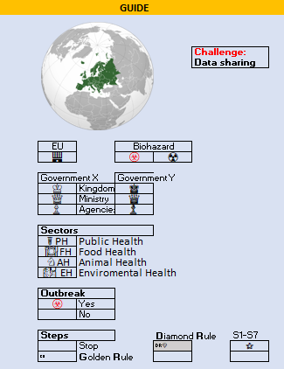
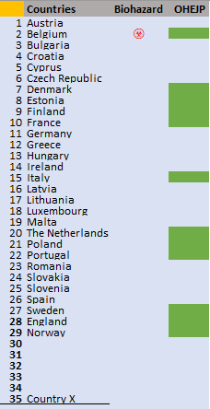
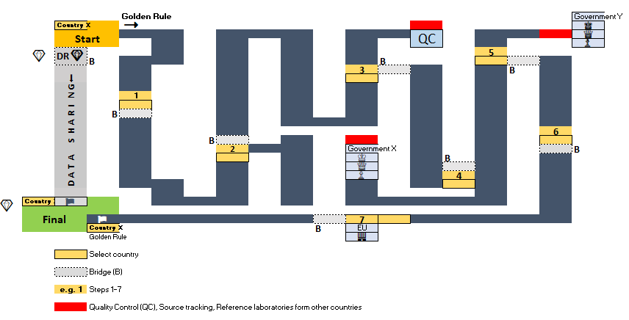
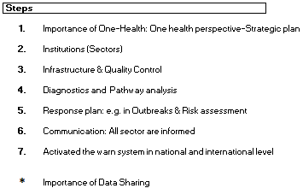
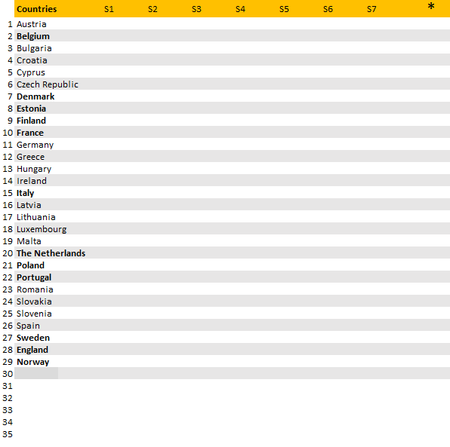

 |  | Simple model to show possible relation
 |  | among and between sectors |  |  |  | Steps in details: Golden Rule
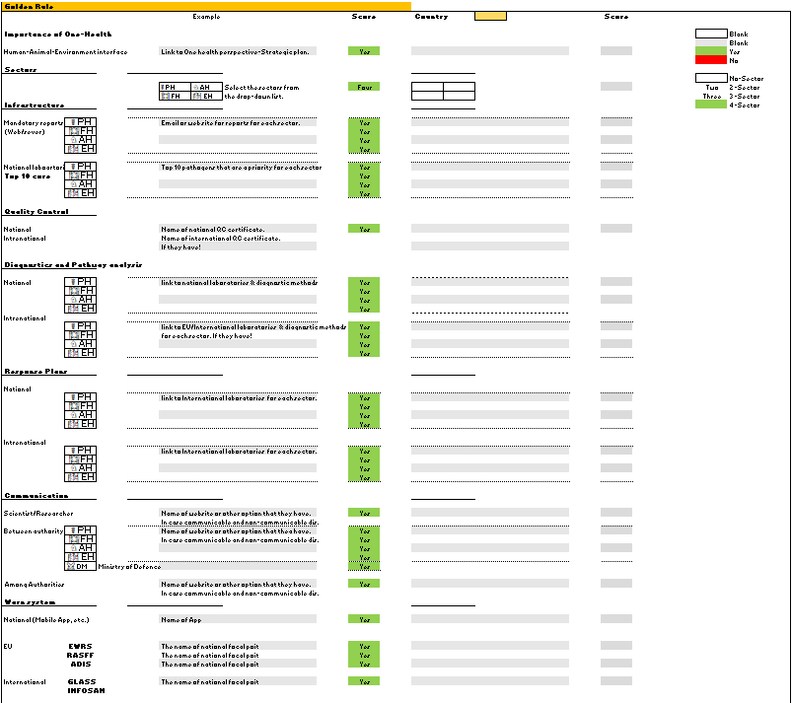

 |  |  |  |  |  | Steps in details: Diamond Rule

Game Rules
1. Choose the country: Voluntary or, if more than one country uses the random generator (Fig) |  |  |  | 5. Evaluate yourself and choose Yes or No from the drop down list in the score column of the golden rules part. |  |  |  | 8. Final
 |  |  |  | If you have more than one country, you can use the datasheet and copy and paste a new country field as needed.

 |  |  |  |  |  |  |  | 9. When you reach the final, you can activate the Diamond Rules. You are ready for the next outbreaks!
2. Activate the Biohazard Symbol by selecting from the drop-down list (e.g. Belgium).

 |  |  |  | 6. Do step five for other steps (1-7)
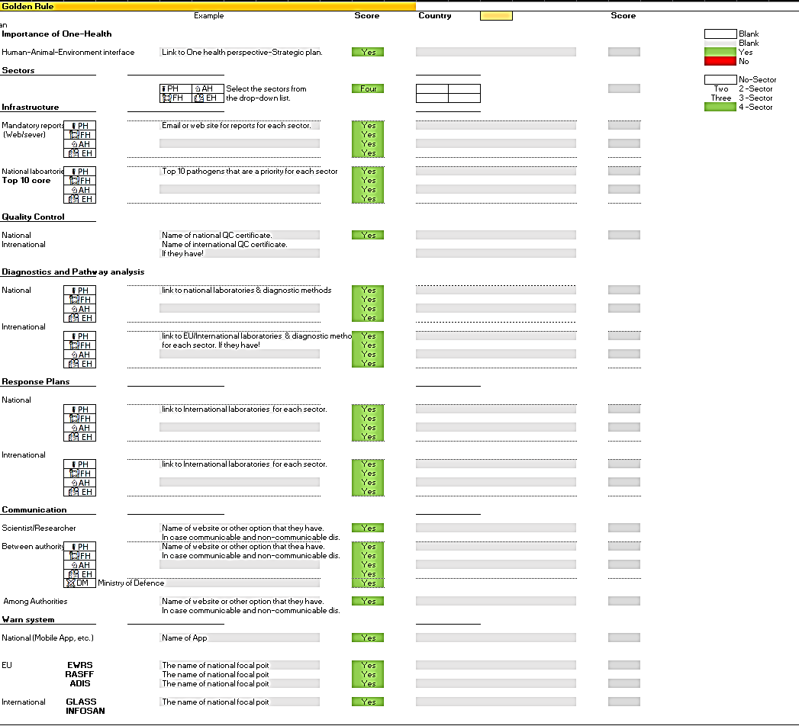
Steps 1-7
3. Begin the game by selecting the country name in the direction of the golden rule in the starting cell.

 |  |  |  |  |  |  |  | 10. Activate the diamond rule
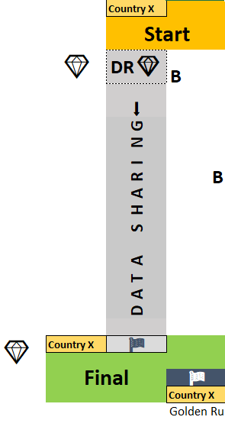

4. Go to the first step. Fill in the questions with the comprehensive answer!

 |  |  |  | 7. When you have the score, activate the star in the score-table for each step you have the score for.
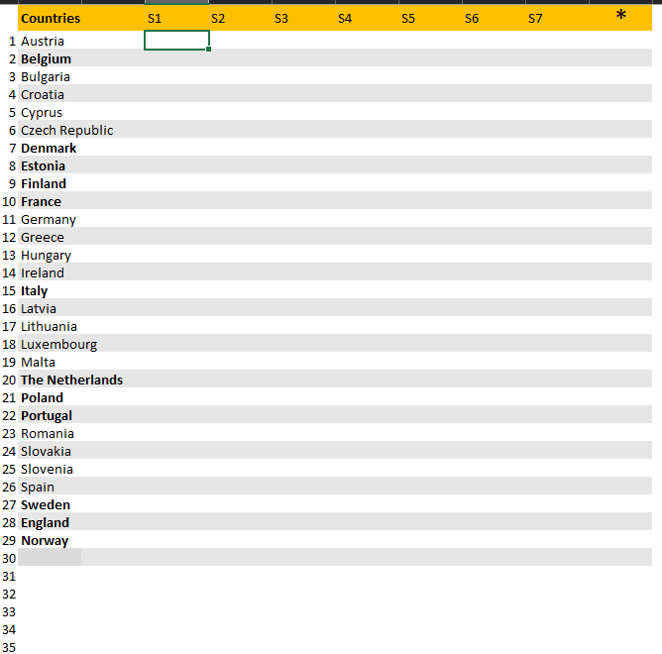

 | Milestones

OneHealthGame
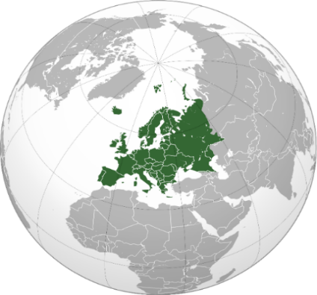
GUIDE |  |  |  |  |  |  |  | Countries | Biohazard | OHEJP |  |  |  |  |  |  |  |  |  |  |  |  |  |  |  |  |  |  | Countries | S1 | S2 | S3 | S4 | S5 | S6 | S7 | *
 |  |  |  |  |  |  | 1 | Austria |  |  |  |  |  |  | Golden Rule |  |  |  |  |  |  |  |  |  |  | Government Y |  | 1 | Austria
 |  |  |  |  |  |  | 2 | Belgium | ☣ |  |  |  | Country X |  | ⭢ |  |  |  |  |  |  |  |  |  |  | ♚ |  | 2 | Belgium
 |  |  |  |  |  |  | 3 | Bulgaria |  |  |  |  | Start |  |  |  |  |  |  |  | QC |  |  |  |  | ♛ |  | 3 | Bulgaria
 |  |  |  |  | Challenge: |  | 4 | Croatia |  |  |  |  |  |  |  |  |  |  |  |  |  |  |  |  |  | ♟ |  | 4 | Croatia
 |  |  |  |  | Data sharing |  | 5 | Cyprus |  |  |  | 💎 | DR💎 |  |  |  |  |  |  |  |  |  | 5 |  |  |  |  | 5 | Cyprus
 |  |  |  |  |  |  | 6 | Czech Republic |  |  |  |  |  | B |  |  |  |  |  | B |  |  |  |  |  |  |  | 6 | Czech Republic
 |  |  |  |  |  |  | 7 | Denmark |  |  |  |  |  |  |  |  |  |  | 3 |  |  |  |  | B |  |  |  | 7 | Denmark
 |  |  |  |  |  |  | 8 | Estonia |  |  |  |  | ⬇ |  |  |  |  |  |  |  |  |  |  |  |  |  |  | 8 | Estonia
 |  |  |  |  |  |  | 9 | Finland |  |  |  |  | G |  |  |  |  |  |  |  |  |  |  |  |  |  |  | 9 | Finland
 |  |  |  |  |  |  | 10 | France |  |  |  |  | N |  | 1 |  |  |  |  |  |  |  |  |  |  |  |  | 10 | France
 |  |  |  |  |  |  | 11 | Germany |  |  |  |  | I |  |  |  |  |  |  |  |  |  |  |  |  |  |  | 11 | Germany
 |  |  |  |  |  |  | 12 | Greece |  |  |  |  | R | B |  |  |  |  |  |  |  |  |  |  |  |  |  | 12 | Greece
 | EU |  | Biohazard |  |  |  | 13 | Hungary |  |  |  |  | A |  |  |  |  |  |  |  |  |  |  |  |  |  |  | 13 | Hungary
 | 🏢 |  | ☣ | ☢ |  |  | 14 | Ireland |  |  |  |  | H |  |  |  |  |  |  |  |  |  |  |  | 6 |  |  | 14 | Ireland
 |  |  |  |  |  |  | 15 | Italy |  |  |  |  | S |  |  | B |  |  |  |  |  |  |  |  |  |  |  | 15 | Italy
 | Government X |  | Government Y |  |  |  | 16 | Latvia |  |  |  |  |  |  |  |  | 2 |  | Government X |  |  |  |  |  |  | B |  | 16 | Latvia
 | ♔ | Kingdom | ♚ |  |  |  | 17 | Lithuania |  |  |  |  | A |  |  |  |  |  | ♔ |  |  | B |  |  |  |  |  | 17 | Lithuania
 | ♕ | Ministry | ♛ |  |  |  | 18 | Luxembourg |  |  |  |  | T |  |  |  |  |  | ♕ |  |  |  |  |  |  |  |  | 18 | Luxembourg
 | ♙ | Agencies | ♟ |  |  |  | 19 | Malta |  |  |  |  | A |  |  |  |  |  | ♙ |  |  | 4 |  |  |  |  |  | 19 | Malta
 |  |  |  |  |  |  | 20 | The Netherlands |  |  |  |  | D |  |  |  |  |  |  |  |  |  |  |  |  |  |  | 20 | The Netherlands
 | Sectors |  |  |  |  |  | 21 | Poland |  |  |  |  |  |  |  |  |  |  |  |  |  |  |  |  |  |  |  | 21 | Poland
 | ☤ PH | Public Health |  |  |  |  | 22 | Portugal |  |  | 💎 | Country X | 🏁 |  |  |  |  |  |  |  |  |  |  |  |  |  |  | 22 | Portugal
 | 🍽FH | Food Health |  |  |  |  | 23 | Romania |  |  |  | Final |  |  |  |  |  |  |  |  |  |  |  |  |  |  |  | 23 | Romania
 | ♘AH | Animal Health |  |  |  |  | 24 | Slovakia |  |  |  |  |  | 🏁 |  |  |  |  | 7 |  |  |  |  |  |  |  |  | 24 | Slovakia
 | 🏜 EH | Enviromental Health |  |  |  |  | 25 | Slovenia |  |  |  |  |  | Country X |  |  |  | B | EU |  |  |  |  |  |  |  |  | 25 | Slovenia
 |  |  |  |  |  |  | 26 | Spain |  |  |  |  |  | Golden Rule |  |  |  |  | 🏢 |  |  |  |  |  |  |  |  | 26 | Spain
 | Outbreak |  |  |  |  |  | 27 | Sweden |  |  |  |  |  |  |  |  |  |  |  |  |  |  |  |  |  |  |  | 27 | Sweden
 | ☣ | Yes |  |  |  |  | 28 | England |  |  |  |  |  | Select country |  |  |  |  |  |  |  |  |  |  |  |  |  | 28 | England
 |  | No |  |  |  |  | 29 | Norway |  |  |  |  |  |  |  |  |  |  |  |  |  |  |  |  |  |  |  | 29 | Norway
 |  |  |  |  |  |  | 30 |  |  |  |  |  |  | Bridge (B) |  |  |  |  |  |  |  |  |  |  |  |  |  | 30
 | Steps |  |  | Diamond Rule |  | S1-S7 | 31 |  |  |  |  |  |  |  |  |  |  |  |  |  |  |  |  |  |  |  |  | 31
 |  | Stop |  | DR💎 |  | ⚝ | 32 |  |  |  |  |  | e.g. 1 | Steps 1-7 |  |  |  |  |  |  |  |  |  |  |  |  |  | 32
 | GR | Golden Rule |  |  |  |  | 33 |  |  |  |  |  |  |  |  |  |  |  |  |  |  |  |  |  |  |  |  | 33
 |  |  |  |  |  |  | 34 |  |  |  |  |  |  | Quality Control (QC), Source tracking, Reference laboratories form other countries |  |  |  |  |  |  |  |  |  |  |  |  |  | 34
 | ** | Random: INT(RAND()*29) |  |  |  |  | 35 | Country X |  |  |  |  |  |  |  |  |  |  |  |  |  |  |  |  |  |  |  | 35
 | Country | 27
 | ** For the next random number: Double-click the yellow cell and enter it.
Rules
1. Select the country (random/choice) at the start cell.
2. You have 7 steps to reach the goal. In each step, answer the points in the Golden Rules table. Score your answer by |  |  |  |  |  |  |  |  |  |  |  |  | Steps |  |  |  |  | Golden Rule
comparing it to the example and giving the corresponding score. |  |  |  |  |  |  |  |  |  |  |  |  |  |  |  |  |  |  |  |  |  |  |  | Example |  |  | Score | Country |  |  |  |  | Score
3. After answering the corresponding task and monitoring (1-7) in each level, you can click on the grey cell connecting |  |  |  |  |  |  |  |  |  |  |  |  | 1. | Importance of One-Health: One health perspective-Strategic plan
the road and select the GR (Golden Rule). |  |  |  |  |  |  |  |  |  |  |  |  |  |  |  |  |  | Importance of One-Health |  |  |  |  |  |  |  |  |  |  |  |  |  |  |  |  |  |  | Blank
4. The red cell is only to emphasize the role of other aspects |  |  |  |  |  |  |  |  |  |  |  |  | 2. | Institutions (Sectors) |  |  |  |  |  |  |  |  |  |  |  |  |  |  |  |  |  |  |  |  |  |  | Blank
5. If you are in final cell you can see the Diamond Rule. This only applies to countries that receive all points. If you have |  |  |  |  |  |  |  |  |  |  |  |  |  |  |  |  |  | Human-Animal-Environment interface |  |  |  |  | Link to One health perspective-Strategic plan. |  |  |  | Yes |  |  |  |  |  |  |  |  | Yes | Yes
it, you can also choose the diamond bridge. |  |  |  |  |  |  |  |  |  |  |  |  | 3. | Infrastructure & Quality Control |  |  |  |  |  |  |  |  |  |  |  |  |  |  |  |  |  |  |  |  |  | No | No
Major Points! |  |  |  |  |  |  |  |  |  |  |  |  |  |  |  |  |  | Sectors
1. All the sectors in each country must be informed! |  |  |  |  |  |  |  |  |  |  |  |  | 4. | Diagnostics and Pathway analysis |  |  |  |  |  |  |  |  |  |  |  |  |  |  |  |  |  |  |  |  |  |  | No-Sector
2. Importance of data sharing |  |  |  |  |  |  |  |  |  |  |  |  |  |  |  |  |  |  |  |  |  |  | ☤ PH | ♘AH | Select the sectors from |  | Four |  |  |  |  |  |  |  |  | Two | 2 -Sector
3. Activate the EU-warn system as soon as possible! |  |  |  |  |  |  |  |  |  |  |  |  | 5. | Response plan: e.g. in Outbreaks & Risk assessment |  |  |  |  |  |  |  |  | 🍽FH | 🏜 EH | the drop-down list. |  |  |  |  |  |  |  |  |  |  | Three | 3 -Sector
HELP: Possible relation among and betwwen sectors to reach the rapid warn system. |  |  |  |  |  |  |  |  |  |  |  |  |  |  |  |  |  | Infrastructure |  |  |  |  |  |  |  |  |  |  |  |  |  |  |  |  |  | Four | 4 -Sector
! Diagram can help you to find the steps! |  |  |  |  |  |  |  |  |  |  |  |  | 6. | Communication: All sector are informed
 |  |  |  |  |  |  |  |  |  |  |  |  |  |  |  |  |  | Mandatory reports |  | ☤ PH |  |  | Email or web site for reports for each sector. |  |  |  | Yes
 |  |  |  |  |  |  |  |  |  |  |  |  | 7. | Activated the warn system in national and international level |  |  |  | (Web/sever) |  | 🍽FH |  |  |  |  |  |  | Yes
 |  |  |  |  |  |  |  |  |  |  |  |  |  |  |  |  |  |  |  | ♘AH |  |  |  |  |  |  | Yes
 |  |  |  |  |  |  |  |  |  |  |  |  |  |  |  |  |  |  |  | 🏜 EH |  |  |  |  |  |  | Yes
 |  |  |  |  |  |  |  |  |  |  |  |  | * | Importance of Data Sharing
 |  |  |  |  |  |  |  |  |  |  |  |  |  |  |  |  |  | National laboartories |  | ☤ PH |  |  | Top 10 pathogens that are a priority for each sector |  |  |  | Yes
 |  |  |  |  |  |  |  |  |  |  |  |  |  |  |  |  |  | Top 10 core |  | 🍽FH |  |  |  |  |  |  | Yes
 |  |  |  |  |  |  |  |  |  |  |  |  |  |  |  |  |  |  |  | ♘AH |  |  |  |  |  |  | Yes
 |  |  |  |  |  |  |  |  |  |  |  |  |  |  |  |  |  |  |  | 🏜 EH |  |  |  |  |  |  | Yes

 |  |  |  |  |  |  |  |  |  |  |  |  |  |  |  |  |  | Quality Control

 |  |  |  |  |  |  |  |  |  |  |  |  |  |  |  |  |  | National |  |  |  |  | Name of national QC certificate. |  |  |  | Yes
 |  |  |  |  |  |  |  |  |  |  |  |  |  |  |  |  |  | Intrenational |  |  |  |  | Name of international QC certificate.
 |  |  |  |  |  |  |  |  |  |  |  |  |  |  |  |  |  |  |  |  |  |  | If they have!

 |  |  |  |  |  |  |  |  |  |  |  |  |  |  |  |  |  | Diagnostics and Pathway analysis

 |  |  |  |  |  |  |  |  |  |  |  |  |  |  |  |  |  | National |  | ☤ PH |  |  | link to national laboratories & diagnostic methods |  |  |  | Yes
 |  |  |  |  |  |  |  |  |  |  |  |  |  |  |  |  |  |  |  | 🍽FH |  |  |  |  |  |  | Yes
 |  |  |  |  |  |  |  |  |  |  |  |  |  |  |  |  |  |  |  | ♘AH |  |  |  |  |  |  | Yes
 |  |  |  |  |  |  |  |  |  |  |  |  |  |  |  |  |  |  |  | 🏜 EH |  |  |  |  |  |  | Yes
 |  |  |  |  |  |  |  |  |  |  |  |  |  |  |  |  |  | Intrenational
 |  |  |  |  |  |  |  |  |  |  |  |  |  |  |  |  |  |  |  | ☤ PH |  |  | link to EU/International laboratories & diagnostic methods |  |  |  | Yes
 |  |  |  |  |  |  |  |  |  |  |  |  |  |  |  |  |  |  |  | 🍽FH |  |  | for each sector. If they have! |  |  |  | Yes
 |  |  |  |  |  |  |  |  |  |  |  |  |  |  |  |  |  |  |  | ♘AH |  |  |  |  |  |  | Yes
 |  |  |  |  |  |  |  |  |  |  |  |  |  |  |  |  |  |  |  | 🏜 EH |  |  |  |  |  |  | Yes

 |  |  |  |  |  |  |  |  |  |  |  |  |  |  |  |  |  | Response Plans

 |  |  |  |  |  |  |  |  |  |  |  |  |  |  |  |  |  | National
 |  |  |  |  |  |  |  |  |  |  |  |  |  |  |  |  |  |  |  | ☤ PH |  |  | link to International laboratories for each sector. |  |  |  | Yes
 |  |  |  |  |  |  |  |  |  |  |  |  |  |  |  |  |  |  |  | 🍽FH |  |  |  |  |  |  | Yes
 |  |  |  |  |  |  |  |  |  |  |  |  |  |  |  |  |  |  |  | ♘AH |  |  |  |  |  |  | Yes
 |  |  |  |  |  |  |  |  |  |  |  |  |  |  |  |  |  |  |  | 🏜 EH |  |  |  |  |  |  | Yes

 |  |  |  |  |  |  |  |  |  |  |  |  |  |  |  |  |  | Intrenational
 |  |  |  |  |  |  |  |  |  |  |  |  |  |  |  |  |  |  |  | ☤ PH |  |  | link to International laboratories for each sector. |  |  |  | Yes
 |  |  |  |  |  |  |  |  |  |  |  |  |  |  |  |  |  |  |  | 🍽FH |  |  |  |  |  |  | Yes
 |  |  |  |  |  |  |  |  |  |  |  |  |  |  |  |  |  |  |  | ♘AH |  |  |  |  |  |  | Yes
 |  |  |  |  |  |  |  |  |  |  |  |  |  |  |  |  |  |  |  | 🏜 EH |  |  |  |  |  |  | Yes

 |  |  |  |  |  |  |  |  |  |  |  |  |  |  |  |  |  | Communication

 |  |  |  |  |  |  |  |  |  |  |  |  |  |  |  |  |  | Scientist/Researcher |  |  |  |  | Name of website or other option that they have. |  |  |  | Yes
 |  |  |  |  |  |  |  |  |  |  |  |  |  |  |  |  |  |  |  |  |  |  | In case communicable and non-communicable dis.
 |  |  |  |  |  |  |  |  |  |  |  |  |  |  |  |  |  | Between authority |  | ☤ PH |  |  | Name of website or other option that thea have. |  |  |  | Yes
 |  |  |  |  |  |  |  |  |  |  |  |  |  |  |  |  |  |  |  | 🍽FH |  |  | In case communicable and non-communicable dis. |  |  |  | Yes
 |  |  |  |  |  |  |  |  |  |  |  |  |  |  |  |  |  |  |  | ♘AH |  |  |  |  |  |  | Yes
 |  |  |  |  |  |  |  |  |  |  |  |  |  |  |  |  |  |  |  | 🏜 EH |  |  |  |  |  |  | Yes
 |  |  |  |  |  |  |  |  |  |  |  |  |  |  |  |  |  |  |  | ⚔DM | Ministry of Defence |  |  |  |  |  | Yes

 |  |  |  |  |  |  |  |  |  |  |  |  |  |  |  |  |  | Among Authorities |  |  |  |  | Name of website or other option that they have. |  |  |  | Yes
 |  |  |  |  |  |  |  |  |  |  |  |  |  |  |  |  |  |  |  |  |  |  | In case communicable and non-communicable dis.
 |  |  |  |  |  |  |  |  |  |  |  |  |  |  |  |  |  | Warn system

 |  |  |  |  |  |  |  |  |  |  |  |  |  |  |  |  |  | National (Mobile App, etc.) |  |  |  |  | Name of App |  |  |  | Yes

 |  |  |  |  |  |  |  |  |  |  |  |  | Diamond Rule
 |  |  |  |  |  |  |  |  |  |  |  |  | Importance of One-Health & Data Sharing |  |  |  |  | EU |  | EWRS |  |  | The name of national focal poit |  |  |  | Yes
 |  |  |  |  |  |  |  |  |  |  |  |  |  |  |  |  |  |  |  | RASFF |  |  | The name of national focal poit |  |  |  | Yes
 |  |  |  |  |  |  |  |  |  |  |  |  | * | Seven steps are already active. |  |  |  |  |  | ADIS |  |  | The name of national focal poit |  |  |  | Yes

 |  |  |  |  |  |  |  |  |  |  |  |  |  | Do you have all scores! |  |  | Yes | International |  | GLASS |  |  | The name of national focal poit |  |  |  | Yes
 |  |  |  |  |  |  |  |  |  |  |  |  |  | You can select the Diamond from drop-down list. |  |  |  |  |  | INFOSAN

