Important Features
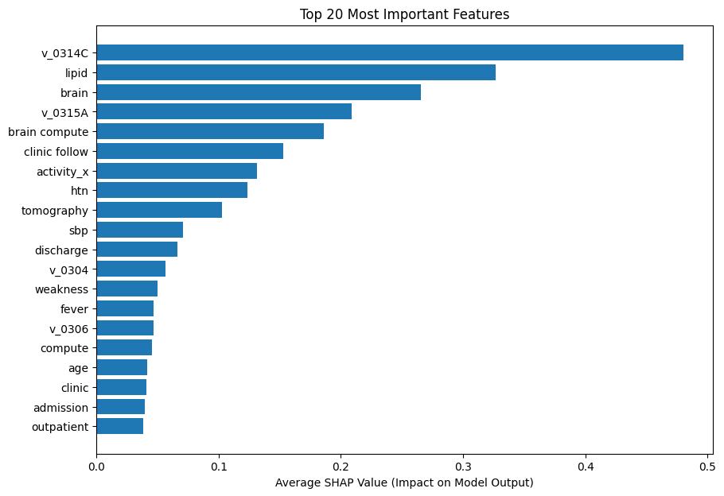
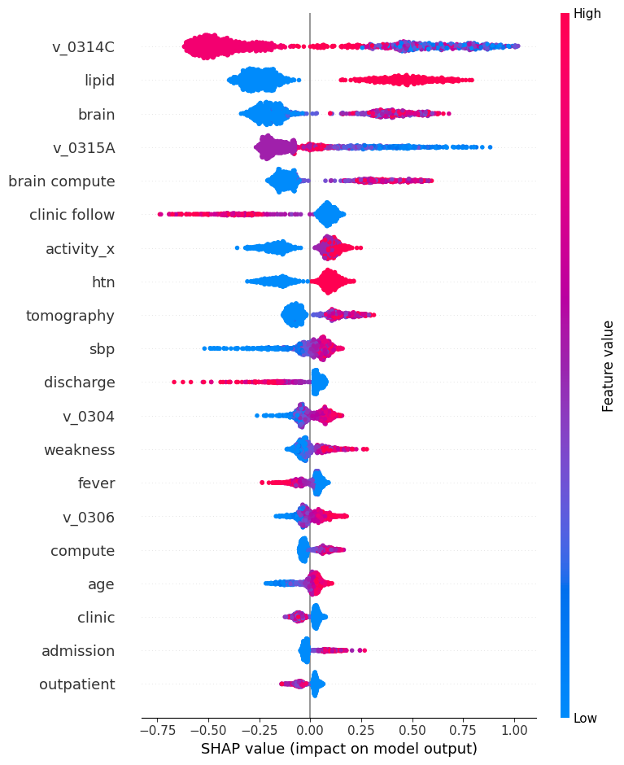
Feature Type | Feature | Importance | Description
結構化病歷 | v_0314C | 0.48056283593 | Top 20 important features using SHAP with the input "struct + bigram(PI)", and trained with XGBoost algorithm using the optimized params of {'colsample_bytree': 0.7, 'learning_rate': 0.01, 'max_depth': 7, 'n_estimators': 300, 'subsample': 0.7}
結構化病歷 | lipid | 0.32680398226 |  | 水平軸（X軸） | 表示 SHAP 值，或說該特徵對模型輸出的影響。 數值越大，表示該特徵的影響越大。 正值表示該特徵對模型輸出有正向影響（增加預測值的機率），負值表示有負向影響（減少預測值的機率）。
文字PI | brain | 0.2658161819 |  | 垂直軸（Y軸） | 列出了資料集中的所有特徵。 這些特徵依重要性排序，最上面的特徵對模型的影響最大。
結構化病歷 | v_0315A | 0.20879296958 |  | 顏色 | 表示特徵值的高低。 在這個圖中，紅色可能表示較高的特徵值，而藍色表示較低的特徵值。
文字PI | brain compute | 0.18588331342 |  | 點的位置 | 每個點代表一個資料點（一個樣本）。 點的水平位置顯示了該特徵在該樣本上的 SHAP 值。 因此，對於每個特徵，一系列的點分佈在零點兩側，顯示了該特徵在不同樣本上的 SHAP 值。
文字PI | clinic follow | 0.15314163268
結構化病歷 | activity_x | 0.13119950891
結構化病歷 | htn | 0.12345655262
文字PI | tomography | 0.10250025988
結構化病歷 | sbp | 0.070920087397
文字PI | discharge | 0.06618282944
結構化病歷 | v_0304 | 0.05659096688
文字PI | weakness | 0.050276368856
文字PI | fever | 0.046691220254
結構化病歷 | v_0306 | 0.046555843204
文字PI | compute | 0.04574092105
結構化病歷 | age | 0.041426710784
文字PI | clinic | 0.040947541595
文字PI | admission | 0.039559848607
文字PI | outpatient | 0.037966351956

